OLFM4 _multivariate
Reported by Tex Li-Hsing Chi. tex@gate.sinica.edu.tw 2019-08-17

Table 2. The clinicopathological features of HNSCC cohort and OLFM4 expression. (Chi square test)
Cutoff at -0.115 (52.2%)
 |  | OLFM4 expression |  | OLFM4 expression |  | (Optimised)
 | Features | Low | (%) | High | (%) | Case no | P-value | Remark | Matthews
Gender | Female | 161 | 38.8 | 145 | 34.9 | 415 | 0.7832 | 0 | 0
2 | Male | 55 | 13.3 | 54 | 13
Age at diagnosis | <=65y | 137 | 33 | 137 | 33 | 415 | 0.2889 | 0 | 0
4 | >65y | 79 | 19 | 62 | 14.9
Clinical T Status | T1+T2 | 78 | 18.8 | 71 | 17.1 | 415 | 1 | 0 | 0
6 | T3+T4 | 138 | 33.3 | 128 | 30.8
Clinical N Status | N0 | 110 | 26.5 | 106 | 25.5 | 415 | 0.7051 | 0 | 0
8 | N1-3 | 106 | 25.5 | 93 | 22.4
Clinical M Status | M0 | 213 | 51.3 | 199 | 48 | 415 | 0.2494 | 0 | 0
10 | M1 | 3 | 0.7 | 0 | 0
Clinical Stage | Stage I+II | 51 | 12.3 | 51 | 12.3 | 415 | 0.7169 | 0 | 0
12 | Stage III+IV | 165 | 39.8 | 148 | 35.7
Surgical Margin status | Negative | 170 | 41 | 148 | 35.7 | 415 | 0.3531 | 0 | 0
14 | Positive | 46 | 11.1 | 51 | 12.3
Tobacco Exposure | Low | 87 | 21 | 74 | 17.8 | 415 | 0.546 | 0 | 0
16 | High | 129 | 31.1 | 125 | 30.1

Table 3. Univariate/Multivariate Cox's proportional hazards regression analyses on OS time of OLFM4 gene expression in HNSCC

 |  | Univariate |  |  |  | Multivariate
 | Features | HR | CI95%(L) | CI95%(H) | P-value | HR | CI95%(L) | CI95%(H) | P-value
1 | Female | 1 |  |  |  | 1
Gender | Male | 1.157 | 0.843 | 1.587 | 0.367 | 1.22 | 0.874 | 1.702 | 0.243
11 | <=65y | 1 |  |  |  | 1
Age at diagnosis | >65y | 1.329 | 0.99 | 1.784 | 0.058 | 1.396 | 1.027 | 1.897 | 0.033
12 | T1+T2 | 1 |  |  |  | 1
Clinical T Status | T3+T4 | 1.409 | 1.028 | 1.931 | 0.033 | 2.148 | 1.136 | 4.062 | 0.019
13 | N0 | 1 |  |  |  | 1
Clinical N Status | N1-3 | 1.185 | 0.89 | 1.577 | 0.246 | 1.257 | 0.881 | 1.793 | 0.207
14 | M0 | 1 |  |  |  | 1
Clinical M Status | M1 | 4.097 | 1.009 | 16.644 | 0.049 | 10.808 | 2.343 | 49.868 | 0.002
15 | Stage I+II | 1 |  |  |  | 1
Clinical Stage | Stage III+IV | 1.245 | 0.882 | 1.759 | 0.213 | 0.52 | 0.242 | 1.116 | 0.093
16 | Negative | 1 |  |  |  | 1
Surgical Margin status | Positive | 1.591 | 1.155 | 2.191 | 0.004 | 1.62 | 1.17 | 2.242 | 0.004
17 | Low | 1 |  |  |  | 1
Tobacco Exposure | High | 1.364 | 1.008 | 1.844 | 0.044 | 1.486 | 1.079 | 2.046 | 0.015
18 | Low | 1 |  |  |  | 1
RNAseq(z-score) | High | 1.344 | 1.008 | 1.793 | 0.044 | 1.371 | 1.022 | 1.839 | 0.035

Table 4. Univariate/Multivariate Cox's proportional hazards regression analyses on RFS time of OLFM4 gene expression in HNSCC

 |  | Univariate |  |  |  | Multivariate
 | Features | HR | CI95%(L) | CI95%(H) | P-value | HR | CI95%(L) | CI95%(H) | P-value
1 | Female | 1 |  |  |  | 1
Gender | Male | 1.157 | 0.843 | 1.587 | 0.367 | 1.22 | 0.874 | 1.702 | 0.243
11 | <=65y | 1 |  |  |  | 1
Age at diagnosis | >65y | 1.329 | 0.99 | 1.784 | 0.058 | 1.396 | 1.027 | 1.897 | 0.033
12 | T1+T2 | 1 |  |  |  | 1
Clinical T Status | T3+T4 | 1.409 | 1.028 | 1.931 | 0.033 | 2.148 | 1.136 | 4.062 | 0.019
13 | N0 | 1 |  |  |  | 1
Clinical N Status | N1-3 | 1.185 | 0.89 | 1.577 | 0.246 | 1.257 | 0.881 | 1.793 | 0.207
14 | M0 | 1 |  |  |  | 1
Clinical M Status | M1 | 4.097 | 1.009 | 16.644 | 0.049 | 10.808 | 2.343 | 49.868 | 0.002
15 | Stage I+II | 1 |  |  |  | 1
Clinical Stage | Stage III+IV | 1.245 | 0.882 | 1.759 | 0.213 | 0.52 | 0.242 | 1.116 | 0.093
16 | Negative | 1 |  |  |  | 1
Surgical Margin status | Positive | 1.591 | 1.155 | 2.191 | 0.004 | 1.62 | 1.17 | 2.242 | 0.004
17 | Low | 1 |  |  |  | 1
Tobacco Exposure | High | 1.364 | 1.008 | 1.844 | 0.044 | 1.486 | 1.079 | 2.046 | 0.015
18 | Low | 1 |  |  |  | 1
RNAseq(z-score) | High | 1.344 | 1.008 | 1.793 | 0.044 | 1.371 | 1.022 | 1.839 | 0.035

Kaplan-Meier survival estimate: Cutoff at -0.115 (52.2%)



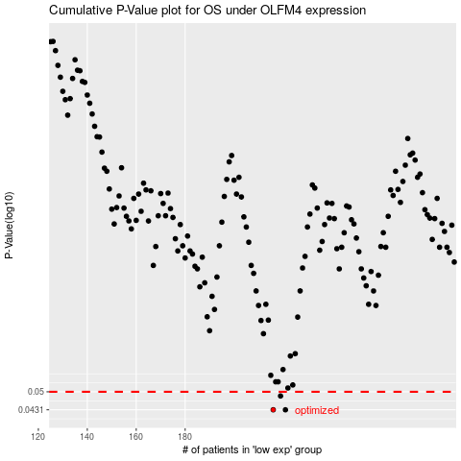

 |  |  |  |  |  | cases_OS | p_OS | rank | exp
 |  |  |  |  |  | 216 | 0.0431 | 185 | -0.11479554883
 |  |  |  |  |  | 221 | 0.0431 | 215 | -0.11456463471
 |  |  |  |  |  | 219 | 0.0483 | 369 | -0.11460414251
 |  |  |  |  |  |  | cases_RFS | p_RFS | rank | exp
 |  |  |  |  |  |  | 215 | 0.0431 | 396 | -0.11480132675
 |  |  |  |  |  |  | 220 | 0.0431 | 403 | -0.11457907951
 |  |  |  |  |  |  | 218 | 0.0483 | 29 | -0.11468759293

