OLFML2B _multivariate
Reported by Tex Li-Hsing Chi. tex@gate.sinica.edu.tw 2019-08-17

Table 2. The clinicopathological features of HNSCC cohort and OLFML2B expression. (Chi square test)
Cutoff at -0.204 (49.8%)
 |  | OLFML2B expression |  | OLFML2B expression |  | (Optimised)
 | Features | Low | (%) | High | (%) | Case no | P-value | Remark | Matthews
Gender | Female | 158 | 38.1 | 148 | 35.7 | 415 | 0.2774 | 0 | 0
2 | Male | 49 | 11.8 | 60 | 14.5
Age at diagnosis | <=65y | 141 | 34 | 133 | 32 | 415 | 0.4272 | 0 | 0
4 | >65y | 66 | 15.9 | 75 | 18.1
Clinical T Status | T1+T2 | 85 | 20.5 | 64 | 15.4 | 415 | 0.0372 | 1 | 0
6 | T3+T4 | 122 | 29.4 | 144 | 34.7
Clinical N Status | N0 | 115 | 27.7 | 101 | 24.3 | 415 | 0.184 | 1 | 0
8 | N1-3 | 92 | 22.2 | 107 | 25.8
Clinical M Status | M0 | 204 | 49.2 | 208 | 50.1 | 415 | 0.1232 | 0 | 0
10 | M1 | 3 | 0.7 | 0 | 0
Clinical Stage | Stage I+II | 55 | 13.3 | 47 | 11.3 | 415 | 0.4087 | 0 | 0
12 | Stage III+IV | 152 | 36.6 | 161 | 38.8
Surgical Margin status | Negative | 160 | 38.6 | 158 | 38.1 | 415 | 0.8167 | 0 | 0
14 | Positive | 47 | 11.3 | 50 | 12
Tobacco Exposure | Low | 80 | 19.3 | 81 | 19.5 | 415 | 1 | 0 | 0
16 | High | 127 | 30.6 | 127 | 30.6

Table 3. Univariate/Multivariate Cox's proportional hazards regression analyses on OS time of OLFML2B gene expression in HNSCC

 |  | Univariate |  |  |  | Multivariate
 | Features | HR | CI95%(L) | CI95%(H) | P-value | HR | CI95%(L) | CI95%(H) | P-value
1 | Female | 1 |  |  |  | 1
Gender | Male | 1.157 | 0.843 | 1.587 | 0.367 | 1.202 | 0.86 | 1.68 | 0.281
11 | <=65y | 1 |  |  |  | 1
Age at diagnosis | >65y | 1.329 | 0.99 | 1.784 | 0.058 | 1.392 | 1.024 | 1.893 | 0.035
12 | T1+T2 | 1 |  |  |  | 1
Clinical T Status | T3+T4 | 1.409 | 1.028 | 1.931 | 0.033 | 2.249 | 1.184 | 4.273 | 0.013
13 | N0 | 1 |  |  |  | 1
Clinical N Status | N1-3 | 1.185 | 0.89 | 1.577 | 0.246 | 1.252 | 0.876 | 1.79 | 0.217
14 | M0 | 1 |  |  |  | 1
Clinical M Status | M1 | 4.097 | 1.009 | 16.644 | 0.049 | 9.162 | 1.993 | 42.129 | 0.004
15 | Stage I+II | 1 |  |  |  | 1
Clinical Stage | Stage III+IV | 1.245 | 0.882 | 1.759 | 0.213 | 0.496 | 0.23 | 1.067 | 0.073
16 | Negative | 1 |  |  |  | 1
Surgical Margin status | Positive | 1.591 | 1.155 | 2.191 | 0.004 | 1.672 | 1.21 | 2.31 | 0.002
17 | Low | 1 |  |  |  | 1
Tobacco Exposure | High | 1.364 | 1.008 | 1.844 | 0.044 | 1.457 | 1.057 | 2.008 | 0.021
18 | Low | 1 |  |  |  | 1
RNAseq(z-score) | High | 0.985 | 0.739 | 1.312 | 0.915 | 0.924 | 0.689 | 1.238 | 0.597

Table 4. Univariate/Multivariate Cox's proportional hazards regression analyses on RFS time of OLFML2B gene expression in HNSCC

 |  | Univariate |  |  |  | Multivariate
 | Features | HR | CI95%(L) | CI95%(H) | P-value | HR | CI95%(L) | CI95%(H) | P-value
1 | Female | 1 |  |  |  | 1
Gender | Male | 1.157 | 0.843 | 1.587 | 0.367 | 1.202 | 0.86 | 1.68 | 0.281
11 | <=65y | 1 |  |  |  | 1
Age at diagnosis | >65y | 1.329 | 0.99 | 1.784 | 0.058 | 1.392 | 1.024 | 1.893 | 0.035
12 | T1+T2 | 1 |  |  |  | 1
Clinical T Status | T3+T4 | 1.409 | 1.028 | 1.931 | 0.033 | 2.249 | 1.184 | 4.273 | 0.013
13 | N0 | 1 |  |  |  | 1
Clinical N Status | N1-3 | 1.185 | 0.89 | 1.577 | 0.246 | 1.252 | 0.876 | 1.79 | 0.217
14 | M0 | 1 |  |  |  | 1
Clinical M Status | M1 | 4.097 | 1.009 | 16.644 | 0.049 | 9.162 | 1.993 | 42.129 | 0.004
15 | Stage I+II | 1 |  |  |  | 1
Clinical Stage | Stage III+IV | 1.245 | 0.882 | 1.759 | 0.213 | 0.496 | 0.23 | 1.067 | 0.073
16 | Negative | 1 |  |  |  | 1
Surgical Margin status | Positive | 1.591 | 1.155 | 2.191 | 0.004 | 1.672 | 1.21 | 2.31 | 0.002
17 | Low | 1 |  |  |  | 1
Tobacco Exposure | High | 1.364 | 1.008 | 1.844 | 0.044 | 1.457 | 1.057 | 2.008 | 0.021
18 | Low | 1 |  |  |  | 1
RNAseq(z-score) | High | 0.985 | 0.739 | 1.312 | 0.915 | 0.924 | 0.689 | 1.238 | 0.597

Kaplan-Meier survival estimate: Cutoff at -0.204 (49.8%)



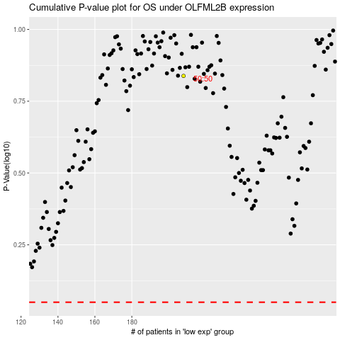

 |  |  |  |  |  | cases_OS | p_OS | rank | exp
 |  |  |  |  |  |  | cases_RFS | p_RFS | rank | exp

