OMA1 _multivariate
Reported by Tex Li-Hsing Chi. tex@gate.sinica.edu.tw 2019-08-17

Table 2. The clinicopathological features of HNSCC cohort and OMA1 expression. (Chi square test)
Cutoff at -0.299 (50.0%)
 |  | OMA1 expression |  | OMA1 expression |  | (Optimised)
 | Features | Low | (%) | High | (%) | Case no | P-value | Remark | Matthews
Gender | Female | 155 | 37.3 | 151 | 36.4 | 415 | 0.6768 | 0 | 0
2 | Male | 52 | 12.5 | 57 | 13.7
Age at diagnosis | <=65y | 134 | 32.3 | 140 | 33.7 | 415 | 0.6529 | 0 | 0
4 | >65y | 73 | 17.6 | 68 | 16.4
Clinical T Status | T1+T2 | 66 | 15.9 | 83 | 20 | 415 | 0.1095 | 0 | 0
6 | T3+T4 | 141 | 34 | 125 | 30.1
Clinical N Status | N0 | 100 | 24.1 | 116 | 28 | 415 | 0.1548 | 0 | 0
8 | N1-3 | 107 | 25.8 | 92 | 22.2
Clinical M Status | M0 | 206 | 49.6 | 206 | 49.6 | 415 | 1 | 0 | 0
10 | M1 | 1 | 0.2 | 2 | 0.5
Clinical Stage | Stage I+II | 47 | 11.3 | 55 | 13.3 | 415 | 0.4413 | 0 | 0
12 | Stage III+IV | 160 | 38.6 | 153 | 36.9
Surgical Margin status | Negative | 158 | 38.1 | 160 | 38.6 | 415 | 0.9081 | 0 | 0
14 | Positive | 49 | 11.8 | 48 | 11.6
Tobacco Exposure | Low | 75 | 18.1 | 86 | 20.7 | 415 | 0.3141 | 0 | 0
16 | High | 132 | 31.8 | 122 | 29.4

Table 3. Univariate/Multivariate Cox's proportional hazards regression analyses on OS time of OMA1 gene expression in HNSCC

 |  | Univariate |  |  |  | Multivariate
 | Features | HR | CI95%(L) | CI95%(H) | P-value | HR | CI95%(L) | CI95%(H) | P-value
1 | Female | 1 |  |  |  | 1
Gender | Male | 1.157 | 0.843 | 1.587 | 0.367 | 1.217 | 0.87 | 1.702 | 0.252
11 | <=65y | 1 |  |  |  | 1
Age at diagnosis | >65y | 1.329 | 0.99 | 1.784 | 0.058 | 1.383 | 1.016 | 1.881 | 0.039
12 | T1+T2 | 1 |  |  |  | 1
Clinical T Status | T3+T4 | 1.409 | 1.028 | 1.931 | 0.033 | 2.144 | 1.132 | 4.06 | 0.019
13 | N0 | 1 |  |  |  | 1
Clinical N Status | N1-3 | 1.185 | 0.89 | 1.577 | 0.246 | 1.212 | 0.847 | 1.734 | 0.293
14 | M0 | 1 |  |  |  | 1
Clinical M Status | M1 | 4.097 | 1.009 | 16.644 | 0.049 | 9.508 | 2.074 | 43.593 | 0.004
15 | Stage I+II | 1 |  |  |  | 1
Clinical Stage | Stage III+IV | 1.245 | 0.882 | 1.759 | 0.213 | 0.52 | 0.242 | 1.119 | 0.094
16 | Negative | 1 |  |  |  | 1
Surgical Margin status | Positive | 1.591 | 1.155 | 2.191 | 0.004 | 1.687 | 1.22 | 2.332 | 0.002
17 | Low | 1 |  |  |  | 1
Tobacco Exposure | High | 1.364 | 1.008 | 1.844 | 0.044 | 1.463 | 1.06 | 2.02 | 0.021
18 | Low | 1 |  |  |  | 1
RNAseq(z-score) | High | 0.835 | 0.625 | 1.115 | 0.221 | 0.853 | 0.636 | 1.144 | 0.288

Table 4. Univariate/Multivariate Cox's proportional hazards regression analyses on RFS time of OMA1 gene expression in HNSCC

 |  | Univariate |  |  |  | Multivariate
 | Features | HR | CI95%(L) | CI95%(H) | P-value | HR | CI95%(L) | CI95%(H) | P-value
1 | Female | 1 |  |  |  | 1
Gender | Male | 1.157 | 0.843 | 1.587 | 0.367 | 1.217 | 0.87 | 1.702 | 0.252
11 | <=65y | 1 |  |  |  | 1
Age at diagnosis | >65y | 1.329 | 0.99 | 1.784 | 0.058 | 1.383 | 1.016 | 1.881 | 0.039
12 | T1+T2 | 1 |  |  |  | 1
Clinical T Status | T3+T4 | 1.409 | 1.028 | 1.931 | 0.033 | 2.144 | 1.132 | 4.06 | 0.019
13 | N0 | 1 |  |  |  | 1
Clinical N Status | N1-3 | 1.185 | 0.89 | 1.577 | 0.246 | 1.212 | 0.847 | 1.734 | 0.293
14 | M0 | 1 |  |  |  | 1
Clinical M Status | M1 | 4.097 | 1.009 | 16.644 | 0.049 | 9.508 | 2.074 | 43.593 | 0.004
15 | Stage I+II | 1 |  |  |  | 1
Clinical Stage | Stage III+IV | 1.245 | 0.882 | 1.759 | 0.213 | 0.52 | 0.242 | 1.119 | 0.094
16 | Negative | 1 |  |  |  | 1
Surgical Margin status | Positive | 1.591 | 1.155 | 2.191 | 0.004 | 1.687 | 1.22 | 2.332 | 0.002
17 | Low | 1 |  |  |  | 1
Tobacco Exposure | High | 1.364 | 1.008 | 1.844 | 0.044 | 1.463 | 1.06 | 2.02 | 0.021
18 | Low | 1 |  |  |  | 1
RNAseq(z-score) | High | 0.835 | 0.625 | 1.115 | 0.221 | 0.853 | 0.636 | 1.144 | 0.288

Kaplan-Meier survival estimate: Cutoff at -0.299 (50.0%)



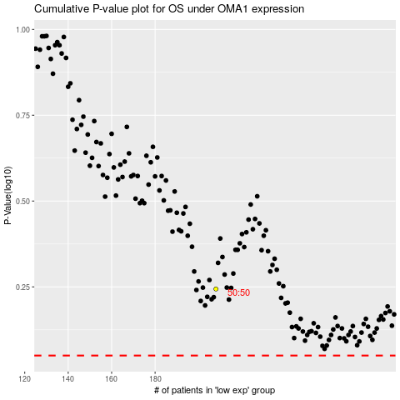

 |  |  |  |  |  | cases_OS | p_OS | rank | exp
 |  |  |  |  |  |  | cases_RFS | p_RFS | rank | exp

