ONECUT2 _multivariate
Reported by Tex Li-Hsing Chi. tex@gate.sinica.edu.tw 2019-08-17

Table 2. The clinicopathological features of HNSCC cohort and ONECUT2 expression. (Chi square test)
Cutoff at -0.057 (67.1%)
 |  | ONECUT2 expression |  | ONECUT2 expression |  | (Optimised)
 | Features | Low | (%) | High | (%) | Case no | P-value | Remark | Matthews
Gender | Female | 198 | 47.7 | 108 | 26 | 415 | 0.0862 | 0 | 0
2 | Male | 81 | 19.5 | 28 | 6.7
Age at diagnosis | <=65y | 170 | 41 | 104 | 25.1 | 415 | 0.0025 | 1 | 0
4 | >65y | 109 | 26.3 | 32 | 7.7
Clinical T Status | T1+T2 | 91 | 21.9 | 58 | 14 | 415 | 0.0587 | 0 | 0
6 | T3+T4 | 188 | 45.3 | 78 | 18.8
Clinical N Status | N0 | 148 | 35.7 | 68 | 16.4 | 415 | 0.6323 | 0 | 0
8 | N1-3 | 131 | 31.6 | 68 | 16.4
Clinical M Status | M0 | 276 | 66.5 | 136 | 32.8 | 415 | 0.554 | 0 | 0
10 | M1 | 3 | 0.7 | 0 | 0
Clinical Stage | Stage I+II | 68 | 16.4 | 34 | 8.2 | 415 | 0.9858 | 0 | 0
12 | Stage III+IV | 211 | 50.8 | 102 | 24.6
Surgical Margin status | Negative | 221 | 53.3 | 97 | 23.4 | 415 | 0.084 | 0 | 0
14 | Positive | 58 | 14 | 39 | 9.4
Tobacco Exposure | Low | 108 | 26 | 53 | 12.8 | 415 | 1 | 0 | 0
16 | High | 171 | 41.2 | 83 | 20

Table 3. Univariate/Multivariate Cox's proportional hazards regression analyses on OS time of ONECUT2 gene expression in HNSCC

 |  | Univariate |  |  |  | Multivariate
 | Features | HR | CI95%(L) | CI95%(H) | P-value | HR | CI95%(L) | CI95%(H) | P-value
1 | Female | 1 |  |  |  | 1
Gender | Male | 1.157 | 0.843 | 1.587 | 0.367 | 1.191 | 0.852 | 1.664 | 0.306
11 | <=65y | 1 |  |  |  | 1
Age at diagnosis | >65y | 1.329 | 0.99 | 1.784 | 0.058 | 1.328 | 0.972 | 1.814 | 0.074
12 | T1+T2 | 1 |  |  |  | 1
Clinical T Status | T3+T4 | 1.409 | 1.028 | 1.931 | 0.033 | 2.058 | 1.083 | 3.911 | 0.028
13 | N0 | 1 |  |  |  | 1
Clinical N Status | N1-3 | 1.185 | 0.89 | 1.577 | 0.246 | 1.23 | 0.862 | 1.753 | 0.254
14 | M0 | 1 |  |  |  | 1
Clinical M Status | M1 | 4.097 | 1.009 | 16.644 | 0.049 | 8.119 | 1.755 | 37.561 | 0.007
15 | Stage I+II | 1 |  |  |  | 1
Clinical Stage | Stage III+IV | 1.245 | 0.882 | 1.759 | 0.213 | 0.545 | 0.252 | 1.175 | 0.121
16 | Negative | 1 |  |  |  | 1
Surgical Margin status | Positive | 1.591 | 1.155 | 2.191 | 0.004 | 1.721 | 1.242 | 2.383 | 0.001
17 | Low | 1 |  |  |  | 1
Tobacco Exposure | High | 1.364 | 1.008 | 1.844 | 0.044 | 1.459 | 1.057 | 2.014 | 0.022
18 | Low | 1 |  |  |  | 1
RNAseq(z-score) | High | 0.73 | 0.532 | 1.001 | 0.051 | 0.761 | 0.548 | 1.057 | 0.103

Table 4. Univariate/Multivariate Cox's proportional hazards regression analyses on RFS time of ONECUT2 gene expression in HNSCC

 |  | Univariate |  |  |  | Multivariate
 | Features | HR | CI95%(L) | CI95%(H) | P-value | HR | CI95%(L) | CI95%(H) | P-value
1 | Female | 1 |  |  |  | 1
Gender | Male | 1.157 | 0.843 | 1.587 | 0.367 | 1.191 | 0.852 | 1.664 | 0.306
11 | <=65y | 1 |  |  |  | 1
Age at diagnosis | >65y | 1.329 | 0.99 | 1.784 | 0.058 | 1.328 | 0.972 | 1.814 | 0.074
12 | T1+T2 | 1 |  |  |  | 1
Clinical T Status | T3+T4 | 1.409 | 1.028 | 1.931 | 0.033 | 2.058 | 1.083 | 3.911 | 0.028
13 | N0 | 1 |  |  |  | 1
Clinical N Status | N1-3 | 1.185 | 0.89 | 1.577 | 0.246 | 1.23 | 0.862 | 1.753 | 0.254
14 | M0 | 1 |  |  |  | 1
Clinical M Status | M1 | 4.097 | 1.009 | 16.644 | 0.049 | 8.119 | 1.755 | 37.561 | 0.007
15 | Stage I+II | 1 |  |  |  | 1
Clinical Stage | Stage III+IV | 1.245 | 0.882 | 1.759 | 0.213 | 0.545 | 0.252 | 1.175 | 0.121
16 | Negative | 1 |  |  |  | 1
Surgical Margin status | Positive | 1.591 | 1.155 | 2.191 | 0.004 | 1.721 | 1.242 | 2.383 | 0.001
17 | Low | 1 |  |  |  | 1
Tobacco Exposure | High | 1.364 | 1.008 | 1.844 | 0.044 | 1.459 | 1.057 | 2.014 | 0.022
18 | Low | 1 |  |  |  | 1
RNAseq(z-score) | High | 0.73 | 0.532 | 1.001 | 0.051 | 0.761 | 0.548 | 1.057 | 0.103

Kaplan-Meier survival estimate: Cutoff at -0.057 (67.1%)



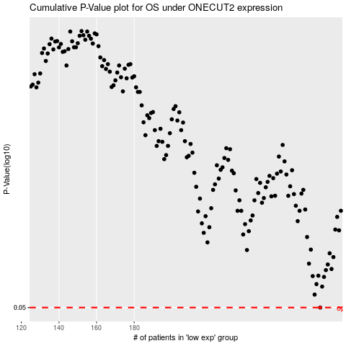

 |  |  |  |  |  | cases_OS | p_OS | rank | exp
 |  |  |  |  |  | 279 | 0.05 | 71 | -0.057079245739
 |  |  |  |  |  |  | cases_RFS | p_RFS | rank | exp
 |  |  |  |  |  |  | 278 | 0.05 | 281 | -0.058483489052

