OPCML _multivariate
Reported by Tex Li-Hsing Chi. tex@gate.sinica.edu.tw 2019-08-17

Table 2. The clinicopathological features of HNSCC cohort and OPCML expression. (Chi square test)
Cutoff at -0.107 (49.8%)
 |  | OPCML expression |  | OPCML expression |  | (Optimised)
 | Features | Low | (%) | High | (%) | Case no | P-value | Remark | Matthews
Gender | Female | 159 | 38.3 | 147 | 35.4 | 415 | 0.1905 | 0 | 0
2 | Male | 48 | 11.6 | 61 | 14.7
Age at diagnosis | <=65y | 135 | 32.5 | 139 | 33.5 | 415 | 0.8084 | 0 | 0
4 | >65y | 72 | 17.3 | 69 | 16.6
Clinical T Status | T1+T2 | 62 | 14.9 | 87 | 21 | 415 | 0.0156 | 1 | 0
6 | T3+T4 | 145 | 34.9 | 121 | 29.2
Clinical N Status | N0 | 104 | 25.1 | 112 | 27 | 415 | 0.5243 | 0 | 0
8 | N1-3 | 103 | 24.8 | 96 | 23.1
Clinical M Status | M0 | 204 | 49.2 | 208 | 50.1 | 415 | 0.1232 | 0 | 0
10 | M1 | 3 | 0.7 | 0 | 0
Clinical Stage | Stage I+II | 42 | 10.1 | 60 | 14.5 | 415 | 0.0561 | 0 | 0
12 | Stage III+IV | 165 | 39.8 | 148 | 35.7
Surgical Margin status | Negative | 156 | 37.6 | 162 | 39 | 415 | 0.5636 | 0 | 0
14 | Positive | 51 | 12.3 | 46 | 11.1
Tobacco Exposure | Low | 70 | 16.9 | 91 | 21.9 | 415 | 0.0439 | 1 | 0
16 | High | 137 | 33 | 117 | 28.2

Table 3. Univariate/Multivariate Cox's proportional hazards regression analyses on OS time of OPCML gene expression in HNSCC

 |  | Univariate |  |  |  | Multivariate
 | Features | HR | CI95%(L) | CI95%(H) | P-value | HR | CI95%(L) | CI95%(H) | P-value
1 | Female | 1 |  |  |  | 1
Gender | Male | 1.157 | 0.843 | 1.587 | 0.367 | 1.192 | 0.853 | 1.665 | 0.304
11 | <=65y | 1 |  |  |  | 1
Age at diagnosis | >65y | 1.329 | 0.99 | 1.784 | 0.058 | 1.42 | 1.043 | 1.932 | 0.026
12 | T1+T2 | 1 |  |  |  | 1
Clinical T Status | T3+T4 | 1.409 | 1.028 | 1.931 | 0.033 | 2.225 | 1.176 | 4.21 | 0.014
13 | N0 | 1 |  |  |  | 1
Clinical N Status | N1-3 | 1.185 | 0.89 | 1.577 | 0.246 | 1.222 | 0.857 | 1.744 | 0.269
14 | M0 | 1 |  |  |  | 1
Clinical M Status | M1 | 4.097 | 1.009 | 16.644 | 0.049 | 10.8 | 2.333 | 49.997 | 0.002
15 | Stage I+II | 1 |  |  |  | 1
Clinical Stage | Stage III+IV | 1.245 | 0.882 | 1.759 | 0.213 | 0.519 | 0.242 | 1.115 | 0.093
16 | Negative | 1 |  |  |  | 1
Surgical Margin status | Positive | 1.591 | 1.155 | 2.191 | 0.004 | 1.691 | 1.223 | 2.338 | 0.001
17 | Low | 1 |  |  |  | 1
Tobacco Exposure | High | 1.364 | 1.008 | 1.844 | 0.044 | 1.471 | 1.067 | 2.028 | 0.019
18 | Low | 1 |  |  |  | 1
RNAseq(z-score) | High | 1.127 | 0.845 | 1.503 | 0.418 | 1.271 | 0.947 | 1.707 | 0.111

Table 4. Univariate/Multivariate Cox's proportional hazards regression analyses on RFS time of OPCML gene expression in HNSCC

 |  | Univariate |  |  |  | Multivariate
 | Features | HR | CI95%(L) | CI95%(H) | P-value | HR | CI95%(L) | CI95%(H) | P-value
1 | Female | 1 |  |  |  | 1
Gender | Male | 1.157 | 0.843 | 1.587 | 0.367 | 1.192 | 0.853 | 1.665 | 0.304
11 | <=65y | 1 |  |  |  | 1
Age at diagnosis | >65y | 1.329 | 0.99 | 1.784 | 0.058 | 1.42 | 1.043 | 1.932 | 0.026
12 | T1+T2 | 1 |  |  |  | 1
Clinical T Status | T3+T4 | 1.409 | 1.028 | 1.931 | 0.033 | 2.225 | 1.176 | 4.21 | 0.014
13 | N0 | 1 |  |  |  | 1
Clinical N Status | N1-3 | 1.185 | 0.89 | 1.577 | 0.246 | 1.222 | 0.857 | 1.744 | 0.269
14 | M0 | 1 |  |  |  | 1
Clinical M Status | M1 | 4.097 | 1.009 | 16.644 | 0.049 | 10.8 | 2.333 | 49.997 | 0.002
15 | Stage I+II | 1 |  |  |  | 1
Clinical Stage | Stage III+IV | 1.245 | 0.882 | 1.759 | 0.213 | 0.519 | 0.242 | 1.115 | 0.093
16 | Negative | 1 |  |  |  | 1
Surgical Margin status | Positive | 1.591 | 1.155 | 2.191 | 0.004 | 1.691 | 1.223 | 2.338 | 0.001
17 | Low | 1 |  |  |  | 1
Tobacco Exposure | High | 1.364 | 1.008 | 1.844 | 0.044 | 1.471 | 1.067 | 2.028 | 0.019
18 | Low | 1 |  |  |  | 1
RNAseq(z-score) | High | 1.127 | 0.845 | 1.503 | 0.418 | 1.271 | 0.947 | 1.707 | 0.111

Kaplan-Meier survival estimate: Cutoff at -0.107 (49.8%)



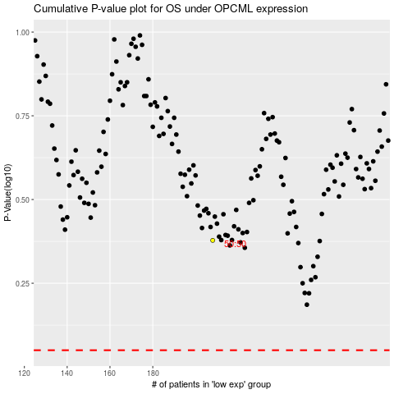

 |  |  |  |  |  | cases_OS | p_OS | rank | exp
 |  |  |  |  |  |  | cases_RFS | p_RFS | rank | exp

