OPHN1 _multivariate
Reported by Tex Li-Hsing Chi. tex@gate.sinica.edu.tw 2019-08-17

Table 2. The clinicopathological features of HNSCC cohort and OPHN1 expression. (Chi square test)
Cutoff at -0.278 (45.9%)
 |  | OPHN1 expression |  | OPHN1 expression |  | (Optimised)
 | Features | Low | (%) | High | (%) | Case no | P-value | Remark | Matthews
Gender | Female | 141 | 34 | 165 | 39.8 | 415 | 1 | 0 | 0
2 | Male | 50 | 12 | 59 | 14.2
Age at diagnosis | <=65y | 125 | 30.1 | 149 | 35.9 | 415 | 0.8997 | 0 | 0
4 | >65y | 66 | 15.9 | 75 | 18.1
Clinical T Status | T1+T2 | 70 | 16.9 | 79 | 19 | 415 | 0.8495 | 0 | 0
6 | T3+T4 | 121 | 29.2 | 145 | 34.9
Clinical N Status | N0 | 101 | 24.3 | 115 | 27.7 | 415 | 0.8302 | 0 | 0
8 | N1-3 | 90 | 21.7 | 109 | 26.3
Clinical M Status | M0 | 189 | 45.5 | 223 | 53.7 | 415 | 0.5966 | 0 | 0
10 | M1 | 2 | 0.5 | 1 | 0.2
Clinical Stage | Stage I+II | 52 | 12.5 | 50 | 12 | 415 | 0.2974 | 0 | 0
12 | Stage III+IV | 139 | 33.5 | 174 | 41.9
Surgical Margin status | Negative | 145 | 34.9 | 173 | 41.7 | 415 | 0.8161 | 0 | 0
14 | Positive | 46 | 11.1 | 51 | 12.3
Tobacco Exposure | Low | 80 | 19.3 | 81 | 19.5 | 415 | 0.2664 | 0 | 0
16 | High | 111 | 26.7 | 143 | 34.5

Table 3. Univariate/Multivariate Cox's proportional hazards regression analyses on OS time of OPHN1 gene expression in HNSCC

 |  | Univariate |  |  |  | Multivariate
 | Features | HR | CI95%(L) | CI95%(H) | P-value | HR | CI95%(L) | CI95%(H) | P-value
1 | Female | 1 |  |  |  | 1
Gender | Male | 1.157 | 0.843 | 1.587 | 0.367 | 1.189 | 0.852 | 1.658 | 0.309
11 | <=65y | 1 |  |  |  | 1
Age at diagnosis | >65y | 1.329 | 0.99 | 1.784 | 0.058 | 1.408 | 1.036 | 1.915 | 0.029
12 | T1+T2 | 1 |  |  |  | 1
Clinical T Status | T3+T4 | 1.409 | 1.028 | 1.931 | 0.033 | 2.297 | 1.214 | 4.346 | 0.011
13 | N0 | 1 |  |  |  | 1
Clinical N Status | N1-3 | 1.185 | 0.89 | 1.577 | 0.246 | 1.247 | 0.874 | 1.78 | 0.223
14 | M0 | 1 |  |  |  | 1
Clinical M Status | M1 | 4.097 | 1.009 | 16.644 | 0.049 | 10.288 | 2.238 | 47.296 | 0.003
15 | Stage I+II | 1 |  |  |  | 1
Clinical Stage | Stage III+IV | 1.245 | 0.882 | 1.759 | 0.213 | 0.456 | 0.211 | 0.984 | 0.045
16 | Negative | 1 |  |  |  | 1
Surgical Margin status | Positive | 1.591 | 1.155 | 2.191 | 0.004 | 1.704 | 1.232 | 2.357 | 0.001
17 | Low | 1 |  |  |  | 1
Tobacco Exposure | High | 1.364 | 1.008 | 1.844 | 0.044 | 1.431 | 1.04 | 1.968 | 0.028
18 | Low | 1 |  |  |  | 1
RNAseq(z-score) | High | 1.386 | 1.031 | 1.864 | 0.031 | 1.409 | 1.042 | 1.903 | 0.026

Table 4. Univariate/Multivariate Cox's proportional hazards regression analyses on RFS time of OPHN1 gene expression in HNSCC

 |  | Univariate |  |  |  | Multivariate
 | Features | HR | CI95%(L) | CI95%(H) | P-value | HR | CI95%(L) | CI95%(H) | P-value
1 | Female | 1 |  |  |  | 1
Gender | Male | 1.157 | 0.843 | 1.587 | 0.367 | 1.189 | 0.852 | 1.658 | 0.309
11 | <=65y | 1 |  |  |  | 1
Age at diagnosis | >65y | 1.329 | 0.99 | 1.784 | 0.058 | 1.408 | 1.036 | 1.915 | 0.029
12 | T1+T2 | 1 |  |  |  | 1
Clinical T Status | T3+T4 | 1.409 | 1.028 | 1.931 | 0.033 | 2.297 | 1.214 | 4.346 | 0.011
13 | N0 | 1 |  |  |  | 1
Clinical N Status | N1-3 | 1.185 | 0.89 | 1.577 | 0.246 | 1.247 | 0.874 | 1.78 | 0.223
14 | M0 | 1 |  |  |  | 1
Clinical M Status | M1 | 4.097 | 1.009 | 16.644 | 0.049 | 10.288 | 2.238 | 47.296 | 0.003
15 | Stage I+II | 1 |  |  |  | 1
Clinical Stage | Stage III+IV | 1.245 | 0.882 | 1.759 | 0.213 | 0.456 | 0.211 | 0.984 | 0.045
16 | Negative | 1 |  |  |  | 1
Surgical Margin status | Positive | 1.591 | 1.155 | 2.191 | 0.004 | 1.704 | 1.232 | 2.357 | 0.001
17 | Low | 1 |  |  |  | 1
Tobacco Exposure | High | 1.364 | 1.008 | 1.844 | 0.044 | 1.431 | 1.04 | 1.968 | 0.028
18 | Low | 1 |  |  |  | 1
RNAseq(z-score) | High | 1.386 | 1.031 | 1.864 | 0.031 | 1.409 | 1.042 | 1.903 | 0.026

Kaplan-Meier survival estimate: Cutoff at -0.278 (45.9%)



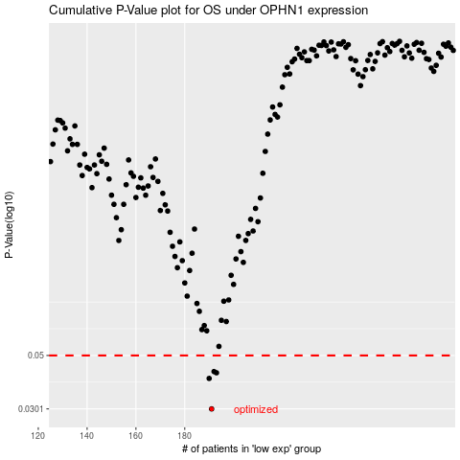

 |  |  |  |  |  | cases_OS | p_OS | rank | exp
 |  |  |  |  |  | 191 | 0.0301 | 216 | -0.27811894227
 |  |  |  |  |  | 190 | 0.0402 | 140 | -0.27983920546
 |  |  |  |  |  | 193 | 0.0424 | 117 | -0.27132329267
 |  |  |  |  |  | 192 | 0.0429 | 259 | -0.27790487986
 |  |  |  |  |  |  | cases_RFS | p_RFS | rank | exp
 |  |  |  |  |  |  | 190 | 0.0301 | 140 | -0.27983920546
 |  |  |  |  |  |  | 189 | 0.0402 | 182 | -0.28084186046
 |  |  |  |  |  |  | 192 | 0.0424 | 259 | -0.27790487986
 |  |  |  |  |  |  | 191 | 0.0429 | 216 | -0.27811894227

