OPLAH _multivariate
Reported by Tex Li-Hsing Chi. tex@gate.sinica.edu.tw 2019-08-17

Table 2. The clinicopathological features of HNSCC cohort and OPLAH expression. (Chi square test)
Cutoff at -0.301 (49.8%)
 |  | OPLAH expression |  | OPLAH expression |  | (Optimised)
 | Features | Low | (%) | High | (%) | Case no | P-value | Remark | Matthews
Gender | Female | 145 | 34.9 | 161 | 38.8 | 415 | 0.1116 | 0 | 0
2 | Male | 62 | 14.9 | 47 | 11.3
Age at diagnosis | <=65y | 127 | 30.6 | 147 | 35.4 | 415 | 0.0573 | 0 | 0
4 | >65y | 80 | 19.3 | 61 | 14.7
Clinical T Status | T1+T2 | 72 | 17.3 | 77 | 18.6 | 415 | 0.7095 | 0 | 0
6 | T3+T4 | 135 | 32.5 | 131 | 31.6
Clinical N Status | N0 | 105 | 25.3 | 111 | 26.7 | 415 | 0.6598 | 0 | 0
8 | N1-3 | 102 | 24.6 | 97 | 23.4
Clinical M Status | M0 | 205 | 49.4 | 207 | 49.9 | 415 | 0.6232 | 0 | 0
10 | M1 | 2 | 0.5 | 1 | 0.2
Clinical Stage | Stage I+II | 48 | 11.6 | 54 | 13 | 415 | 0.5878 | 0 | 0
12 | Stage III+IV | 159 | 38.3 | 154 | 37.1
Surgical Margin status | Negative | 157 | 37.8 | 161 | 38.8 | 415 | 0.729 | 0 | 0
14 | Positive | 50 | 12 | 47 | 11.3
Tobacco Exposure | Low | 101 | 24.3 | 60 | 14.5 | 415 | 0 | 1 | 0
16 | High | 106 | 25.5 | 148 | 35.7

Table 3. Univariate/Multivariate Cox's proportional hazards regression analyses on OS time of OPLAH gene expression in HNSCC

 |  | Univariate |  |  |  | Multivariate
 | Features | HR | CI95%(L) | CI95%(H) | P-value | HR | CI95%(L) | CI95%(H) | P-value
1 | Female | 1 |  |  |  | 1
Gender | Male | 1.157 | 0.843 | 1.587 | 0.367 | 1.151 | 0.821 | 1.614 | 0.414
11 | <=65y | 1 |  |  |  | 1
Age at diagnosis | >65y | 1.329 | 0.99 | 1.784 | 0.058 | 1.348 | 0.99 | 1.836 | 0.058
12 | T1+T2 | 1 |  |  |  | 1
Clinical T Status | T3+T4 | 1.409 | 1.028 | 1.931 | 0.033 | 2.225 | 1.176 | 4.211 | 0.014
13 | N0 | 1 |  |  |  | 1
Clinical N Status | N1-3 | 1.185 | 0.89 | 1.577 | 0.246 | 1.249 | 0.875 | 1.781 | 0.22
14 | M0 | 1 |  |  |  | 1
Clinical M Status | M1 | 4.097 | 1.009 | 16.644 | 0.049 | 9.098 | 1.984 | 41.719 | 0.004
15 | Stage I+II | 1 |  |  |  | 1
Clinical Stage | Stage III+IV | 1.245 | 0.882 | 1.759 | 0.213 | 0.495 | 0.231 | 1.063 | 0.071
16 | Negative | 1 |  |  |  | 1
Surgical Margin status | Positive | 1.591 | 1.155 | 2.191 | 0.004 | 1.704 | 1.232 | 2.357 | 0.001
17 | Low | 1 |  |  |  | 1
Tobacco Exposure | High | 1.364 | 1.008 | 1.844 | 0.044 | 1.49 | 1.08 | 2.055 | 0.015
18 | Low | 1 |  |  |  | 1
RNAseq(z-score) | High | 0.787 | 0.59 | 1.05 | 0.103 | 0.772 | 0.572 | 1.042 | 0.09

Table 4. Univariate/Multivariate Cox's proportional hazards regression analyses on RFS time of OPLAH gene expression in HNSCC

 |  | Univariate |  |  |  | Multivariate
 | Features | HR | CI95%(L) | CI95%(H) | P-value | HR | CI95%(L) | CI95%(H) | P-value
1 | Female | 1 |  |  |  | 1
Gender | Male | 1.157 | 0.843 | 1.587 | 0.367 | 1.151 | 0.821 | 1.614 | 0.414
11 | <=65y | 1 |  |  |  | 1
Age at diagnosis | >65y | 1.329 | 0.99 | 1.784 | 0.058 | 1.348 | 0.99 | 1.836 | 0.058
12 | T1+T2 | 1 |  |  |  | 1
Clinical T Status | T3+T4 | 1.409 | 1.028 | 1.931 | 0.033 | 2.225 | 1.176 | 4.211 | 0.014
13 | N0 | 1 |  |  |  | 1
Clinical N Status | N1-3 | 1.185 | 0.89 | 1.577 | 0.246 | 1.249 | 0.875 | 1.781 | 0.22
14 | M0 | 1 |  |  |  | 1
Clinical M Status | M1 | 4.097 | 1.009 | 16.644 | 0.049 | 9.098 | 1.984 | 41.719 | 0.004
15 | Stage I+II | 1 |  |  |  | 1
Clinical Stage | Stage III+IV | 1.245 | 0.882 | 1.759 | 0.213 | 0.495 | 0.231 | 1.063 | 0.071
16 | Negative | 1 |  |  |  | 1
Surgical Margin status | Positive | 1.591 | 1.155 | 2.191 | 0.004 | 1.704 | 1.232 | 2.357 | 0.001
17 | Low | 1 |  |  |  | 1
Tobacco Exposure | High | 1.364 | 1.008 | 1.844 | 0.044 | 1.49 | 1.08 | 2.055 | 0.015
18 | Low | 1 |  |  |  | 1
RNAseq(z-score) | High | 0.787 | 0.59 | 1.05 | 0.103 | 0.772 | 0.572 | 1.042 | 0.09

Kaplan-Meier survival estimate: Cutoff at -0.301 (49.8%)



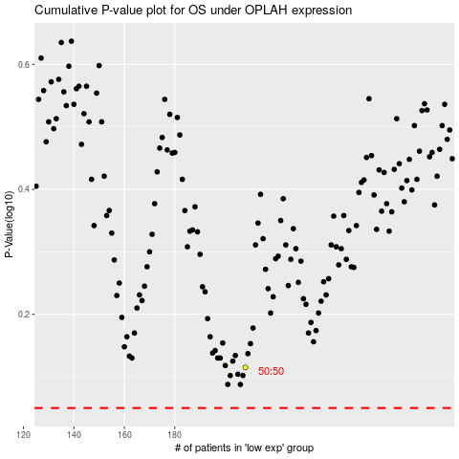

 |  |  |  |  |  | cases_OS | p_OS | rank | exp
 |  |  |  |  |  |  | cases_RFS | p_RFS | rank | exp

