OPN4 _multivariate
Reported by Tex Li-Hsing Chi. tex@gate.sinica.edu.tw 2019-08-17

Table 2. The clinicopathological features of HNSCC cohort and OPN4 expression. (Chi square test)
Cutoff at -0.134 (49.3%)
 |  | OPN4 expression |  | OPN4 expression |  | (Optimised)
 | Features | Low | (%) | High | (%) | Case no | P-value | Remark | Matthews
Gender | Female | 143 | 34.5 | 163 | 39.3 | 415 | 0.0876 | 0 | 0
2 | Male | 62 | 14.9 | 47 | 11.3
Age at diagnosis | <=65y | 133 | 32 | 141 | 34 | 415 | 0.7014 | 0 | 0
4 | >65y | 72 | 17.3 | 69 | 16.6
Clinical T Status | T1+T2 | 86 | 20.7 | 63 | 15.2 | 415 | 0.0149 | 1 | 0
6 | T3+T4 | 119 | 28.7 | 147 | 35.4
Clinical N Status | N0 | 102 | 24.6 | 114 | 27.5 | 415 | 0.4093 | 0 | 0
8 | N1-3 | 103 | 24.8 | 96 | 23.1
Clinical M Status | M0 | 202 | 48.7 | 210 | 50.6 | 415 | 0.1196 | 0 | 0
10 | M1 | 3 | 0.7 | 0 | 0
Clinical Stage | Stage I+II | 54 | 13 | 48 | 11.6 | 415 | 0.4776 | 0 | 0
12 | Stage III+IV | 151 | 36.4 | 162 | 39
Surgical Margin status | Negative | 148 | 35.7 | 170 | 41 | 415 | 0.0374 | 1 | 0
14 | Positive | 57 | 13.7 | 40 | 9.6
Tobacco Exposure | Low | 98 | 23.6 | 63 | 15.2 | 415 | 3e-04 | 1 | 0
16 | High | 107 | 25.8 | 147 | 35.4

Table 3. Univariate/Multivariate Cox's proportional hazards regression analyses on OS time of OPN4 gene expression in HNSCC

 |  | Univariate |  |  |  | Multivariate
 | Features | HR | CI95%(L) | CI95%(H) | P-value | HR | CI95%(L) | CI95%(H) | P-value
1 | Female | 1 |  |  |  | 1
Gender | Male | 1.157 | 0.843 | 1.587 | 0.367 | 1.205 | 0.862 | 1.684 | 0.276
11 | <=65y | 1 |  |  |  | 1
Age at diagnosis | >65y | 1.329 | 0.99 | 1.784 | 0.058 | 1.421 | 1.044 | 1.934 | 0.025
12 | T1+T2 | 1 |  |  |  | 1
Clinical T Status | T3+T4 | 1.409 | 1.028 | 1.931 | 0.033 | 2.514 | 1.324 | 4.777 | 0.005
13 | N0 | 1 |  |  |  | 1
Clinical N Status | N1-3 | 1.185 | 0.89 | 1.577 | 0.246 | 1.199 | 0.84 | 1.713 | 0.318
14 | M0 | 1 |  |  |  | 1
Clinical M Status | M1 | 4.097 | 1.009 | 16.644 | 0.049 | 8.664 | 1.887 | 39.787 | 0.005
15 | Stage I+II | 1 |  |  |  | 1
Clinical Stage | Stage III+IV | 1.245 | 0.882 | 1.759 | 0.213 | 0.477 | 0.222 | 1.023 | 0.057
16 | Negative | 1 |  |  |  | 1
Surgical Margin status | Positive | 1.591 | 1.155 | 2.191 | 0.004 | 1.576 | 1.137 | 2.183 | 0.006
17 | Low | 1 |  |  |  | 1
Tobacco Exposure | High | 1.364 | 1.008 | 1.844 | 0.044 | 1.626 | 1.167 | 2.265 | 0.004
18 | Low | 1 |  |  |  | 1
RNAseq(z-score) | High | 0.721 | 0.54 | 0.963 | 0.027 | 0.637 | 0.467 | 0.869 | 0.004

Table 4. Univariate/Multivariate Cox's proportional hazards regression analyses on RFS time of OPN4 gene expression in HNSCC

 |  | Univariate |  |  |  | Multivariate
 | Features | HR | CI95%(L) | CI95%(H) | P-value | HR | CI95%(L) | CI95%(H) | P-value
1 | Female | 1 |  |  |  | 1
Gender | Male | 1.157 | 0.843 | 1.587 | 0.367 | 1.205 | 0.862 | 1.684 | 0.276
11 | <=65y | 1 |  |  |  | 1
Age at diagnosis | >65y | 1.329 | 0.99 | 1.784 | 0.058 | 1.421 | 1.044 | 1.934 | 0.025
12 | T1+T2 | 1 |  |  |  | 1
Clinical T Status | T3+T4 | 1.409 | 1.028 | 1.931 | 0.033 | 2.514 | 1.324 | 4.777 | 0.005
13 | N0 | 1 |  |  |  | 1
Clinical N Status | N1-3 | 1.185 | 0.89 | 1.577 | 0.246 | 1.199 | 0.84 | 1.713 | 0.318
14 | M0 | 1 |  |  |  | 1
Clinical M Status | M1 | 4.097 | 1.009 | 16.644 | 0.049 | 8.664 | 1.887 | 39.787 | 0.005
15 | Stage I+II | 1 |  |  |  | 1
Clinical Stage | Stage III+IV | 1.245 | 0.882 | 1.759 | 0.213 | 0.477 | 0.222 | 1.023 | 0.057
16 | Negative | 1 |  |  |  | 1
Surgical Margin status | Positive | 1.591 | 1.155 | 2.191 | 0.004 | 1.576 | 1.137 | 2.183 | 0.006
17 | Low | 1 |  |  |  | 1
Tobacco Exposure | High | 1.364 | 1.008 | 1.844 | 0.044 | 1.626 | 1.167 | 2.265 | 0.004
18 | Low | 1 |  |  |  | 1
RNAseq(z-score) | High | 0.721 | 0.54 | 0.963 | 0.027 | 0.637 | 0.467 | 0.869 | 0.004

Kaplan-Meier survival estimate: Cutoff at -0.134 (49.3%)



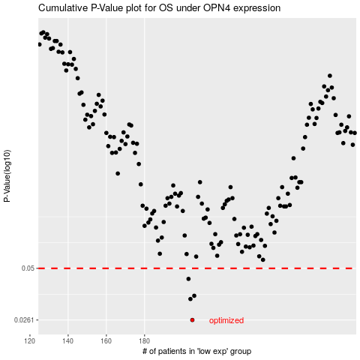

 |  |  |  |  |  | cases_OS | p_OS | rank | exp
 |  |  |  |  |  | 205 | 0.0261 | 111 | -0.13360691241
 |  |  |  |  |  | 204 | 0.034 | 117 | -0.1340271509
 |  |  |  |  |  | 206 | 0.0354 | 219 | -0.13301297535
 |  |  |  |  |  | 203 | 0.0438 | 65 | -0.13412800814
 |  |  |  |  |  |  | cases_RFS | p_RFS | rank | exp
 |  |  |  |  |  |  | 204 | 0.0261 | 117 | -0.1340271509
 |  |  |  |  |  |  | 203 | 0.034 | 65 | -0.13412800814
 |  |  |  |  |  |  | 205 | 0.0354 | 111 | -0.13360691241
 |  |  |  |  |  |  | 202 | 0.0438 | 276 | -0.13421205583

