OPTN _multivariate
Reported by Tex Li-Hsing Chi. tex@gate.sinica.edu.tw 2019-08-17

Table 2. The clinicopathological features of HNSCC cohort and OPTN expression. (Chi square test)
Cutoff at -0.187 (50.0%)
 |  | OPTN expression |  | OPTN expression |  | (Optimised)
 | Features | Low | (%) | High | (%) | Case no | P-value | Remark | Matthews
Gender | Female | 166 | 40 | 140 | 33.7 | 415 | 0.0041 | 1 | 0
2 | Male | 41 | 9.9 | 68 | 16.4
Age at diagnosis | <=65y | 138 | 33.3 | 136 | 32.8 | 415 | 0.8634 | 0 | 0
4 | >65y | 69 | 16.6 | 72 | 17.3
Clinical T Status | T1+T2 | 71 | 17.1 | 78 | 18.8 | 415 | 0.5638 | 0 | 0
6 | T3+T4 | 136 | 32.8 | 130 | 31.3
Clinical N Status | N0 | 112 | 27 | 104 | 25.1 | 415 | 0.4599 | 0 | 0
8 | N1-3 | 95 | 22.9 | 104 | 25.1
Clinical M Status | M0 | 206 | 49.6 | 206 | 49.6 | 415 | 1 | 0 | 0
10 | M1 | 1 | 0.2 | 2 | 0.5
Clinical Stage | Stage I+II | 48 | 11.6 | 54 | 13 | 415 | 0.5878 | 0 | 0
12 | Stage III+IV | 159 | 38.3 | 154 | 37.1
Surgical Margin status | Negative | 162 | 39 | 156 | 37.6 | 415 | 0.4867 | 0 | 0
14 | Positive | 45 | 10.8 | 52 | 12.5
Tobacco Exposure | Low | 67 | 16.1 | 94 | 22.7 | 415 | 0.0088 | 1 | 0
16 | High | 140 | 33.7 | 114 | 27.5

Table 3. Univariate/Multivariate Cox's proportional hazards regression analyses on OS time of OPTN gene expression in HNSCC

 |  | Univariate |  |  |  | Multivariate
 | Features | HR | CI95%(L) | CI95%(H) | P-value | HR | CI95%(L) | CI95%(H) | P-value
1 | Female | 1 |  |  |  | 1
Gender | Male | 1.157 | 0.843 | 1.587 | 0.367 | 1.174 | 0.837 | 1.646 | 0.352
11 | <=65y | 1 |  |  |  | 1
Age at diagnosis | >65y | 1.329 | 0.99 | 1.784 | 0.058 | 1.403 | 1.031 | 1.909 | 0.031
12 | T1+T2 | 1 |  |  |  | 1
Clinical T Status | T3+T4 | 1.409 | 1.028 | 1.931 | 0.033 | 2.215 | 1.171 | 4.189 | 0.014
13 | N0 | 1 |  |  |  | 1
Clinical N Status | N1-3 | 1.185 | 0.89 | 1.577 | 0.246 | 1.231 | 0.863 | 1.757 | 0.251
14 | M0 | 1 |  |  |  | 1
Clinical M Status | M1 | 4.097 | 1.009 | 16.644 | 0.049 | 9.074 | 1.975 | 41.679 | 0.005
15 | Stage I+II | 1 |  |  |  | 1
Clinical Stage | Stage III+IV | 1.245 | 0.882 | 1.759 | 0.213 | 0.504 | 0.235 | 1.083 | 0.079
16 | Negative | 1 |  |  |  | 1
Surgical Margin status | Positive | 1.591 | 1.155 | 2.191 | 0.004 | 1.66 | 1.201 | 2.294 | 0.002
17 | Low | 1 |  |  |  | 1
Tobacco Exposure | High | 1.364 | 1.008 | 1.844 | 0.044 | 1.48 | 1.071 | 2.045 | 0.018
18 | Low | 1 |  |  |  | 1
RNAseq(z-score) | High | 1.147 | 0.86 | 1.53 | 0.35 | 1.147 | 0.852 | 1.545 | 0.366

Table 4. Univariate/Multivariate Cox's proportional hazards regression analyses on RFS time of OPTN gene expression in HNSCC

 |  | Univariate |  |  |  | Multivariate
 | Features | HR | CI95%(L) | CI95%(H) | P-value | HR | CI95%(L) | CI95%(H) | P-value
1 | Female | 1 |  |  |  | 1
Gender | Male | 1.157 | 0.843 | 1.587 | 0.367 | 1.174 | 0.837 | 1.646 | 0.352
11 | <=65y | 1 |  |  |  | 1
Age at diagnosis | >65y | 1.329 | 0.99 | 1.784 | 0.058 | 1.403 | 1.031 | 1.909 | 0.031
12 | T1+T2 | 1 |  |  |  | 1
Clinical T Status | T3+T4 | 1.409 | 1.028 | 1.931 | 0.033 | 2.215 | 1.171 | 4.189 | 0.014
13 | N0 | 1 |  |  |  | 1
Clinical N Status | N1-3 | 1.185 | 0.89 | 1.577 | 0.246 | 1.231 | 0.863 | 1.757 | 0.251
14 | M0 | 1 |  |  |  | 1
Clinical M Status | M1 | 4.097 | 1.009 | 16.644 | 0.049 | 9.074 | 1.975 | 41.679 | 0.005
15 | Stage I+II | 1 |  |  |  | 1
Clinical Stage | Stage III+IV | 1.245 | 0.882 | 1.759 | 0.213 | 0.504 | 0.235 | 1.083 | 0.079
16 | Negative | 1 |  |  |  | 1
Surgical Margin status | Positive | 1.591 | 1.155 | 2.191 | 0.004 | 1.66 | 1.201 | 2.294 | 0.002
17 | Low | 1 |  |  |  | 1
Tobacco Exposure | High | 1.364 | 1.008 | 1.844 | 0.044 | 1.48 | 1.071 | 2.045 | 0.018
18 | Low | 1 |  |  |  | 1
RNAseq(z-score) | High | 1.147 | 0.86 | 1.53 | 0.35 | 1.147 | 0.852 | 1.545 | 0.366

Kaplan-Meier survival estimate: Cutoff at -0.187 (50.0%)



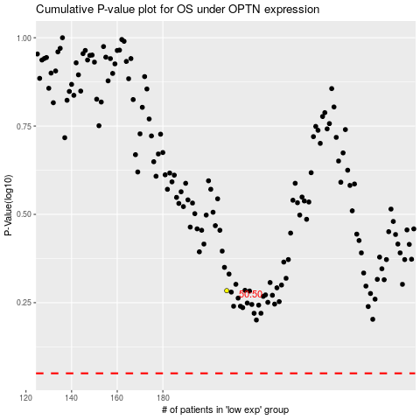

 |  |  |  |  |  | cases_OS | p_OS | rank | exp
 |  |  |  |  |  |  | cases_RFS | p_RFS | rank | exp

