OR13A1 _multivariate
Reported by Tex Li-Hsing Chi. tex@gate.sinica.edu.tw 2019-08-17

Table 2. The clinicopathological features of HNSCC cohort and OR13A1 expression. (Chi square test)
Cutoff at -0.267 (50.0%)
 |  | OR13A1 expression |  | OR13A1 expression |  | (Optimised)
 | Features | Low | (%) | High | (%) | Case no | P-value | Remark | Matthews
Gender | Female | 155 | 37.3 | 151 | 36.4 | 415 | 0.6768 | 0 | 0
2 | Male | 52 | 12.5 | 57 | 13.7
Age at diagnosis | <=65y | 144 | 34.7 | 130 | 31.3 | 415 | 0.1568 | 0 | 0
4 | >65y | 63 | 15.2 | 78 | 18.8
Clinical T Status | T1+T2 | 58 | 14 | 91 | 21.9 | 415 | 0.0012 | 1 | 0
6 | T3+T4 | 149 | 35.9 | 117 | 28.2
Clinical N Status | N0 | 99 | 23.9 | 117 | 28.2 | 415 | 0.1054 | 0 | 0
8 | N1-3 | 108 | 26 | 91 | 21.9
Clinical M Status | M0 | 205 | 49.4 | 207 | 49.9 | 415 | 0.6232 | 0 | 0
10 | M1 | 2 | 0.5 | 1 | 0.2
Clinical Stage | Stage I+II | 39 | 9.4 | 63 | 15.2 | 415 | 0.0095 | 1 | 0
12 | Stage III+IV | 168 | 40.5 | 145 | 34.9
Surgical Margin status | Negative | 159 | 38.3 | 159 | 38.3 | 415 | 1 | 0 | 0
14 | Positive | 48 | 11.6 | 49 | 11.8
Tobacco Exposure | Low | 75 | 18.1 | 86 | 20.7 | 415 | 0.3141 | 0 | 0
16 | High | 132 | 31.8 | 122 | 29.4

Table 3. Univariate/Multivariate Cox's proportional hazards regression analyses on OS time of OR13A1 gene expression in HNSCC

 |  | Univariate |  |  |  | Multivariate
 | Features | HR | CI95%(L) | CI95%(H) | P-value | HR | CI95%(L) | CI95%(H) | P-value
1 | Female | 1 |  |  |  | 1
Gender | Male | 1.157 | 0.843 | 1.587 | 0.367 | 1.2 | 0.859 | 1.676 | 0.286
11 | <=65y | 1 |  |  |  | 1
Age at diagnosis | >65y | 1.329 | 0.99 | 1.784 | 0.058 | 1.402 | 1.03 | 1.91 | 0.032
12 | T1+T2 | 1 |  |  |  | 1
Clinical T Status | T3+T4 | 1.409 | 1.028 | 1.931 | 0.033 | 2.161 | 1.137 | 4.104 | 0.019
13 | N0 | 1 |  |  |  | 1
Clinical N Status | N1-3 | 1.185 | 0.89 | 1.577 | 0.246 | 1.236 | 0.866 | 1.764 | 0.242
14 | M0 | 1 |  |  |  | 1
Clinical M Status | M1 | 4.097 | 1.009 | 16.644 | 0.049 | 9.112 | 1.977 | 41.986 | 0.005
15 | Stage I+II | 1 |  |  |  | 1
Clinical Stage | Stage III+IV | 1.245 | 0.882 | 1.759 | 0.213 | 0.508 | 0.236 | 1.09 | 0.082
16 | Negative | 1 |  |  |  | 1
Surgical Margin status | Positive | 1.591 | 1.155 | 2.191 | 0.004 | 1.677 | 1.213 | 2.317 | 0.002
17 | Low | 1 |  |  |  | 1
Tobacco Exposure | High | 1.364 | 1.008 | 1.844 | 0.044 | 1.458 | 1.057 | 2.011 | 0.021
18 | Low | 1 |  |  |  | 1
RNAseq(z-score) | High | 0.885 | 0.664 | 1.181 | 0.407 | 0.929 | 0.691 | 1.249 | 0.626

Table 4. Univariate/Multivariate Cox's proportional hazards regression analyses on RFS time of OR13A1 gene expression in HNSCC

 |  | Univariate |  |  |  | Multivariate
 | Features | HR | CI95%(L) | CI95%(H) | P-value | HR | CI95%(L) | CI95%(H) | P-value
1 | Female | 1 |  |  |  | 1
Gender | Male | 1.157 | 0.843 | 1.587 | 0.367 | 1.2 | 0.859 | 1.676 | 0.286
11 | <=65y | 1 |  |  |  | 1
Age at diagnosis | >65y | 1.329 | 0.99 | 1.784 | 0.058 | 1.402 | 1.03 | 1.91 | 0.032
12 | T1+T2 | 1 |  |  |  | 1
Clinical T Status | T3+T4 | 1.409 | 1.028 | 1.931 | 0.033 | 2.161 | 1.137 | 4.104 | 0.019
13 | N0 | 1 |  |  |  | 1
Clinical N Status | N1-3 | 1.185 | 0.89 | 1.577 | 0.246 | 1.236 | 0.866 | 1.764 | 0.242
14 | M0 | 1 |  |  |  | 1
Clinical M Status | M1 | 4.097 | 1.009 | 16.644 | 0.049 | 9.112 | 1.977 | 41.986 | 0.005
15 | Stage I+II | 1 |  |  |  | 1
Clinical Stage | Stage III+IV | 1.245 | 0.882 | 1.759 | 0.213 | 0.508 | 0.236 | 1.09 | 0.082
16 | Negative | 1 |  |  |  | 1
Surgical Margin status | Positive | 1.591 | 1.155 | 2.191 | 0.004 | 1.677 | 1.213 | 2.317 | 0.002
17 | Low | 1 |  |  |  | 1
Tobacco Exposure | High | 1.364 | 1.008 | 1.844 | 0.044 | 1.458 | 1.057 | 2.011 | 0.021
18 | Low | 1 |  |  |  | 1
RNAseq(z-score) | High | 0.885 | 0.664 | 1.181 | 0.407 | 0.929 | 0.691 | 1.249 | 0.626

Kaplan-Meier survival estimate: Cutoff at -0.267 (50.0%)



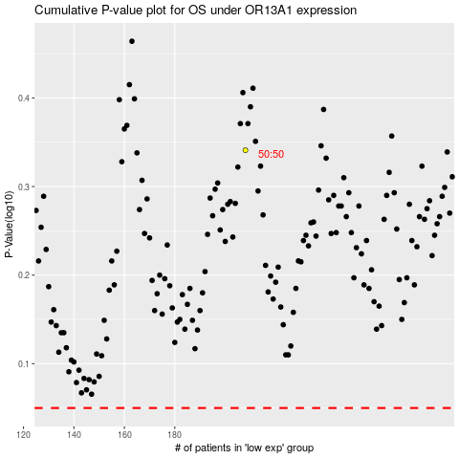

 |  |  |  |  |  | cases_OS | p_OS | rank | exp
 |  |  |  |  |  |  | cases_RFS | p_RFS | rank | exp

