OR2A4 _multivariate
Reported by Tex Li-Hsing Chi. tex@gate.sinica.edu.tw 2019-08-17

Table 2. The clinicopathological features of HNSCC cohort and OR2A4 expression. (Chi square test)
Cutoff at -0.322 (50.0%)
 |  | OR2A4 expression |  | OR2A4 expression |  | (Optimised)
 | Features | Low | (%) | High | (%) | Case no | P-value | Remark | Matthews
Gender | Female | 155 | 37.3 | 151 | 36.4 | 415 | 0.6768 | 0 | 0
2 | Male | 52 | 12.5 | 57 | 13.7
Age at diagnosis | <=65y | 140 | 33.7 | 134 | 32.3 | 415 | 0.5574 | 0 | 0
4 | >65y | 67 | 16.1 | 74 | 17.8
Clinical T Status | T1+T2 | 78 | 18.8 | 71 | 17.1 | 415 | 0.5152 | 0 | 0
6 | T3+T4 | 129 | 31.1 | 137 | 33
Clinical N Status | N0 | 102 | 24.6 | 114 | 27.5 | 415 | 0.3031 | 0 | 0
8 | N1-3 | 105 | 25.3 | 94 | 22.7
Clinical M Status | M0 | 204 | 49.2 | 208 | 50.1 | 415 | 0.1232 | 0 | 0
10 | M1 | 3 | 0.7 | 0 | 0
Clinical Stage | Stage I+II | 52 | 12.5 | 50 | 12 | 415 | 0.8871 | 0 | 0
12 | Stage III+IV | 155 | 37.3 | 158 | 38.1
Surgical Margin status | Negative | 163 | 39.3 | 155 | 37.3 | 415 | 0.3537 | 0 | 0
14 | Positive | 44 | 10.6 | 53 | 12.8
Tobacco Exposure | Low | 74 | 17.8 | 87 | 21 | 415 | 0.227 | 0 | 0
16 | High | 133 | 32 | 121 | 29.2

Table 3. Univariate/Multivariate Cox's proportional hazards regression analyses on OS time of OR2A4 gene expression in HNSCC

 |  | Univariate |  |  |  | Multivariate
 | Features | HR | CI95%(L) | CI95%(H) | P-value | HR | CI95%(L) | CI95%(H) | P-value
1 | Female | 1 |  |  |  | 1
Gender | Male | 1.157 | 0.843 | 1.587 | 0.367 | 1.197 | 0.856 | 1.673 | 0.294
11 | <=65y | 1 |  |  |  | 1
Age at diagnosis | >65y | 1.329 | 0.99 | 1.784 | 0.058 | 1.394 | 1.026 | 1.896 | 0.034
12 | T1+T2 | 1 |  |  |  | 1
Clinical T Status | T3+T4 | 1.409 | 1.028 | 1.931 | 0.033 | 2.198 | 1.162 | 4.156 | 0.015
13 | N0 | 1 |  |  |  | 1
Clinical N Status | N1-3 | 1.185 | 0.89 | 1.577 | 0.246 | 1.234 | 0.865 | 1.762 | 0.246
14 | M0 | 1 |  |  |  | 1
Clinical M Status | M1 | 4.097 | 1.009 | 16.644 | 0.049 | 9.102 | 1.971 | 42.025 | 0.005
15 | Stage I+II | 1 |  |  |  | 1
Clinical Stage | Stage III+IV | 1.245 | 0.882 | 1.759 | 0.213 | 0.508 | 0.237 | 1.092 | 0.083
16 | Negative | 1 |  |  |  | 1
Surgical Margin status | Positive | 1.591 | 1.155 | 2.191 | 0.004 | 1.677 | 1.214 | 2.318 | 0.002
17 | Low | 1 |  |  |  | 1
Tobacco Exposure | High | 1.364 | 1.008 | 1.844 | 0.044 | 1.448 | 1.05 | 1.996 | 0.024
18 | Low | 1 |  |  |  | 1
RNAseq(z-score) | High | 0.926 | 0.695 | 1.233 | 0.598 | 0.939 | 0.702 | 1.256 | 0.67

Table 4. Univariate/Multivariate Cox's proportional hazards regression analyses on RFS time of OR2A4 gene expression in HNSCC

 |  | Univariate |  |  |  | Multivariate
 | Features | HR | CI95%(L) | CI95%(H) | P-value | HR | CI95%(L) | CI95%(H) | P-value
1 | Female | 1 |  |  |  | 1
Gender | Male | 1.157 | 0.843 | 1.587 | 0.367 | 1.197 | 0.856 | 1.673 | 0.294
11 | <=65y | 1 |  |  |  | 1
Age at diagnosis | >65y | 1.329 | 0.99 | 1.784 | 0.058 | 1.394 | 1.026 | 1.896 | 0.034
12 | T1+T2 | 1 |  |  |  | 1
Clinical T Status | T3+T4 | 1.409 | 1.028 | 1.931 | 0.033 | 2.198 | 1.162 | 4.156 | 0.015
13 | N0 | 1 |  |  |  | 1
Clinical N Status | N1-3 | 1.185 | 0.89 | 1.577 | 0.246 | 1.234 | 0.865 | 1.762 | 0.246
14 | M0 | 1 |  |  |  | 1
Clinical M Status | M1 | 4.097 | 1.009 | 16.644 | 0.049 | 9.102 | 1.971 | 42.025 | 0.005
15 | Stage I+II | 1 |  |  |  | 1
Clinical Stage | Stage III+IV | 1.245 | 0.882 | 1.759 | 0.213 | 0.508 | 0.237 | 1.092 | 0.083
16 | Negative | 1 |  |  |  | 1
Surgical Margin status | Positive | 1.591 | 1.155 | 2.191 | 0.004 | 1.677 | 1.214 | 2.318 | 0.002
17 | Low | 1 |  |  |  | 1
Tobacco Exposure | High | 1.364 | 1.008 | 1.844 | 0.044 | 1.448 | 1.05 | 1.996 | 0.024
18 | Low | 1 |  |  |  | 1
RNAseq(z-score) | High | 0.926 | 0.695 | 1.233 | 0.598 | 0.939 | 0.702 | 1.256 | 0.67

Kaplan-Meier survival estimate: Cutoff at -0.322 (50.0%)



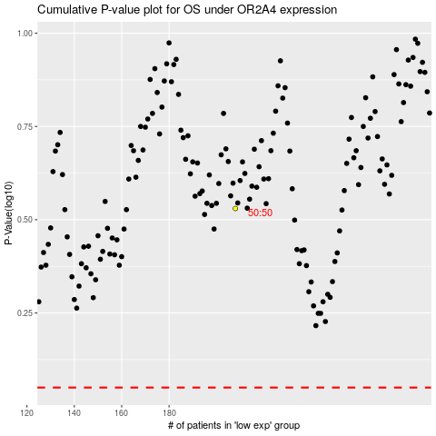

 |  |  |  |  |  | cases_OS | p_OS | rank | exp
 |  |  |  |  |  |  | cases_RFS | p_RFS | rank | exp

