OR2A7 _multivariate
Reported by Tex Li-Hsing Chi. tex@gate.sinica.edu.tw 2019-08-17

Table 2. The clinicopathological features of HNSCC cohort and OR2A7 expression. (Chi square test)
Cutoff at -0.249 (50.0%)
 |  | OR2A7 expression |  | OR2A7 expression |  | (Optimised)
 | Features | Low | (%) | High | (%) | Case no | P-value | Remark | Matthews
Gender | Female | 157 | 37.8 | 149 | 35.9 | 415 | 0.3881 | 0 | 0
2 | Male | 50 | 12 | 59 | 14.2
Age at diagnosis | <=65y | 141 | 34 | 133 | 32 | 415 | 0.4272 | 0 | 0
4 | >65y | 66 | 15.9 | 75 | 18.1
Clinical T Status | T1+T2 | 83 | 20 | 66 | 15.9 | 415 | 0.0941 | 0 | 0
6 | T3+T4 | 124 | 29.9 | 142 | 34.2
Clinical N Status | N0 | 99 | 23.9 | 117 | 28.2 | 415 | 0.1054 | 0 | 0
8 | N1-3 | 108 | 26 | 91 | 21.9
Clinical M Status | M0 | 205 | 49.4 | 207 | 49.9 | 415 | 0.6232 | 0 | 0
10 | M1 | 2 | 0.5 | 1 | 0.2
Clinical Stage | Stage I+II | 50 | 12 | 52 | 12.5 | 415 | 0.9315 | 0 | 0
12 | Stage III+IV | 157 | 37.8 | 156 | 37.6
Surgical Margin status | Negative | 165 | 39.8 | 153 | 36.9 | 415 | 0.1639 | 0 | 0
14 | Positive | 42 | 10.1 | 55 | 13.3
Tobacco Exposure | Low | 83 | 20 | 78 | 18.8 | 415 | 0.6152 | 0 | 0
16 | High | 124 | 29.9 | 130 | 31.3

Table 3. Univariate/Multivariate Cox's proportional hazards regression analyses on OS time of OR2A7 gene expression in HNSCC

 |  | Univariate |  |  |  | Multivariate
 | Features | HR | CI95%(L) | CI95%(H) | P-value | HR | CI95%(L) | CI95%(H) | P-value
1 | Female | 1 |  |  |  | 1
Gender | Male | 1.157 | 0.843 | 1.587 | 0.367 | 1.204 | 0.862 | 1.682 | 0.277
11 | <=65y | 1 |  |  |  | 1
Age at diagnosis | >65y | 1.329 | 0.99 | 1.784 | 0.058 | 1.397 | 1.027 | 1.9 | 0.033
12 | T1+T2 | 1 |  |  |  | 1
Clinical T Status | T3+T4 | 1.409 | 1.028 | 1.931 | 0.033 | 2.233 | 1.176 | 4.237 | 0.014
13 | N0 | 1 |  |  |  | 1
Clinical N Status | N1-3 | 1.185 | 0.89 | 1.577 | 0.246 | 1.233 | 0.863 | 1.761 | 0.25
14 | M0 | 1 |  |  |  | 1
Clinical M Status | M1 | 4.097 | 1.009 | 16.644 | 0.049 | 9.385 | 2.047 | 43.026 | 0.004
15 | Stage I+II | 1 |  |  |  | 1
Clinical Stage | Stage III+IV | 1.245 | 0.882 | 1.759 | 0.213 | 0.501 | 0.233 | 1.076 | 0.076
16 | Negative | 1 |  |  |  | 1
Surgical Margin status | Positive | 1.591 | 1.155 | 2.191 | 0.004 | 1.682 | 1.215 | 2.328 | 0.002
17 | Low | 1 |  |  |  | 1
Tobacco Exposure | High | 1.364 | 1.008 | 1.844 | 0.044 | 1.461 | 1.059 | 2.016 | 0.021
18 | Low | 1 |  |  |  | 1
RNAseq(z-score) | High | 1.055 | 0.792 | 1.405 | 0.715 | 0.942 | 0.702 | 1.264 | 0.692

Table 4. Univariate/Multivariate Cox's proportional hazards regression analyses on RFS time of OR2A7 gene expression in HNSCC

 |  | Univariate |  |  |  | Multivariate
 | Features | HR | CI95%(L) | CI95%(H) | P-value | HR | CI95%(L) | CI95%(H) | P-value
1 | Female | 1 |  |  |  | 1
Gender | Male | 1.157 | 0.843 | 1.587 | 0.367 | 1.204 | 0.862 | 1.682 | 0.277
11 | <=65y | 1 |  |  |  | 1
Age at diagnosis | >65y | 1.329 | 0.99 | 1.784 | 0.058 | 1.397 | 1.027 | 1.9 | 0.033
12 | T1+T2 | 1 |  |  |  | 1
Clinical T Status | T3+T4 | 1.409 | 1.028 | 1.931 | 0.033 | 2.233 | 1.176 | 4.237 | 0.014
13 | N0 | 1 |  |  |  | 1
Clinical N Status | N1-3 | 1.185 | 0.89 | 1.577 | 0.246 | 1.233 | 0.863 | 1.761 | 0.25
14 | M0 | 1 |  |  |  | 1
Clinical M Status | M1 | 4.097 | 1.009 | 16.644 | 0.049 | 9.385 | 2.047 | 43.026 | 0.004
15 | Stage I+II | 1 |  |  |  | 1
Clinical Stage | Stage III+IV | 1.245 | 0.882 | 1.759 | 0.213 | 0.501 | 0.233 | 1.076 | 0.076
16 | Negative | 1 |  |  |  | 1
Surgical Margin status | Positive | 1.591 | 1.155 | 2.191 | 0.004 | 1.682 | 1.215 | 2.328 | 0.002
17 | Low | 1 |  |  |  | 1
Tobacco Exposure | High | 1.364 | 1.008 | 1.844 | 0.044 | 1.461 | 1.059 | 2.016 | 0.021
18 | Low | 1 |  |  |  | 1
RNAseq(z-score) | High | 1.055 | 0.792 | 1.405 | 0.715 | 0.942 | 0.702 | 1.264 | 0.692

Kaplan-Meier survival estimate: Cutoff at -0.249 (50.0%)



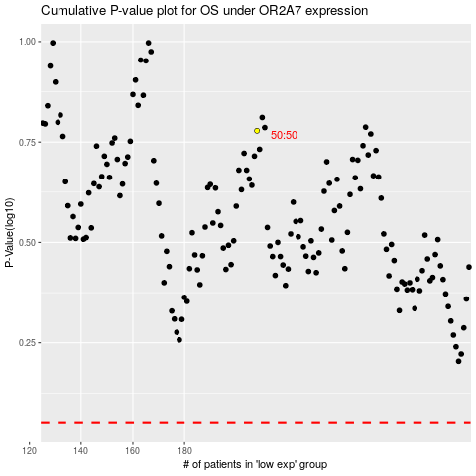

 |  |  |  |  |  | cases_OS | p_OS | rank | exp
 |  |  |  |  |  |  | cases_RFS | p_RFS | rank | exp

