OR7D2 _multivariate
Reported by Tex Li-Hsing Chi. tex@gate.sinica.edu.tw 2019-08-17

Table 2. The clinicopathological features of HNSCC cohort and OR7D2 expression. (Chi square test)
Cutoff at -0.277 (49.8%)
 |  | OR7D2 expression |  | OR7D2 expression |  | (Optimised)
 | Features | Low | (%) | High | (%) | Case no | P-value | Remark | Matthews
Gender | Female | 144 | 34.7 | 162 | 39 | 415 | 0.0697 | 0 | 0
2 | Male | 63 | 15.2 | 46 | 11.1
Age at diagnosis | <=65y | 140 | 33.7 | 134 | 32.3 | 415 | 0.5574 | 0 | 0
4 | >65y | 67 | 16.1 | 74 | 17.8
Clinical T Status | T1+T2 | 74 | 17.8 | 75 | 18.1 | 415 | 1 | 0 | 0
6 | T3+T4 | 133 | 32 | 133 | 32
Clinical N Status | N0 | 122 | 29.4 | 94 | 22.7 | 415 | 0.0068 | 1 | 0
8 | N1-3 | 85 | 20.5 | 114 | 27.5
Clinical M Status | M0 | 204 | 49.2 | 208 | 50.1 | 415 | 0.1232 | 0 | 0
10 | M1 | 3 | 0.7 | 0 | 0
Clinical Stage | Stage I+II | 56 | 13.5 | 46 | 11.1 | 415 | 0.2918 | 0 | 0
12 | Stage III+IV | 151 | 36.4 | 162 | 39
Surgical Margin status | Negative | 159 | 38.3 | 159 | 38.3 | 415 | 1 | 0 | 0
14 | Positive | 48 | 11.6 | 49 | 11.8
Tobacco Exposure | Low | 83 | 20 | 78 | 18.8 | 415 | 0.6152 | 0 | 0
16 | High | 124 | 29.9 | 130 | 31.3

Table 3. Univariate/Multivariate Cox's proportional hazards regression analyses on OS time of OR7D2 gene expression in HNSCC

 |  | Univariate |  |  |  | Multivariate
 | Features | HR | CI95%(L) | CI95%(H) | P-value | HR | CI95%(L) | CI95%(H) | P-value
1 | Female | 1 |  |  |  | 1
Gender | Male | 1.157 | 0.843 | 1.587 | 0.367 | 1.197 | 0.855 | 1.675 | 0.295
11 | <=65y | 1 |  |  |  | 1
Age at diagnosis | >65y | 1.329 | 0.99 | 1.784 | 0.058 | 1.396 | 1.026 | 1.899 | 0.034
12 | T1+T2 | 1 |  |  |  | 1
Clinical T Status | T3+T4 | 1.409 | 1.028 | 1.931 | 0.033 | 2.19 | 1.156 | 4.149 | 0.016
13 | N0 | 1 |  |  |  | 1
Clinical N Status | N1-3 | 1.185 | 0.89 | 1.577 | 0.246 | 1.246 | 0.872 | 1.782 | 0.227
14 | M0 | 1 |  |  |  | 1
Clinical M Status | M1 | 4.097 | 1.009 | 16.644 | 0.049 | 9.179 | 1.972 | 42.722 | 0.005
15 | Stage I+II | 1 |  |  |  | 1
Clinical Stage | Stage III+IV | 1.245 | 0.882 | 1.759 | 0.213 | 0.507 | 0.236 | 1.089 | 0.082
16 | Negative | 1 |  |  |  | 1
Surgical Margin status | Positive | 1.591 | 1.155 | 2.191 | 0.004 | 1.67 | 1.209 | 2.308 | 0.002
17 | Low | 1 |  |  |  | 1
Tobacco Exposure | High | 1.364 | 1.008 | 1.844 | 0.044 | 1.454 | 1.055 | 2.004 | 0.022
18 | Low | 1 |  |  |  | 1
RNAseq(z-score) | High | 0.946 | 0.708 | 1.263 | 0.705 | 0.967 | 0.719 | 1.302 | 0.825

Table 4. Univariate/Multivariate Cox's proportional hazards regression analyses on RFS time of OR7D2 gene expression in HNSCC

 |  | Univariate |  |  |  | Multivariate
 | Features | HR | CI95%(L) | CI95%(H) | P-value | HR | CI95%(L) | CI95%(H) | P-value
1 | Female | 1 |  |  |  | 1
Gender | Male | 1.157 | 0.843 | 1.587 | 0.367 | 1.197 | 0.855 | 1.675 | 0.295
11 | <=65y | 1 |  |  |  | 1
Age at diagnosis | >65y | 1.329 | 0.99 | 1.784 | 0.058 | 1.396 | 1.026 | 1.899 | 0.034
12 | T1+T2 | 1 |  |  |  | 1
Clinical T Status | T3+T4 | 1.409 | 1.028 | 1.931 | 0.033 | 2.19 | 1.156 | 4.149 | 0.016
13 | N0 | 1 |  |  |  | 1
Clinical N Status | N1-3 | 1.185 | 0.89 | 1.577 | 0.246 | 1.246 | 0.872 | 1.782 | 0.227
14 | M0 | 1 |  |  |  | 1
Clinical M Status | M1 | 4.097 | 1.009 | 16.644 | 0.049 | 9.179 | 1.972 | 42.722 | 0.005
15 | Stage I+II | 1 |  |  |  | 1
Clinical Stage | Stage III+IV | 1.245 | 0.882 | 1.759 | 0.213 | 0.507 | 0.236 | 1.089 | 0.082
16 | Negative | 1 |  |  |  | 1
Surgical Margin status | Positive | 1.591 | 1.155 | 2.191 | 0.004 | 1.67 | 1.209 | 2.308 | 0.002
17 | Low | 1 |  |  |  | 1
Tobacco Exposure | High | 1.364 | 1.008 | 1.844 | 0.044 | 1.454 | 1.055 | 2.004 | 0.022
18 | Low | 1 |  |  |  | 1
RNAseq(z-score) | High | 0.946 | 0.708 | 1.263 | 0.705 | 0.967 | 0.719 | 1.302 | 0.825

Kaplan-Meier survival estimate: Cutoff at -0.277 (49.8%)



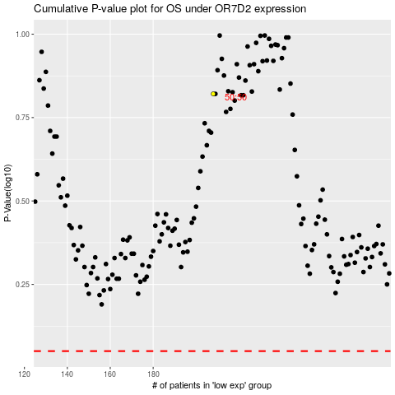

 |  |  |  |  |  | cases_OS | p_OS | rank | exp
 |  |  |  |  |  |  | cases_RFS | p_RFS | rank | exp

