OR7E91P _multivariate
Reported by Tex Li-Hsing Chi. tex@gate.sinica.edu.tw 2019-08-17

Table 2. The clinicopathological features of HNSCC cohort and OR7E91P expression. (Chi square test)
Cutoff at -0.363 (50.0%)
 |  | OR7E91P expression |  | OR7E91P expression |  | (Optimised)
 | Features | Low | (%) | High | (%) | Case no | P-value | Remark | Matthews
Gender | Female | 157 | 37.8 | 149 | 35.9 | 415 | 0.3881 | 0 | 0
2 | Male | 50 | 12 | 59 | 14.2
Age at diagnosis | <=65y | 132 | 31.8 | 142 | 34.2 | 415 | 0.3874 | 0 | 0
4 | >65y | 75 | 18.1 | 66 | 15.9
Clinical T Status | T1+T2 | 81 | 19.5 | 68 | 16.4 | 415 | 0.206 | 0 | 0
6 | T3+T4 | 126 | 30.4 | 140 | 33.7
Clinical N Status | N0 | 103 | 24.8 | 113 | 27.2 | 415 | 0.4047 | 0 | 0
8 | N1-3 | 104 | 25.1 | 95 | 22.9
Clinical M Status | M0 | 206 | 49.6 | 206 | 49.6 | 415 | 1 | 0 | 0
10 | M1 | 1 | 0.2 | 2 | 0.5
Clinical Stage | Stage I+II | 54 | 13 | 48 | 11.6 | 415 | 0.5498 | 0 | 0
12 | Stage III+IV | 153 | 36.9 | 160 | 38.6
Surgical Margin status | Negative | 160 | 38.6 | 158 | 38.1 | 415 | 0.8167 | 0 | 0
14 | Positive | 47 | 11.3 | 50 | 12
Tobacco Exposure | Low | 82 | 19.8 | 79 | 19 | 415 | 0.763 | 0 | 0
16 | High | 125 | 30.1 | 129 | 31.1

Table 3. Univariate/Multivariate Cox's proportional hazards regression analyses on OS time of OR7E91P gene expression in HNSCC

 |  | Univariate |  |  |  | Multivariate
 | Features | HR | CI95%(L) | CI95%(H) | P-value | HR | CI95%(L) | CI95%(H) | P-value
1 | Female | 1 |  |  |  | 1
Gender | Male | 1.157 | 0.843 | 1.587 | 0.367 | 1.229 | 0.878 | 1.72 | 0.229
11 | <=65y | 1 |  |  |  | 1
Age at diagnosis | >65y | 1.329 | 0.99 | 1.784 | 0.058 | 1.383 | 1.017 | 1.881 | 0.039
12 | T1+T2 | 1 |  |  |  | 1
Clinical T Status | T3+T4 | 1.409 | 1.028 | 1.931 | 0.033 | 2.213 | 1.171 | 4.182 | 0.014
13 | N0 | 1 |  |  |  | 1
Clinical N Status | N1-3 | 1.185 | 0.89 | 1.577 | 0.246 | 1.213 | 0.849 | 1.735 | 0.289
14 | M0 | 1 |  |  |  | 1
Clinical M Status | M1 | 4.097 | 1.009 | 16.644 | 0.049 | 10.087 | 2.191 | 46.447 | 0.003
15 | Stage I+II | 1 |  |  |  | 1
Clinical Stage | Stage III+IV | 1.245 | 0.882 | 1.759 | 0.213 | 0.514 | 0.239 | 1.104 | 0.088
16 | Negative | 1 |  |  |  | 1
Surgical Margin status | Positive | 1.591 | 1.155 | 2.191 | 0.004 | 1.664 | 1.204 | 2.298 | 0.002
17 | Low | 1 |  |  |  | 1
Tobacco Exposure | High | 1.364 | 1.008 | 1.844 | 0.044 | 1.454 | 1.055 | 2.004 | 0.022
18 | Low | 1 |  |  |  | 1
RNAseq(z-score) | High | 0.868 | 0.651 | 1.156 | 0.333 | 0.839 | 0.627 | 1.124 | 0.239

Table 4. Univariate/Multivariate Cox's proportional hazards regression analyses on RFS time of OR7E91P gene expression in HNSCC

 |  | Univariate |  |  |  | Multivariate
 | Features | HR | CI95%(L) | CI95%(H) | P-value | HR | CI95%(L) | CI95%(H) | P-value
1 | Female | 1 |  |  |  | 1
Gender | Male | 1.157 | 0.843 | 1.587 | 0.367 | 1.229 | 0.878 | 1.72 | 0.229
11 | <=65y | 1 |  |  |  | 1
Age at diagnosis | >65y | 1.329 | 0.99 | 1.784 | 0.058 | 1.383 | 1.017 | 1.881 | 0.039
12 | T1+T2 | 1 |  |  |  | 1
Clinical T Status | T3+T4 | 1.409 | 1.028 | 1.931 | 0.033 | 2.213 | 1.171 | 4.182 | 0.014
13 | N0 | 1 |  |  |  | 1
Clinical N Status | N1-3 | 1.185 | 0.89 | 1.577 | 0.246 | 1.213 | 0.849 | 1.735 | 0.289
14 | M0 | 1 |  |  |  | 1
Clinical M Status | M1 | 4.097 | 1.009 | 16.644 | 0.049 | 10.087 | 2.191 | 46.447 | 0.003
15 | Stage I+II | 1 |  |  |  | 1
Clinical Stage | Stage III+IV | 1.245 | 0.882 | 1.759 | 0.213 | 0.514 | 0.239 | 1.104 | 0.088
16 | Negative | 1 |  |  |  | 1
Surgical Margin status | Positive | 1.591 | 1.155 | 2.191 | 0.004 | 1.664 | 1.204 | 2.298 | 0.002
17 | Low | 1 |  |  |  | 1
Tobacco Exposure | High | 1.364 | 1.008 | 1.844 | 0.044 | 1.454 | 1.055 | 2.004 | 0.022
18 | Low | 1 |  |  |  | 1
RNAseq(z-score) | High | 0.868 | 0.651 | 1.156 | 0.333 | 0.839 | 0.627 | 1.124 | 0.239

Kaplan-Meier survival estimate: Cutoff at -0.363 (50.0%)



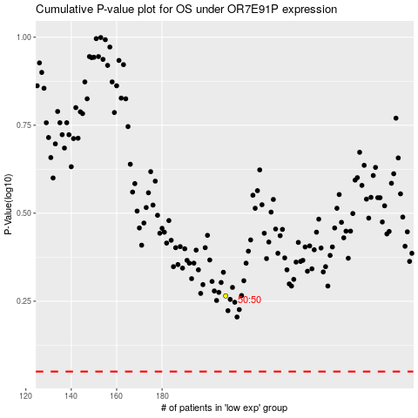

 |  |  |  |  |  | cases_OS | p_OS | rank | exp
 |  |  |  |  |  |  | cases_RFS | p_RFS | rank | exp

