ORAOV1 _multivariate
Reported by Tex Li-Hsing Chi. tex@gate.sinica.edu.tw 2019-08-17

Table 2. The clinicopathological features of HNSCC cohort and ORAOV1 expression. (Chi square test)
Cutoff at -0.307 (49.8%)
 |  | ORAOV1 expression |  | ORAOV1 expression |  | (Optimised)
 | Features | Low | (%) | High | (%) | Case no | P-value | Remark | Matthews
Gender | Female | 147 | 35.4 | 159 | 38.3 | 415 | 0.2523 | 0 | 0
2 | Male | 60 | 14.5 | 49 | 11.8
Age at diagnosis | <=65y | 132 | 31.8 | 142 | 34.2 | 415 | 0.3874 | 0 | 0
4 | >65y | 75 | 18.1 | 66 | 15.9
Clinical T Status | T1+T2 | 83 | 20 | 66 | 15.9 | 415 | 0.0941 | 0 | 0
6 | T3+T4 | 124 | 29.9 | 142 | 34.2
Clinical N Status | N0 | 118 | 28.4 | 98 | 23.6 | 415 | 0.0551 | 1 | 0
8 | N1-3 | 89 | 21.4 | 110 | 26.5
Clinical M Status | M0 | 207 | 49.9 | 205 | 49.4 | 415 | 0.2482 | 0 | 0
10 | M1 | 0 | 0 | 3 | 0.7
Clinical Stage | Stage I+II | 55 | 13.3 | 47 | 11.3 | 415 | 0.4087 | 0 | 0
12 | Stage III+IV | 152 | 36.6 | 161 | 38.8
Surgical Margin status | Negative | 160 | 38.6 | 158 | 38.1 | 415 | 0.8167 | 0 | 0
14 | Positive | 47 | 11.3 | 50 | 12
Tobacco Exposure | Low | 93 | 22.4 | 68 | 16.4 | 415 | 0.0118 | 1 | 0
16 | High | 114 | 27.5 | 140 | 33.7

Table 3. Univariate/Multivariate Cox's proportional hazards regression analyses on OS time of ORAOV1 gene expression in HNSCC

 |  | Univariate |  |  |  | Multivariate
 | Features | HR | CI95%(L) | CI95%(H) | P-value | HR | CI95%(L) | CI95%(H) | P-value
1 | Female | 1 |  |  |  | 1
Gender | Male | 1.157 | 0.843 | 1.587 | 0.367 | 1.2 | 0.859 | 1.676 | 0.286
11 | <=65y | 1 |  |  |  | 1
Age at diagnosis | >65y | 1.329 | 0.99 | 1.784 | 0.058 | 1.392 | 1.025 | 1.893 | 0.034
12 | T1+T2 | 1 |  |  |  | 1
Clinical T Status | T3+T4 | 1.409 | 1.028 | 1.931 | 0.033 | 2.167 | 1.141 | 4.113 | 0.018
13 | N0 | 1 |  |  |  | 1
Clinical N Status | N1-3 | 1.185 | 0.89 | 1.577 | 0.246 | 1.231 | 0.861 | 1.76 | 0.254
14 | M0 | 1 |  |  |  | 1
Clinical M Status | M1 | 4.097 | 1.009 | 16.644 | 0.049 | 8.99 | 1.937 | 41.723 | 0.005
15 | Stage I+II | 1 |  |  |  | 1
Clinical Stage | Stage III+IV | 1.245 | 0.882 | 1.759 | 0.213 | 0.512 | 0.238 | 1.102 | 0.087
16 | Negative | 1 |  |  |  | 1
Surgical Margin status | Positive | 1.591 | 1.155 | 2.191 | 0.004 | 1.665 | 1.204 | 2.301 | 0.002
17 | Low | 1 |  |  |  | 1
Tobacco Exposure | High | 1.364 | 1.008 | 1.844 | 0.044 | 1.436 | 1.038 | 1.986 | 0.029
18 | Low | 1 |  |  |  | 1
RNAseq(z-score) | High | 1.22 | 0.915 | 1.625 | 0.176 | 1.07 | 0.795 | 1.441 | 0.655

Table 4. Univariate/Multivariate Cox's proportional hazards regression analyses on RFS time of ORAOV1 gene expression in HNSCC

 |  | Univariate |  |  |  | Multivariate
 | Features | HR | CI95%(L) | CI95%(H) | P-value | HR | CI95%(L) | CI95%(H) | P-value
1 | Female | 1 |  |  |  | 1
Gender | Male | 1.157 | 0.843 | 1.587 | 0.367 | 1.2 | 0.859 | 1.676 | 0.286
11 | <=65y | 1 |  |  |  | 1
Age at diagnosis | >65y | 1.329 | 0.99 | 1.784 | 0.058 | 1.392 | 1.025 | 1.893 | 0.034
12 | T1+T2 | 1 |  |  |  | 1
Clinical T Status | T3+T4 | 1.409 | 1.028 | 1.931 | 0.033 | 2.167 | 1.141 | 4.113 | 0.018
13 | N0 | 1 |  |  |  | 1
Clinical N Status | N1-3 | 1.185 | 0.89 | 1.577 | 0.246 | 1.231 | 0.861 | 1.76 | 0.254
14 | M0 | 1 |  |  |  | 1
Clinical M Status | M1 | 4.097 | 1.009 | 16.644 | 0.049 | 8.99 | 1.937 | 41.723 | 0.005
15 | Stage I+II | 1 |  |  |  | 1
Clinical Stage | Stage III+IV | 1.245 | 0.882 | 1.759 | 0.213 | 0.512 | 0.238 | 1.102 | 0.087
16 | Negative | 1 |  |  |  | 1
Surgical Margin status | Positive | 1.591 | 1.155 | 2.191 | 0.004 | 1.665 | 1.204 | 2.301 | 0.002
17 | Low | 1 |  |  |  | 1
Tobacco Exposure | High | 1.364 | 1.008 | 1.844 | 0.044 | 1.436 | 1.038 | 1.986 | 0.029
18 | Low | 1 |  |  |  | 1
RNAseq(z-score) | High | 1.22 | 0.915 | 1.625 | 0.176 | 1.07 | 0.795 | 1.441 | 0.655

Kaplan-Meier survival estimate: Cutoff at -0.307 (49.8%)



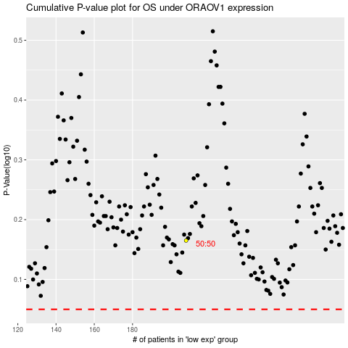

 |  |  |  |  |  | cases_OS | p_OS | rank | exp
 |  |  |  |  |  |  | cases_RFS | p_RFS | rank | exp

