ORC1L _multivariate
Reported by Tex Li-Hsing Chi. tex@gate.sinica.edu.tw 2019-08-17

Table 2. The clinicopathological features of HNSCC cohort and ORC1L expression. (Chi square test)
Cutoff at -0.236 (49.8%)
 |  | ORC1L expression |  | ORC1L expression |  | (Optimised)
 | Features | Low | (%) | High | (%) | Case no | P-value | Remark | Matthews
Gender | Female | 149 | 35.9 | 157 | 37.8 | 415 | 0.4848 | 0 | 0
2 | Male | 58 | 14 | 51 | 12.3
Age at diagnosis | <=65y | 136 | 32.8 | 138 | 33.3 | 415 | 0.9719 | 0 | 0
4 | >65y | 71 | 17.1 | 70 | 16.9
Clinical T Status | T1+T2 | 75 | 18.1 | 74 | 17.8 | 415 | 0.9707 | 0 | 0
6 | T3+T4 | 132 | 31.8 | 134 | 32.3
Clinical N Status | N0 | 119 | 28.7 | 97 | 23.4 | 415 | 0.0345 | 1 | 0
8 | N1-3 | 88 | 21.2 | 111 | 26.7
Clinical M Status | M0 | 206 | 49.6 | 206 | 49.6 | 415 | 1 | 0 | 0
10 | M1 | 1 | 0.2 | 2 | 0.5
Clinical Stage | Stage I+II | 57 | 13.7 | 45 | 10.8 | 415 | 0.1998 | 0 | 0
12 | Stage III+IV | 150 | 36.1 | 163 | 39.3
Surgical Margin status | Negative | 165 | 39.8 | 153 | 36.9 | 415 | 0.1639 | 0 | 0
14 | Positive | 42 | 10.1 | 55 | 13.3
Tobacco Exposure | Low | 93 | 22.4 | 68 | 16.4 | 415 | 0.0118 | 1 | 0
16 | High | 114 | 27.5 | 140 | 33.7

Table 3. Univariate/Multivariate Cox's proportional hazards regression analyses on OS time of ORC1L gene expression in HNSCC

 |  | Univariate |  |  |  | Multivariate
 | Features | HR | CI95%(L) | CI95%(H) | P-value | HR | CI95%(L) | CI95%(H) | P-value
1 | Female | 1 |  |  |  | 1
Gender | Male | 1.157 | 0.843 | 1.587 | 0.367 | 1.203 | 0.861 | 1.682 | 0.278
11 | <=65y | 1 |  |  |  | 1
Age at diagnosis | >65y | 1.329 | 0.99 | 1.784 | 0.058 | 1.395 | 1.026 | 1.896 | 0.034
12 | T1+T2 | 1 |  |  |  | 1
Clinical T Status | T3+T4 | 1.409 | 1.028 | 1.931 | 0.033 | 2.192 | 1.158 | 4.148 | 0.016
13 | N0 | 1 |  |  |  | 1
Clinical N Status | N1-3 | 1.185 | 0.89 | 1.577 | 0.246 | 1.241 | 0.87 | 1.771 | 0.233
14 | M0 | 1 |  |  |  | 1
Clinical M Status | M1 | 4.097 | 1.009 | 16.644 | 0.049 | 9.418 | 2.055 | 43.174 | 0.004
15 | Stage I+II | 1 |  |  |  | 1
Clinical Stage | Stage III+IV | 1.245 | 0.882 | 1.759 | 0.213 | 0.508 | 0.236 | 1.092 | 0.083
16 | Negative | 1 |  |  |  | 1
Surgical Margin status | Positive | 1.591 | 1.155 | 2.191 | 0.004 | 1.679 | 1.213 | 2.323 | 0.002
17 | Low | 1 |  |  |  | 1
Tobacco Exposure | High | 1.364 | 1.008 | 1.844 | 0.044 | 1.463 | 1.058 | 2.022 | 0.021
18 | Low | 1 |  |  |  | 1
RNAseq(z-score) | High | 1.052 | 0.79 | 1.4 | 0.731 | 0.957 | 0.715 | 1.282 | 0.769

Table 4. Univariate/Multivariate Cox's proportional hazards regression analyses on RFS time of ORC1L gene expression in HNSCC

 |  | Univariate |  |  |  | Multivariate
 | Features | HR | CI95%(L) | CI95%(H) | P-value | HR | CI95%(L) | CI95%(H) | P-value
1 | Female | 1 |  |  |  | 1
Gender | Male | 1.157 | 0.843 | 1.587 | 0.367 | 1.203 | 0.861 | 1.682 | 0.278
11 | <=65y | 1 |  |  |  | 1
Age at diagnosis | >65y | 1.329 | 0.99 | 1.784 | 0.058 | 1.395 | 1.026 | 1.896 | 0.034
12 | T1+T2 | 1 |  |  |  | 1
Clinical T Status | T3+T4 | 1.409 | 1.028 | 1.931 | 0.033 | 2.192 | 1.158 | 4.148 | 0.016
13 | N0 | 1 |  |  |  | 1
Clinical N Status | N1-3 | 1.185 | 0.89 | 1.577 | 0.246 | 1.241 | 0.87 | 1.771 | 0.233
14 | M0 | 1 |  |  |  | 1
Clinical M Status | M1 | 4.097 | 1.009 | 16.644 | 0.049 | 9.418 | 2.055 | 43.174 | 0.004
15 | Stage I+II | 1 |  |  |  | 1
Clinical Stage | Stage III+IV | 1.245 | 0.882 | 1.759 | 0.213 | 0.508 | 0.236 | 1.092 | 0.083
16 | Negative | 1 |  |  |  | 1
Surgical Margin status | Positive | 1.591 | 1.155 | 2.191 | 0.004 | 1.679 | 1.213 | 2.323 | 0.002
17 | Low | 1 |  |  |  | 1
Tobacco Exposure | High | 1.364 | 1.008 | 1.844 | 0.044 | 1.463 | 1.058 | 2.022 | 0.021
18 | Low | 1 |  |  |  | 1
RNAseq(z-score) | High | 1.052 | 0.79 | 1.4 | 0.731 | 0.957 | 0.715 | 1.282 | 0.769

Kaplan-Meier survival estimate: Cutoff at -0.236 (49.8%)



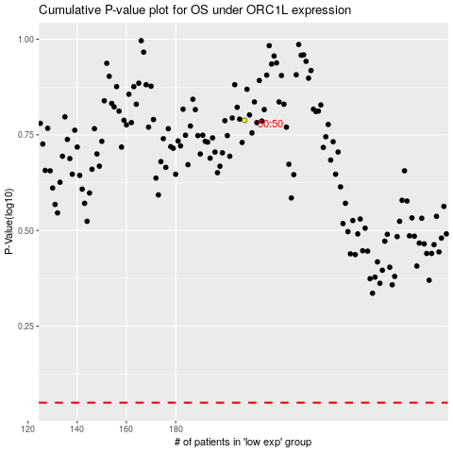

 |  |  |  |  |  | cases_OS | p_OS | rank | exp
 |  |  |  |  |  |  | cases_RFS | p_RFS | rank | exp

