ORC4L _multivariate
Reported by Tex Li-Hsing Chi. tex@gate.sinica.edu.tw 2019-08-17

Table 2. The clinicopathological features of HNSCC cohort and ORC4L expression. (Chi square test)
Cutoff at -0.248 (50.0%)
 |  | ORC4L expression |  | ORC4L expression |  | (Optimised)
 | Features | Low | (%) | High | (%) | Case no | P-value | Remark | Matthews
Gender | Female | 151 | 36.4 | 155 | 37.3 | 415 | 0.8007 | 0 | 0
2 | Male | 56 | 13.5 | 53 | 12.8
Age at diagnosis | <=65y | 135 | 32.5 | 139 | 33.5 | 415 | 0.8084 | 0 | 0
4 | >65y | 72 | 17.3 | 69 | 16.6
Clinical T Status | T1+T2 | 81 | 19.5 | 68 | 16.4 | 415 | 0.206 | 0 | 0
6 | T3+T4 | 126 | 30.4 | 140 | 33.7
Clinical N Status | N0 | 110 | 26.5 | 106 | 25.5 | 415 | 0.7294 | 0 | 0
8 | N1-3 | 97 | 23.4 | 102 | 24.6
Clinical M Status | M0 | 204 | 49.2 | 208 | 50.1 | 415 | 0.1232 | 0 | 0
10 | M1 | 3 | 0.7 | 0 | 0
Clinical Stage | Stage I+II | 58 | 14 | 44 | 10.6 | 415 | 0.131 | 0 | 0
12 | Stage III+IV | 149 | 35.9 | 164 | 39.5
Surgical Margin status | Negative | 159 | 38.3 | 159 | 38.3 | 415 | 1 | 0 | 0
14 | Positive | 48 | 11.6 | 49 | 11.8
Tobacco Exposure | Low | 89 | 21.4 | 72 | 17.3 | 415 | 0.0872 | 0 | 0
16 | High | 118 | 28.4 | 136 | 32.8

Table 3. Univariate/Multivariate Cox's proportional hazards regression analyses on OS time of ORC4L gene expression in HNSCC

 |  | Univariate |  |  |  | Multivariate
 | Features | HR | CI95%(L) | CI95%(H) | P-value | HR | CI95%(L) | CI95%(H) | P-value
1 | Female | 1 |  |  |  | 1
Gender | Male | 1.157 | 0.843 | 1.587 | 0.367 | 1.195 | 0.855 | 1.67 | 0.296
11 | <=65y | 1 |  |  |  | 1
Age at diagnosis | >65y | 1.329 | 0.99 | 1.784 | 0.058 | 1.399 | 1.028 | 1.903 | 0.033
12 | T1+T2 | 1 |  |  |  | 1
Clinical T Status | T3+T4 | 1.409 | 1.028 | 1.931 | 0.033 | 2.213 | 1.17 | 4.185 | 0.015
13 | N0 | 1 |  |  |  | 1
Clinical N Status | N1-3 | 1.185 | 0.89 | 1.577 | 0.246 | 1.247 | 0.874 | 1.779 | 0.224
14 | M0 | 1 |  |  |  | 1
Clinical M Status | M1 | 4.097 | 1.009 | 16.644 | 0.049 | 10.089 | 2.18 | 46.694 | 0.003
15 | Stage I+II | 1 |  |  |  | 1
Clinical Stage | Stage III+IV | 1.245 | 0.882 | 1.759 | 0.213 | 0.491 | 0.228 | 1.056 | 0.069
16 | Negative | 1 |  |  |  | 1
Surgical Margin status | Positive | 1.591 | 1.155 | 2.191 | 0.004 | 1.671 | 1.209 | 2.31 | 0.002
17 | Low | 1 |  |  |  | 1
Tobacco Exposure | High | 1.364 | 1.008 | 1.844 | 0.044 | 1.437 | 1.041 | 1.982 | 0.027
18 | Low | 1 |  |  |  | 1
RNAseq(z-score) | High | 1.145 | 0.857 | 1.529 | 0.36 | 1.132 | 0.842 | 1.522 | 0.412

Table 4. Univariate/Multivariate Cox's proportional hazards regression analyses on RFS time of ORC4L gene expression in HNSCC

 |  | Univariate |  |  |  | Multivariate
 | Features | HR | CI95%(L) | CI95%(H) | P-value | HR | CI95%(L) | CI95%(H) | P-value
1 | Female | 1 |  |  |  | 1
Gender | Male | 1.157 | 0.843 | 1.587 | 0.367 | 1.195 | 0.855 | 1.67 | 0.296
11 | <=65y | 1 |  |  |  | 1
Age at diagnosis | >65y | 1.329 | 0.99 | 1.784 | 0.058 | 1.399 | 1.028 | 1.903 | 0.033
12 | T1+T2 | 1 |  |  |  | 1
Clinical T Status | T3+T4 | 1.409 | 1.028 | 1.931 | 0.033 | 2.213 | 1.17 | 4.185 | 0.015
13 | N0 | 1 |  |  |  | 1
Clinical N Status | N1-3 | 1.185 | 0.89 | 1.577 | 0.246 | 1.247 | 0.874 | 1.779 | 0.224
14 | M0 | 1 |  |  |  | 1
Clinical M Status | M1 | 4.097 | 1.009 | 16.644 | 0.049 | 10.089 | 2.18 | 46.694 | 0.003
15 | Stage I+II | 1 |  |  |  | 1
Clinical Stage | Stage III+IV | 1.245 | 0.882 | 1.759 | 0.213 | 0.491 | 0.228 | 1.056 | 0.069
16 | Negative | 1 |  |  |  | 1
Surgical Margin status | Positive | 1.591 | 1.155 | 2.191 | 0.004 | 1.671 | 1.209 | 2.31 | 0.002
17 | Low | 1 |  |  |  | 1
Tobacco Exposure | High | 1.364 | 1.008 | 1.844 | 0.044 | 1.437 | 1.041 | 1.982 | 0.027
18 | Low | 1 |  |  |  | 1
RNAseq(z-score) | High | 1.145 | 0.857 | 1.529 | 0.36 | 1.132 | 0.842 | 1.522 | 0.412

Kaplan-Meier survival estimate: Cutoff at -0.248 (50.0%)



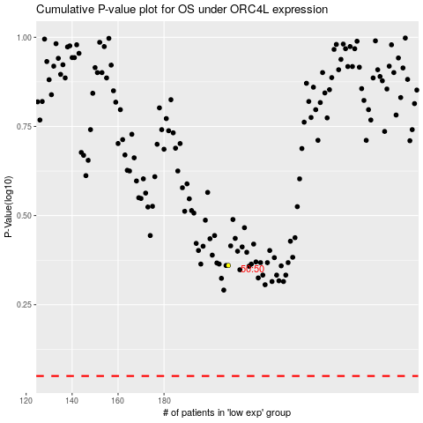

 |  |  |  |  |  | cases_OS | p_OS | rank | exp
 |  |  |  |  |  |  | cases_RFS | p_RFS | rank | exp

