ORM1 _multivariate
Reported by Tex Li-Hsing Chi. tex@gate.sinica.edu.tw 2019-08-17

Table 2. The clinicopathological features of HNSCC cohort and ORM1 expression. (Chi square test)
Cutoff at -0.143 (50.0%)
 |  | ORM1 expression |  | ORM1 expression |  | (Optimised)
 | Features | Low | (%) | High | (%) | Case no | P-value | Remark | Matthews
Gender | Female | 152 | 36.6 | 154 | 37.1 | 415 | 0.9766 | 0 | 0
2 | Male | 55 | 13.3 | 54 | 13
Age at diagnosis | <=65y | 132 | 31.8 | 142 | 34.2 | 415 | 0.3874 | 0 | 0
4 | >65y | 75 | 18.1 | 66 | 15.9
Clinical T Status | T1+T2 | 78 | 18.8 | 71 | 17.1 | 415 | 0.5152 | 0 | 0
6 | T3+T4 | 129 | 31.1 | 137 | 33
Clinical N Status | N0 | 111 | 26.7 | 105 | 25.3 | 415 | 0.5875 | 0 | 0
8 | N1-3 | 96 | 23.1 | 103 | 24.8
Clinical M Status | M0 | 207 | 49.9 | 205 | 49.4 | 415 | 0.2482 | 0 | 0
10 | M1 | 0 | 0 | 3 | 0.7
Clinical Stage | Stage I+II | 58 | 14 | 44 | 10.6 | 415 | 0.131 | 0 | 0
12 | Stage III+IV | 149 | 35.9 | 164 | 39.5
Surgical Margin status | Negative | 159 | 38.3 | 159 | 38.3 | 415 | 1 | 0 | 0
14 | Positive | 48 | 11.6 | 49 | 11.8
Tobacco Exposure | Low | 93 | 22.4 | 68 | 16.4 | 415 | 0.0118 | 1 | 0
16 | High | 114 | 27.5 | 140 | 33.7

Table 3. Univariate/Multivariate Cox's proportional hazards regression analyses on OS time of ORM1 gene expression in HNSCC

 |  | Univariate |  |  |  | Multivariate
 | Features | HR | CI95%(L) | CI95%(H) | P-value | HR | CI95%(L) | CI95%(H) | P-value
1 | Female | 1 |  |  |  | 1
Gender | Male | 1.157 | 0.843 | 1.587 | 0.367 | 1.195 | 0.855 | 1.671 | 0.297
11 | <=65y | 1 |  |  |  | 1
Age at diagnosis | >65y | 1.329 | 0.99 | 1.784 | 0.058 | 1.398 | 1.028 | 1.901 | 0.033
12 | T1+T2 | 1 |  |  |  | 1
Clinical T Status | T3+T4 | 1.409 | 1.028 | 1.931 | 0.033 | 2.23 | 1.178 | 4.22 | 0.014
13 | N0 | 1 |  |  |  | 1
Clinical N Status | N1-3 | 1.185 | 0.89 | 1.577 | 0.246 | 1.253 | 0.877 | 1.79 | 0.216
14 | M0 | 1 |  |  |  | 1
Clinical M Status | M1 | 4.097 | 1.009 | 16.644 | 0.049 | 9.056 | 1.967 | 41.704 | 0.005
15 | Stage I+II | 1 |  |  |  | 1
Clinical Stage | Stage III+IV | 1.245 | 0.882 | 1.759 | 0.213 | 0.493 | 0.229 | 1.062 | 0.071
16 | Negative | 1 |  |  |  | 1
Surgical Margin status | Positive | 1.591 | 1.155 | 2.191 | 0.004 | 1.679 | 1.214 | 2.321 | 0.002
17 | Low | 1 |  |  |  | 1
Tobacco Exposure | High | 1.364 | 1.008 | 1.844 | 0.044 | 1.444 | 1.047 | 1.991 | 0.025
18 | Low | 1 |  |  |  | 1
RNAseq(z-score) | High | 1.076 | 0.808 | 1.433 | 0.615 | 1.096 | 0.82 | 1.466 | 0.536

Table 4. Univariate/Multivariate Cox's proportional hazards regression analyses on RFS time of ORM1 gene expression in HNSCC

 |  | Univariate |  |  |  | Multivariate
 | Features | HR | CI95%(L) | CI95%(H) | P-value | HR | CI95%(L) | CI95%(H) | P-value
1 | Female | 1 |  |  |  | 1
Gender | Male | 1.157 | 0.843 | 1.587 | 0.367 | 1.195 | 0.855 | 1.671 | 0.297
11 | <=65y | 1 |  |  |  | 1
Age at diagnosis | >65y | 1.329 | 0.99 | 1.784 | 0.058 | 1.398 | 1.028 | 1.901 | 0.033
12 | T1+T2 | 1 |  |  |  | 1
Clinical T Status | T3+T4 | 1.409 | 1.028 | 1.931 | 0.033 | 2.23 | 1.178 | 4.22 | 0.014
13 | N0 | 1 |  |  |  | 1
Clinical N Status | N1-3 | 1.185 | 0.89 | 1.577 | 0.246 | 1.253 | 0.877 | 1.79 | 0.216
14 | M0 | 1 |  |  |  | 1
Clinical M Status | M1 | 4.097 | 1.009 | 16.644 | 0.049 | 9.056 | 1.967 | 41.704 | 0.005
15 | Stage I+II | 1 |  |  |  | 1
Clinical Stage | Stage III+IV | 1.245 | 0.882 | 1.759 | 0.213 | 0.493 | 0.229 | 1.062 | 0.071
16 | Negative | 1 |  |  |  | 1
Surgical Margin status | Positive | 1.591 | 1.155 | 2.191 | 0.004 | 1.679 | 1.214 | 2.321 | 0.002
17 | Low | 1 |  |  |  | 1
Tobacco Exposure | High | 1.364 | 1.008 | 1.844 | 0.044 | 1.444 | 1.047 | 1.991 | 0.025
18 | Low | 1 |  |  |  | 1
RNAseq(z-score) | High | 1.076 | 0.808 | 1.433 | 0.615 | 1.096 | 0.82 | 1.466 | 0.536

Kaplan-Meier survival estimate: Cutoff at -0.143 (50.0%)

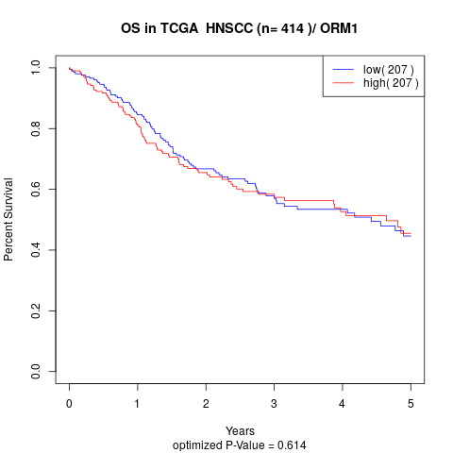

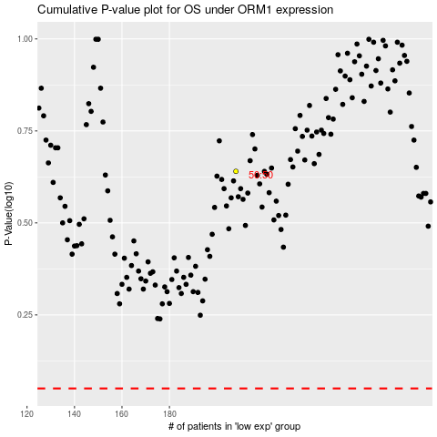

 |  |  |  |  |  | cases_OS | p_OS | rank | exp
 |  |  |  |  |  |  | cases_RFS | p_RFS | rank | exp

