ORMDL3 _multivariate
Reported by Tex Li-Hsing Chi. tex@gate.sinica.edu.tw 2019-08-17

Table 2. The clinicopathological features of HNSCC cohort and ORMDL3 expression. (Chi square test)
Cutoff at -0.156 (50.0%)
 |  | ORMDL3 expression |  | ORMDL3 expression |  | (Optimised)
 | Features | Low | (%) | High | (%) | Case no | P-value | Remark | Matthews
Gender | Female | 140 | 33.7 | 166 | 40 | 415 | 0.0068 | 1 | 0
2 | Male | 67 | 16.1 | 42 | 10.1
Age at diagnosis | <=65y | 134 | 32.3 | 140 | 33.7 | 415 | 0.6529 | 0 | 0
4 | >65y | 73 | 17.6 | 68 | 16.4
Clinical T Status | T1+T2 | 74 | 17.8 | 75 | 18.1 | 415 | 1 | 0 | 0
6 | T3+T4 | 133 | 32 | 133 | 32
Clinical N Status | N0 | 115 | 27.7 | 101 | 24.3 | 415 | 0.184 | 1 | 0
8 | N1-3 | 92 | 22.2 | 107 | 25.8
Clinical M Status | M0 | 205 | 49.4 | 207 | 49.9 | 415 | 0.6232 | 0 | 0
10 | M1 | 2 | 0.5 | 1 | 0.2
Clinical Stage | Stage I+II | 54 | 13 | 48 | 11.6 | 415 | 0.5498 | 0 | 0
12 | Stage III+IV | 153 | 36.9 | 160 | 38.6
Surgical Margin status | Negative | 166 | 40 | 152 | 36.6 | 415 | 0.1042 | 0 | 0
14 | Positive | 41 | 9.9 | 56 | 13.5
Tobacco Exposure | Low | 81 | 19.5 | 80 | 19.3 | 415 | 0.9199 | 0 | 0
16 | High | 126 | 30.4 | 128 | 30.8

Table 3. Univariate/Multivariate Cox's proportional hazards regression analyses on OS time of ORMDL3 gene expression in HNSCC

 |  | Univariate |  |  |  | Multivariate
 | Features | HR | CI95%(L) | CI95%(H) | P-value | HR | CI95%(L) | CI95%(H) | P-value
1 | Female | 1 |  |  |  | 1
Gender | Male | 1.157 | 0.843 | 1.587 | 0.367 | 1.197 | 0.855 | 1.677 | 0.296
11 | <=65y | 1 |  |  |  | 1
Age at diagnosis | >65y | 1.329 | 0.99 | 1.784 | 0.058 | 1.391 | 1.023 | 1.891 | 0.035
12 | T1+T2 | 1 |  |  |  | 1
Clinical T Status | T3+T4 | 1.409 | 1.028 | 1.931 | 0.033 | 2.199 | 1.163 | 4.159 | 0.015
13 | N0 | 1 |  |  |  | 1
Clinical N Status | N1-3 | 1.185 | 0.89 | 1.577 | 0.246 | 1.241 | 0.87 | 1.771 | 0.234
14 | M0 | 1 |  |  |  | 1
Clinical M Status | M1 | 4.097 | 1.009 | 16.644 | 0.049 | 9.367 | 2.042 | 42.97 | 0.004
15 | Stage I+II | 1 |  |  |  | 1
Clinical Stage | Stage III+IV | 1.245 | 0.882 | 1.759 | 0.213 | 0.505 | 0.235 | 1.084 | 0.08
16 | Negative | 1 |  |  |  | 1
Surgical Margin status | Positive | 1.591 | 1.155 | 2.191 | 0.004 | 1.674 | 1.211 | 2.314 | 0.002
17 | Low | 1 |  |  |  | 1
Tobacco Exposure | High | 1.364 | 1.008 | 1.844 | 0.044 | 1.454 | 1.055 | 2.004 | 0.022
18 | Low | 1 |  |  |  | 1
RNAseq(z-score) | High | 0.962 | 0.722 | 1.281 | 0.79 | 0.975 | 0.729 | 1.303 | 0.863

Table 4. Univariate/Multivariate Cox's proportional hazards regression analyses on RFS time of ORMDL3 gene expression in HNSCC

 |  | Univariate |  |  |  | Multivariate
 | Features | HR | CI95%(L) | CI95%(H) | P-value | HR | CI95%(L) | CI95%(H) | P-value
1 | Female | 1 |  |  |  | 1
Gender | Male | 1.157 | 0.843 | 1.587 | 0.367 | 1.197 | 0.855 | 1.677 | 0.296
11 | <=65y | 1 |  |  |  | 1
Age at diagnosis | >65y | 1.329 | 0.99 | 1.784 | 0.058 | 1.391 | 1.023 | 1.891 | 0.035
12 | T1+T2 | 1 |  |  |  | 1
Clinical T Status | T3+T4 | 1.409 | 1.028 | 1.931 | 0.033 | 2.199 | 1.163 | 4.159 | 0.015
13 | N0 | 1 |  |  |  | 1
Clinical N Status | N1-3 | 1.185 | 0.89 | 1.577 | 0.246 | 1.241 | 0.87 | 1.771 | 0.234
14 | M0 | 1 |  |  |  | 1
Clinical M Status | M1 | 4.097 | 1.009 | 16.644 | 0.049 | 9.367 | 2.042 | 42.97 | 0.004
15 | Stage I+II | 1 |  |  |  | 1
Clinical Stage | Stage III+IV | 1.245 | 0.882 | 1.759 | 0.213 | 0.505 | 0.235 | 1.084 | 0.08
16 | Negative | 1 |  |  |  | 1
Surgical Margin status | Positive | 1.591 | 1.155 | 2.191 | 0.004 | 1.674 | 1.211 | 2.314 | 0.002
17 | Low | 1 |  |  |  | 1
Tobacco Exposure | High | 1.364 | 1.008 | 1.844 | 0.044 | 1.454 | 1.055 | 2.004 | 0.022
18 | Low | 1 |  |  |  | 1
RNAseq(z-score) | High | 0.962 | 0.722 | 1.281 | 0.79 | 0.975 | 0.729 | 1.303 | 0.863

Kaplan-Meier survival estimate: Cutoff at -0.156 (50.0%)



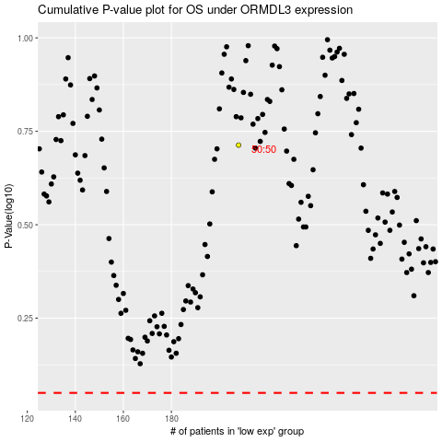

 |  |  |  |  |  | cases_OS | p_OS | rank | exp
 |  |  |  |  |  |  | cases_RFS | p_RFS | rank | exp

