OSBP2 _multivariate
Reported by Tex Li-Hsing Chi. tex@gate.sinica.edu.tw 2019-08-17

Table 2. The clinicopathological features of HNSCC cohort and OSBP2 expression. (Chi square test)
Cutoff at -0.178 (49.8%)
 |  | OSBP2 expression |  | OSBP2 expression |  | (Optimised)
 | Features | Low | (%) | High | (%) | Case no | P-value | Remark | Matthews
Gender | Female | 154 | 37.1 | 152 | 36.6 | 415 | 0.8463 | 0 | 0
2 | Male | 53 | 12.8 | 56 | 13.5
Age at diagnosis | <=65y | 142 | 34.2 | 132 | 31.8 | 415 | 0.3167 | 0 | 0
4 | >65y | 65 | 15.7 | 76 | 18.3
Clinical T Status | T1+T2 | 80 | 19.3 | 69 | 16.6 | 415 | 0.2891 | 0 | 0
6 | T3+T4 | 127 | 30.6 | 139 | 33.5
Clinical N Status | N0 | 104 | 25.1 | 112 | 27 | 415 | 0.5243 | 0 | 0
8 | N1-3 | 103 | 24.8 | 96 | 23.1
Clinical M Status | M0 | 205 | 49.4 | 207 | 49.9 | 415 | 0.6232 | 0 | 0
10 | M1 | 2 | 0.5 | 1 | 0.2
Clinical Stage | Stage I+II | 55 | 13.3 | 47 | 11.3 | 415 | 0.4087 | 0 | 0
12 | Stage III+IV | 152 | 36.6 | 161 | 38.8
Surgical Margin status | Negative | 163 | 39.3 | 155 | 37.3 | 415 | 0.3537 | 0 | 0
14 | Positive | 44 | 10.6 | 53 | 12.8
Tobacco Exposure | Low | 81 | 19.5 | 80 | 19.3 | 415 | 0.9199 | 0 | 0
16 | High | 126 | 30.4 | 128 | 30.8

Table 3. Univariate/Multivariate Cox's proportional hazards regression analyses on OS time of OSBP2 gene expression in HNSCC

 |  | Univariate |  |  |  | Multivariate
 | Features | HR | CI95%(L) | CI95%(H) | P-value | HR | CI95%(L) | CI95%(H) | P-value
1 | Female | 1 |  |  |  | 1
Gender | Male | 1.157 | 0.843 | 1.587 | 0.367 | 1.197 | 0.856 | 1.673 | 0.293
11 | <=65y | 1 |  |  |  | 1
Age at diagnosis | >65y | 1.329 | 0.99 | 1.784 | 0.058 | 1.37 | 1.006 | 1.864 | 0.046
12 | T1+T2 | 1 |  |  |  | 1
Clinical T Status | T3+T4 | 1.409 | 1.028 | 1.931 | 0.033 | 2.203 | 1.165 | 4.166 | 0.015
13 | N0 | 1 |  |  |  | 1
Clinical N Status | N1-3 | 1.185 | 0.89 | 1.577 | 0.246 | 1.255 | 0.879 | 1.792 | 0.212
14 | M0 | 1 |  |  |  | 1
Clinical M Status | M1 | 4.097 | 1.009 | 16.644 | 0.049 | 9.451 | 2.061 | 43.337 | 0.004
15 | Stage I+II | 1 |  |  |  | 1
Clinical Stage | Stage III+IV | 1.245 | 0.882 | 1.759 | 0.213 | 0.499 | 0.233 | 1.073 | 0.075
16 | Negative | 1 |  |  |  | 1
Surgical Margin status | Positive | 1.591 | 1.155 | 2.191 | 0.004 | 1.653 | 1.196 | 2.286 | 0.002
17 | Low | 1 |  |  |  | 1
Tobacco Exposure | High | 1.364 | 1.008 | 1.844 | 0.044 | 1.454 | 1.054 | 2.005 | 0.023
18 | Low | 1 |  |  |  | 1
RNAseq(z-score) | High | 1.215 | 0.912 | 1.62 | 0.183 | 1.158 | 0.865 | 1.549 | 0.324

Table 4. Univariate/Multivariate Cox's proportional hazards regression analyses on RFS time of OSBP2 gene expression in HNSCC

 |  | Univariate |  |  |  | Multivariate
 | Features | HR | CI95%(L) | CI95%(H) | P-value | HR | CI95%(L) | CI95%(H) | P-value
1 | Female | 1 |  |  |  | 1
Gender | Male | 1.157 | 0.843 | 1.587 | 0.367 | 1.197 | 0.856 | 1.673 | 0.293
11 | <=65y | 1 |  |  |  | 1
Age at diagnosis | >65y | 1.329 | 0.99 | 1.784 | 0.058 | 1.37 | 1.006 | 1.864 | 0.046
12 | T1+T2 | 1 |  |  |  | 1
Clinical T Status | T3+T4 | 1.409 | 1.028 | 1.931 | 0.033 | 2.203 | 1.165 | 4.166 | 0.015
13 | N0 | 1 |  |  |  | 1
Clinical N Status | N1-3 | 1.185 | 0.89 | 1.577 | 0.246 | 1.255 | 0.879 | 1.792 | 0.212
14 | M0 | 1 |  |  |  | 1
Clinical M Status | M1 | 4.097 | 1.009 | 16.644 | 0.049 | 9.451 | 2.061 | 43.337 | 0.004
15 | Stage I+II | 1 |  |  |  | 1
Clinical Stage | Stage III+IV | 1.245 | 0.882 | 1.759 | 0.213 | 0.499 | 0.233 | 1.073 | 0.075
16 | Negative | 1 |  |  |  | 1
Surgical Margin status | Positive | 1.591 | 1.155 | 2.191 | 0.004 | 1.653 | 1.196 | 2.286 | 0.002
17 | Low | 1 |  |  |  | 1
Tobacco Exposure | High | 1.364 | 1.008 | 1.844 | 0.044 | 1.454 | 1.054 | 2.005 | 0.023
18 | Low | 1 |  |  |  | 1
RNAseq(z-score) | High | 1.215 | 0.912 | 1.62 | 0.183 | 1.158 | 0.865 | 1.549 | 0.324

Kaplan-Meier survival estimate: Cutoff at -0.178 (49.8%)



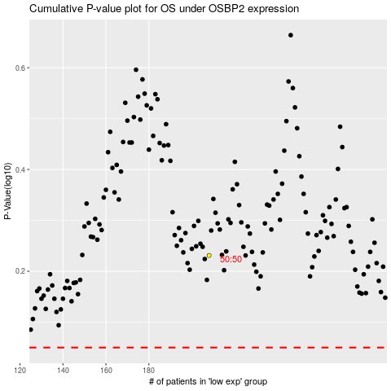

 |  |  |  |  |  | cases_OS | p_OS | rank | exp
 |  |  |  |  |  |  | cases_RFS | p_RFS | rank | exp

