OSBPL11 _multivariate
Reported by Tex Li-Hsing Chi. tex@gate.sinica.edu.tw 2019-08-17

Table 2. The clinicopathological features of HNSCC cohort and OSBPL11 expression. (Chi square test)
Cutoff at -0.138 (49.8%)
 |  | OSBPL11 expression |  | OSBPL11 expression |  | (Optimised)
 | Features | Low | (%) | High | (%) | Case no | P-value | Remark | Matthews
Gender | Female | 150 | 36.1 | 156 | 37.6 | 415 | 0.6344 | 0 | 0
2 | Male | 57 | 13.7 | 52 | 12.5
Age at diagnosis | <=65y | 134 | 32.3 | 140 | 33.7 | 415 | 0.6529 | 0 | 0
4 | >65y | 73 | 17.6 | 68 | 16.4
Clinical T Status | T1+T2 | 69 | 16.6 | 80 | 19.3 | 415 | 0.3239 | 0 | 0
6 | T3+T4 | 138 | 33.3 | 128 | 30.8
Clinical N Status | N0 | 110 | 26.5 | 106 | 25.5 | 415 | 0.7294 | 0 | 0
8 | N1-3 | 97 | 23.4 | 102 | 24.6
Clinical M Status | M0 | 204 | 49.2 | 208 | 50.1 | 415 | 0.1232 | 0 | 0
10 | M1 | 3 | 0.7 | 0 | 0
Clinical Stage | Stage I+II | 50 | 12 | 52 | 12.5 | 415 | 0.9315 | 0 | 0
12 | Stage III+IV | 157 | 37.8 | 156 | 37.6
Surgical Margin status | Negative | 154 | 37.1 | 164 | 39.5 | 415 | 0.2984 | 0 | 0
14 | Positive | 53 | 12.8 | 44 | 10.6
Tobacco Exposure | Low | 83 | 20 | 78 | 18.8 | 415 | 0.6152 | 0 | 0
16 | High | 124 | 29.9 | 130 | 31.3

Table 3. Univariate/Multivariate Cox's proportional hazards regression analyses on OS time of OSBPL11 gene expression in HNSCC

 |  | Univariate |  |  |  | Multivariate
 | Features | HR | CI95%(L) | CI95%(H) | P-value | HR | CI95%(L) | CI95%(H) | P-value
1 | Female | 1 |  |  |  | 1
Gender | Male | 1.157 | 0.843 | 1.587 | 0.367 | 1.198 | 0.857 | 1.674 | 0.291
11 | <=65y | 1 |  |  |  | 1
Age at diagnosis | >65y | 1.329 | 0.99 | 1.784 | 0.058 | 1.398 | 1.027 | 1.903 | 0.033
12 | T1+T2 | 1 |  |  |  | 1
Clinical T Status | T3+T4 | 1.409 | 1.028 | 1.931 | 0.033 | 2.178 | 1.149 | 4.129 | 0.017
13 | N0 | 1 |  |  |  | 1
Clinical N Status | N1-3 | 1.185 | 0.89 | 1.577 | 0.246 | 1.242 | 0.871 | 1.772 | 0.232
14 | M0 | 1 |  |  |  | 1
Clinical M Status | M1 | 4.097 | 1.009 | 16.644 | 0.049 | 9.057 | 1.949 | 42.075 | 0.005
15 | Stage I+II | 1 |  |  |  | 1
Clinical Stage | Stage III+IV | 1.245 | 0.882 | 1.759 | 0.213 | 0.509 | 0.237 | 1.093 | 0.083
16 | Negative | 1 |  |  |  | 1
Surgical Margin status | Positive | 1.591 | 1.155 | 2.191 | 0.004 | 1.658 | 1.197 | 2.297 | 0.002
17 | Low | 1 |  |  |  | 1
Tobacco Exposure | High | 1.364 | 1.008 | 1.844 | 0.044 | 1.459 | 1.058 | 2.014 | 0.021
18 | Low | 1 |  |  |  | 1
RNAseq(z-score) | High | 0.872 | 0.655 | 1.162 | 0.349 | 0.947 | 0.706 | 1.271 | 0.718

Table 4. Univariate/Multivariate Cox's proportional hazards regression analyses on RFS time of OSBPL11 gene expression in HNSCC

 |  | Univariate |  |  |  | Multivariate
 | Features | HR | CI95%(L) | CI95%(H) | P-value | HR | CI95%(L) | CI95%(H) | P-value
1 | Female | 1 |  |  |  | 1
Gender | Male | 1.157 | 0.843 | 1.587 | 0.367 | 1.198 | 0.857 | 1.674 | 0.291
11 | <=65y | 1 |  |  |  | 1
Age at diagnosis | >65y | 1.329 | 0.99 | 1.784 | 0.058 | 1.398 | 1.027 | 1.903 | 0.033
12 | T1+T2 | 1 |  |  |  | 1
Clinical T Status | T3+T4 | 1.409 | 1.028 | 1.931 | 0.033 | 2.178 | 1.149 | 4.129 | 0.017
13 | N0 | 1 |  |  |  | 1
Clinical N Status | N1-3 | 1.185 | 0.89 | 1.577 | 0.246 | 1.242 | 0.871 | 1.772 | 0.232
14 | M0 | 1 |  |  |  | 1
Clinical M Status | M1 | 4.097 | 1.009 | 16.644 | 0.049 | 9.057 | 1.949 | 42.075 | 0.005
15 | Stage I+II | 1 |  |  |  | 1
Clinical Stage | Stage III+IV | 1.245 | 0.882 | 1.759 | 0.213 | 0.509 | 0.237 | 1.093 | 0.083
16 | Negative | 1 |  |  |  | 1
Surgical Margin status | Positive | 1.591 | 1.155 | 2.191 | 0.004 | 1.658 | 1.197 | 2.297 | 0.002
17 | Low | 1 |  |  |  | 1
Tobacco Exposure | High | 1.364 | 1.008 | 1.844 | 0.044 | 1.459 | 1.058 | 2.014 | 0.021
18 | Low | 1 |  |  |  | 1
RNAseq(z-score) | High | 0.872 | 0.655 | 1.162 | 0.349 | 0.947 | 0.706 | 1.271 | 0.718

Kaplan-Meier survival estimate: Cutoff at -0.138 (49.8%)



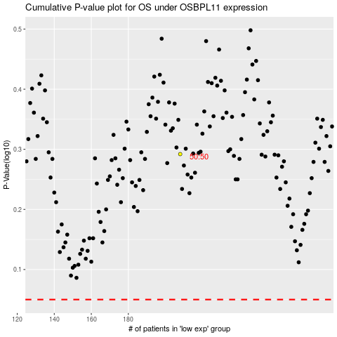

 |  |  |  |  |  | cases_OS | p_OS | rank | exp
 |  |  |  |  |  |  | cases_RFS | p_RFS | rank | exp

