OSBPL5 _multivariate
Reported by Tex Li-Hsing Chi. tex@gate.sinica.edu.tw 2019-08-17

Table 2. The clinicopathological features of HNSCC cohort and OSBPL5 expression. (Chi square test)
Cutoff at -0.099 (49.8%)
 |  | OSBPL5 expression |  | OSBPL5 expression |  | (Optimised)
 | Features | Low | (%) | High | (%) | Case no | P-value | Remark | Matthews
Gender | Female | 159 | 38.3 | 147 | 35.4 | 415 | 0.1905 | 0 | 0
2 | Male | 48 | 11.6 | 61 | 14.7
Age at diagnosis | <=65y | 140 | 33.7 | 134 | 32.3 | 415 | 0.5574 | 0 | 0
4 | >65y | 67 | 16.1 | 74 | 17.8
Clinical T Status | T1+T2 | 81 | 19.5 | 68 | 16.4 | 415 | 0.206 | 0 | 0
6 | T3+T4 | 126 | 30.4 | 140 | 33.7
Clinical N Status | N0 | 100 | 24.1 | 116 | 28 | 415 | 0.1548 | 0 | 0
8 | N1-3 | 107 | 25.8 | 92 | 22.2
Clinical M Status | M0 | 204 | 49.2 | 208 | 50.1 | 415 | 0.1232 | 0 | 0
10 | M1 | 3 | 0.7 | 0 | 0
Clinical Stage | Stage I+II | 50 | 12 | 52 | 12.5 | 415 | 0.9315 | 0 | 0
12 | Stage III+IV | 157 | 37.8 | 156 | 37.6
Surgical Margin status | Negative | 157 | 37.8 | 161 | 38.8 | 415 | 0.729 | 0 | 0
14 | Positive | 50 | 12 | 47 | 11.3
Tobacco Exposure | Low | 75 | 18.1 | 86 | 20.7 | 415 | 0.3141 | 0 | 0
16 | High | 132 | 31.8 | 122 | 29.4

Table 3. Univariate/Multivariate Cox's proportional hazards regression analyses on OS time of OSBPL5 gene expression in HNSCC

 |  | Univariate |  |  |  | Multivariate
 | Features | HR | CI95%(L) | CI95%(H) | P-value | HR | CI95%(L) | CI95%(H) | P-value
1 | Female | 1 |  |  |  | 1
Gender | Male | 1.157 | 0.843 | 1.587 | 0.367 | 1.195 | 0.854 | 1.67 | 0.299
11 | <=65y | 1 |  |  |  | 1
Age at diagnosis | >65y | 1.329 | 0.99 | 1.784 | 0.058 | 1.393 | 1.025 | 1.894 | 0.034
12 | T1+T2 | 1 |  |  |  | 1
Clinical T Status | T3+T4 | 1.409 | 1.028 | 1.931 | 0.033 | 2.184 | 1.154 | 4.133 | 0.016
13 | N0 | 1 |  |  |  | 1
Clinical N Status | N1-3 | 1.185 | 0.89 | 1.577 | 0.246 | 1.248 | 0.874 | 1.782 | 0.223
14 | M0 | 1 |  |  |  | 1
Clinical M Status | M1 | 4.097 | 1.009 | 16.644 | 0.049 | 9.648 | 2.097 | 44.393 | 0.004
15 | Stage I+II | 1 |  |  |  | 1
Clinical Stage | Stage III+IV | 1.245 | 0.882 | 1.759 | 0.213 | 0.505 | 0.235 | 1.084 | 0.079
16 | Negative | 1 |  |  |  | 1
Surgical Margin status | Positive | 1.591 | 1.155 | 2.191 | 0.004 | 1.666 | 1.205 | 2.303 | 0.002
17 | Low | 1 |  |  |  | 1
Tobacco Exposure | High | 1.364 | 1.008 | 1.844 | 0.044 | 1.454 | 1.055 | 2.004 | 0.022
18 | Low | 1 |  |  |  | 1
RNAseq(z-score) | High | 1.09 | 0.816 | 1.455 | 0.56 | 1.072 | 0.8 | 1.438 | 0.641

Table 4. Univariate/Multivariate Cox's proportional hazards regression analyses on RFS time of OSBPL5 gene expression in HNSCC

 |  | Univariate |  |  |  | Multivariate
 | Features | HR | CI95%(L) | CI95%(H) | P-value | HR | CI95%(L) | CI95%(H) | P-value
1 | Female | 1 |  |  |  | 1
Gender | Male | 1.157 | 0.843 | 1.587 | 0.367 | 1.195 | 0.854 | 1.67 | 0.299
11 | <=65y | 1 |  |  |  | 1
Age at diagnosis | >65y | 1.329 | 0.99 | 1.784 | 0.058 | 1.393 | 1.025 | 1.894 | 0.034
12 | T1+T2 | 1 |  |  |  | 1
Clinical T Status | T3+T4 | 1.409 | 1.028 | 1.931 | 0.033 | 2.184 | 1.154 | 4.133 | 0.016
13 | N0 | 1 |  |  |  | 1
Clinical N Status | N1-3 | 1.185 | 0.89 | 1.577 | 0.246 | 1.248 | 0.874 | 1.782 | 0.223
14 | M0 | 1 |  |  |  | 1
Clinical M Status | M1 | 4.097 | 1.009 | 16.644 | 0.049 | 9.648 | 2.097 | 44.393 | 0.004
15 | Stage I+II | 1 |  |  |  | 1
Clinical Stage | Stage III+IV | 1.245 | 0.882 | 1.759 | 0.213 | 0.505 | 0.235 | 1.084 | 0.079
16 | Negative | 1 |  |  |  | 1
Surgical Margin status | Positive | 1.591 | 1.155 | 2.191 | 0.004 | 1.666 | 1.205 | 2.303 | 0.002
17 | Low | 1 |  |  |  | 1
Tobacco Exposure | High | 1.364 | 1.008 | 1.844 | 0.044 | 1.454 | 1.055 | 2.004 | 0.022
18 | Low | 1 |  |  |  | 1
RNAseq(z-score) | High | 1.09 | 0.816 | 1.455 | 0.56 | 1.072 | 0.8 | 1.438 | 0.641

Kaplan-Meier survival estimate: Cutoff at -0.099 (49.8%)



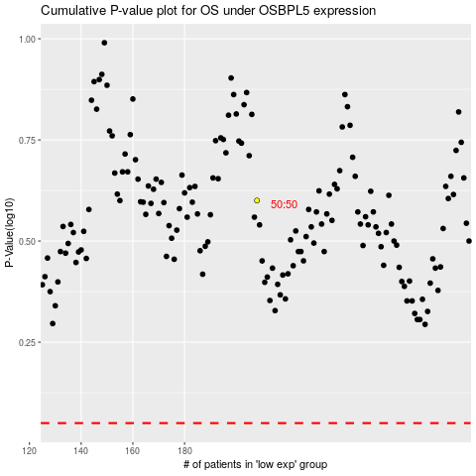

 |  |  |  |  |  | cases_OS | p_OS | rank | exp
 |  |  |  |  |  |  | cases_RFS | p_RFS | rank | exp

