OSBPL7 _multivariate
Reported by Tex Li-Hsing Chi. tex@gate.sinica.edu.tw 2019-08-17

Table 2. The clinicopathological features of HNSCC cohort and OSBPL7 expression. (Chi square test)
Cutoff at 0.133 (67.4%)
 |  | OSBPL7 expression |  | OSBPL7 expression |  | (Optimised)
 | Features | Low | (%) | High | (%) | Case no | P-value | Remark | Matthews
Gender | Female | 202 | 48.7 | 104 | 25.1 | 415 | 0.4441 | 0 | 0
2 | Male | 77 | 18.6 | 32 | 7.7
Age at diagnosis | <=65y | 181 | 43.6 | 93 | 22.4 | 415 | 0.55 | 0 | 0
4 | >65y | 98 | 23.6 | 43 | 10.4
Clinical T Status | T1+T2 | 94 | 22.7 | 55 | 13.3 | 415 | 0.2163 | 0 | 0
6 | T3+T4 | 185 | 44.6 | 81 | 19.5
Clinical N Status | N0 | 149 | 35.9 | 67 | 16.1 | 415 | 0.4916 | 0 | 0
8 | N1-3 | 130 | 31.3 | 69 | 16.6
Clinical M Status | M0 | 276 | 66.5 | 136 | 32.8 | 415 | 0.554 | 0 | 0
10 | M1 | 3 | 0.7 | 0 | 0
Clinical Stage | Stage I+II | 72 | 17.3 | 30 | 7.2 | 415 | 0.4772 | 0 | 0
12 | Stage III+IV | 207 | 49.9 | 106 | 25.5
Surgical Margin status | Negative | 216 | 52 | 102 | 24.6 | 415 | 0.6217 | 0 | 0
14 | Positive | 63 | 15.2 | 34 | 8.2
Tobacco Exposure | Low | 108 | 26 | 53 | 12.8 | 415 | 1 | 0 | 0
16 | High | 171 | 41.2 | 83 | 20

Table 3. Univariate/Multivariate Cox's proportional hazards regression analyses on OS time of OSBPL7 gene expression in HNSCC

 |  | Univariate |  |  |  | Multivariate
 | Features | HR | CI95%(L) | CI95%(H) | P-value | HR | CI95%(L) | CI95%(H) | P-value
1 | Female | 1 |  |  |  | 1
Gender | Male | 1.157 | 0.843 | 1.587 | 0.367 | 1.185 | 0.848 | 1.657 | 0.32
11 | <=65y | 1 |  |  |  | 1
Age at diagnosis | >65y | 1.329 | 0.99 | 1.784 | 0.058 | 1.402 | 1.031 | 1.907 | 0.031
12 | T1+T2 | 1 |  |  |  | 1
Clinical T Status | T3+T4 | 1.409 | 1.028 | 1.931 | 0.033 | 2.014 | 1.057 | 3.835 | 0.033
13 | N0 | 1 |  |  |  | 1
Clinical N Status | N1-3 | 1.185 | 0.89 | 1.577 | 0.246 | 1.236 | 0.866 | 1.765 | 0.244
14 | M0 | 1 |  |  |  | 1
Clinical M Status | M1 | 4.097 | 1.009 | 16.644 | 0.049 | 7.94 | 1.716 | 36.74 | 0.008
15 | Stage I+II | 1 |  |  |  | 1
Clinical Stage | Stage III+IV | 1.245 | 0.882 | 1.759 | 0.213 | 0.555 | 0.257 | 1.2 | 0.135
16 | Negative | 1 |  |  |  | 1
Surgical Margin status | Positive | 1.591 | 1.155 | 2.191 | 0.004 | 1.706 | 1.234 | 2.359 | 0.001
17 | Low | 1 |  |  |  | 1
Tobacco Exposure | High | 1.364 | 1.008 | 1.844 | 0.044 | 1.483 | 1.075 | 2.047 | 0.017
18 | Low | 1 |  |  |  | 1
RNAseq(z-score) | High | 0.724 | 0.526 | 0.996 | 0.047 | 0.74 | 0.534 | 1.025 | 0.07

Table 4. Univariate/Multivariate Cox's proportional hazards regression analyses on RFS time of OSBPL7 gene expression in HNSCC

 |  | Univariate |  |  |  | Multivariate
 | Features | HR | CI95%(L) | CI95%(H) | P-value | HR | CI95%(L) | CI95%(H) | P-value
1 | Female | 1 |  |  |  | 1
Gender | Male | 1.157 | 0.843 | 1.587 | 0.367 | 1.185 | 0.848 | 1.657 | 0.32
11 | <=65y | 1 |  |  |  | 1
Age at diagnosis | >65y | 1.329 | 0.99 | 1.784 | 0.058 | 1.402 | 1.031 | 1.907 | 0.031
12 | T1+T2 | 1 |  |  |  | 1
Clinical T Status | T3+T4 | 1.409 | 1.028 | 1.931 | 0.033 | 2.014 | 1.057 | 3.835 | 0.033
13 | N0 | 1 |  |  |  | 1
Clinical N Status | N1-3 | 1.185 | 0.89 | 1.577 | 0.246 | 1.236 | 0.866 | 1.765 | 0.244
14 | M0 | 1 |  |  |  | 1
Clinical M Status | M1 | 4.097 | 1.009 | 16.644 | 0.049 | 7.94 | 1.716 | 36.74 | 0.008
15 | Stage I+II | 1 |  |  |  | 1
Clinical Stage | Stage III+IV | 1.245 | 0.882 | 1.759 | 0.213 | 0.555 | 0.257 | 1.2 | 0.135
16 | Negative | 1 |  |  |  | 1
Surgical Margin status | Positive | 1.591 | 1.155 | 2.191 | 0.004 | 1.706 | 1.234 | 2.359 | 0.001
17 | Low | 1 |  |  |  | 1
Tobacco Exposure | High | 1.364 | 1.008 | 1.844 | 0.044 | 1.483 | 1.075 | 2.047 | 0.017
18 | Low | 1 |  |  |  | 1
RNAseq(z-score) | High | 0.724 | 0.526 | 0.996 | 0.047 | 0.74 | 0.534 | 1.025 | 0.07

Kaplan-Meier survival estimate: Cutoff at 0.133 (67.4%)



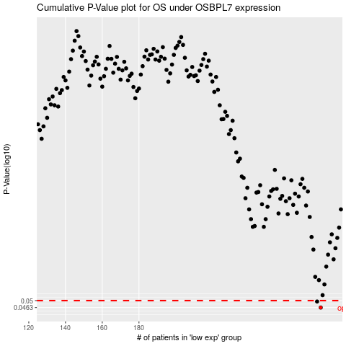

 |  |  |  |  |  | cases_OS | p_OS | rank | exp
 |  |  |  |  |  | 279 | 0.0463 | 340 | 0.13337125367
 |  |  |  |  |  | 277 | 0.0495 | 397 | 0.1180353242
 |  |  |  |  |  |  | cases_RFS | p_RFS | rank | exp
 |  |  |  |  |  |  | 278 | 0.0463 | 296 | 0.13307637334
 |  |  |  |  |  |  | 276 | 0.0495 | 123 | 0.10380465785

