OSCP1 _multivariate
Reported by Tex Li-Hsing Chi. tex@gate.sinica.edu.tw 2019-08-17

Table 2. The clinicopathological features of HNSCC cohort and OSCP1 expression. (Chi square test)
Cutoff at -0.193 (48.8%)
 |  | OSCP1 expression |  | OSCP1 expression |  | (Optimised)
 | Features | Low | (%) | High | (%) | Case no | P-value | Remark | Matthews
Gender | Female | 146 | 35.2 | 160 | 38.6 | 415 | 0.5854 | 0 | 0
2 | Male | 56 | 13.5 | 53 | 12.8
Age at diagnosis | <=65y | 128 | 30.8 | 146 | 35.2 | 415 | 0.3127 | 0 | 0
4 | >65y | 74 | 17.8 | 67 | 16.1
Clinical T Status | T1+T2 | 71 | 17.1 | 78 | 18.8 | 415 | 0.8337 | 0 | 0
6 | T3+T4 | 131 | 31.6 | 135 | 32.5
Clinical N Status | N0 | 100 | 24.1 | 116 | 28 | 415 | 0.362 | 0 | 0
8 | N1-3 | 102 | 24.6 | 97 | 23.4
Clinical M Status | M0 | 201 | 48.4 | 211 | 50.8 | 415 | 1 | 0 | 0
10 | M1 | 1 | 0.2 | 2 | 0.5
Clinical Stage | Stage I+II | 47 | 11.3 | 55 | 13.3 | 415 | 0.6241 | 0 | 0
12 | Stage III+IV | 155 | 37.3 | 158 | 38.1
Surgical Margin status | Negative | 153 | 36.9 | 165 | 39.8 | 415 | 0.7282 | 0 | 0
14 | Positive | 49 | 11.8 | 48 | 11.6
Tobacco Exposure | Low | 79 | 19 | 82 | 19.8 | 415 | 0.92 | 0 | 0
16 | High | 123 | 29.6 | 131 | 31.6

Table 3. Univariate/Multivariate Cox's proportional hazards regression analyses on OS time of OSCP1 gene expression in HNSCC

 |  | Univariate |  |  |  | Multivariate
 | Features | HR | CI95%(L) | CI95%(H) | P-value | HR | CI95%(L) | CI95%(H) | P-value
1 | Female | 1 |  |  |  | 1
Gender | Male | 1.157 | 0.843 | 1.587 | 0.367 | 1.174 | 0.839 | 1.642 | 0.35
11 | <=65y | 1 |  |  |  | 1
Age at diagnosis | >65y | 1.329 | 0.99 | 1.784 | 0.058 | 1.408 | 1.034 | 1.917 | 0.03
12 | T1+T2 | 1 |  |  |  | 1
Clinical T Status | T3+T4 | 1.409 | 1.028 | 1.931 | 0.033 | 2.248 | 1.189 | 4.249 | 0.013
13 | N0 | 1 |  |  |  | 1
Clinical N Status | N1-3 | 1.185 | 0.89 | 1.577 | 0.246 | 1.249 | 0.874 | 1.785 | 0.222
14 | M0 | 1 |  |  |  | 1
Clinical M Status | M1 | 4.097 | 1.009 | 16.644 | 0.049 | 9.802 | 2.135 | 44.991 | 0.003
15 | Stage I+II | 1 |  |  |  | 1
Clinical Stage | Stage III+IV | 1.245 | 0.882 | 1.759 | 0.213 | 0.482 | 0.224 | 1.036 | 0.062
16 | Negative | 1 |  |  |  | 1
Surgical Margin status | Positive | 1.591 | 1.155 | 2.191 | 0.004 | 1.657 | 1.198 | 2.29 | 0.002
17 | Low | 1 |  |  |  | 1
Tobacco Exposure | High | 1.364 | 1.008 | 1.844 | 0.044 | 1.47 | 1.064 | 2.031 | 0.02
18 | Low | 1 |  |  |  | 1
RNAseq(z-score) | High | 0.723 | 0.541 | 0.966 | 0.028 | 0.73 | 0.545 | 0.977 | 0.035

Table 4. Univariate/Multivariate Cox's proportional hazards regression analyses on RFS time of OSCP1 gene expression in HNSCC

 |  | Univariate |  |  |  | Multivariate
 | Features | HR | CI95%(L) | CI95%(H) | P-value | HR | CI95%(L) | CI95%(H) | P-value
1 | Female | 1 |  |  |  | 1
Gender | Male | 1.157 | 0.843 | 1.587 | 0.367 | 1.174 | 0.839 | 1.642 | 0.35
11 | <=65y | 1 |  |  |  | 1
Age at diagnosis | >65y | 1.329 | 0.99 | 1.784 | 0.058 | 1.408 | 1.034 | 1.917 | 0.03
12 | T1+T2 | 1 |  |  |  | 1
Clinical T Status | T3+T4 | 1.409 | 1.028 | 1.931 | 0.033 | 2.248 | 1.189 | 4.249 | 0.013
13 | N0 | 1 |  |  |  | 1
Clinical N Status | N1-3 | 1.185 | 0.89 | 1.577 | 0.246 | 1.249 | 0.874 | 1.785 | 0.222
14 | M0 | 1 |  |  |  | 1
Clinical M Status | M1 | 4.097 | 1.009 | 16.644 | 0.049 | 9.802 | 2.135 | 44.991 | 0.003
15 | Stage I+II | 1 |  |  |  | 1
Clinical Stage | Stage III+IV | 1.245 | 0.882 | 1.759 | 0.213 | 0.482 | 0.224 | 1.036 | 0.062
16 | Negative | 1 |  |  |  | 1
Surgical Margin status | Positive | 1.591 | 1.155 | 2.191 | 0.004 | 1.657 | 1.198 | 2.29 | 0.002
17 | Low | 1 |  |  |  | 1
Tobacco Exposure | High | 1.364 | 1.008 | 1.844 | 0.044 | 1.47 | 1.064 | 2.031 | 0.02
18 | Low | 1 |  |  |  | 1
RNAseq(z-score) | High | 0.723 | 0.541 | 0.966 | 0.028 | 0.73 | 0.545 | 0.977 | 0.035

Kaplan-Meier survival estimate: Cutoff at -0.193 (48.8%)

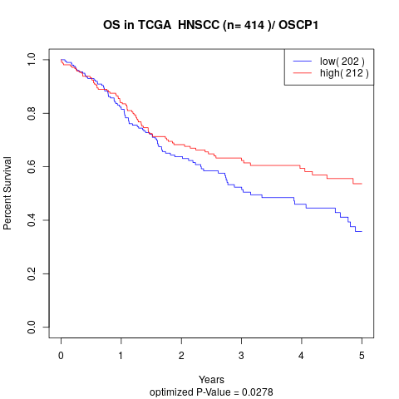

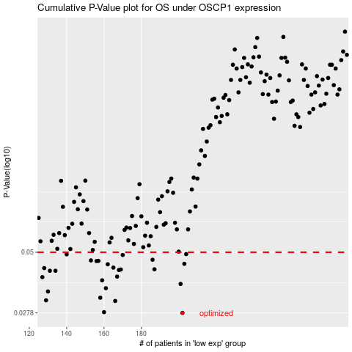

 |  |  |  |  |  | cases_OS | p_OS | rank | exp
 |  |  |  |  |  | 202 | 0.0278 | 26 | -0.19313552967
 |  |  |  |  |  | 160 | 0.028 | 365 | -0.27861351533
 |  |  |  |  |  | 166 | 0.0312 | 402 | -0.2703318766
 |  |  |  |  |  | 129 | 0.0314 | 146 | -0.3462508962
 |  |  |  |  |  | 158 | 0.0322 | 335 | -0.28153897473
 |  |  |  |  |  | 130 | 0.0342 | 93 | -0.345765152
 |  |  |  |  |  | 161 | 0.0353 | 116 | -0.27817174797
 |  |  |  |  |  | 201 | 0.0368 | 23 | -0.1945038091
 |  |  |  |  |  | 159 | 0.0381 | 88 | -0.27965896478
 |  |  |  |  |  | 127 | 0.0393 | 380 | -0.34733432564
 |  |  |  |  |  | 167 | 0.0395 | 246 | -0.26687969458
 |  |  |  |  |  | 131 | 0.0418 | 50 | -0.34446783519
 |  |  |  |  |  | 134 | 0.0418 | 164 | -0.3374255438
 |  |  |  |  |  | 168 | 0.0421 | 358 | -0.26056402054
 |  |  |  |  |  | 169 | 0.0423 | 36 | -0.25950357899
 |  |  |  |  |  | 187 | 0.0424 | 184 | -0.2360279417
 |  |  |  |  |  | 128 | 0.0429 | 62 | -0.34657272671
 |  |  |  |  |  | 165 | 0.0431 | 148 | -0.27348421652
 |  |  |  |  |  | 162 | 0.0445 | 328 | -0.27734918115
 |  |  |  |  |  | 203 | 0.0447 | 331 | -0.19299560335
 |  |  |  |  |  | 156 | 0.0459 | 342 | -0.28216264629
 |  |  |  |  |  | 157 | 0.046 | 155 | -0.28215864839
 |  |  |  |  |  | 153 | 0.0462 | 332 | -0.29056322239
 |  |  |  |  |  | 186 | 0.0465 | 256 | -0.23624882538
 |  |  |  |  |  | 170 | 0.0487 | 141 | -0.25803035481
 |  |  |  |  |  | 140 | 0.049 | 49 | -0.32175479631
 |  |  |  |  |  | 204 | 0.0491 | 193 | -0.18642106563
 |  |  |  |  |  |  | cases_RFS | p_RFS | rank | exp
 |  |  |  |  |  |  | 201 | 0.0278 | 23 | -0.1945038091
 |  |  |  |  |  |  | 159 | 0.028 | 88 | -0.27965896478
 |  |  |  |  |  |  | 165 | 0.0312 | 148 | -0.27348421652
 |  |  |  |  |  |  | 128 | 0.0314 | 62 | -0.34657272671
 |  |  |  |  |  |  | 157 | 0.0322 | 155 | -0.28215864839
 |  |  |  |  |  |  | 129 | 0.0342 | 146 | -0.3462508962
 |  |  |  |  |  |  | 160 | 0.0353 | 365 | -0.27861351533
 |  |  |  |  |  |  | 200 | 0.0368 | 64 | -0.20185093997
 |  |  |  |  |  |  | 158 | 0.0381 | 335 | -0.28153897473
 |  |  |  |  |  |  | 126 | 0.0393 | 289 | -0.34974105821
 |  |  |  |  |  |  | 166 | 0.0395 | 402 | -0.2703318766
 |  |  |  |  |  |  | 130 | 0.0418 | 93 | -0.345765152
 |  |  |  |  |  |  | 133 | 0.0418 | 224 | -0.33779534905
 |  |  |  |  |  |  | 167 | 0.0421 | 246 | -0.26687969458
 |  |  |  |  |  |  | 168 | 0.0423 | 358 | -0.26056402054
 |  |  |  |  |  |  | 186 | 0.0424 | 256 | -0.23624882538
 |  |  |  |  |  |  | 127 | 0.0429 | 380 | -0.34733432564
 |  |  |  |  |  |  | 164 | 0.0431 | 67 | -0.27661256907
 |  |  |  |  |  |  | 161 | 0.0445 | 116 | -0.27817174797
 |  |  |  |  |  |  | 202 | 0.0447 | 26 | -0.19313552967
 |  |  |  |  |  |  | 155 | 0.0459 | 56 | -0.28746385457
 |  |  |  |  |  |  | 156 | 0.046 | 342 | -0.28216264629
 |  |  |  |  |  |  | 152 | 0.0462 | 326 | -0.2987429148
 |  |  |  |  |  |  | 185 | 0.0465 | 404 | -0.23641273906
 |  |  |  |  |  |  | 169 | 0.0487 | 36 | -0.25950357899
 |  |  |  |  |  |  | 139 | 0.049 | 76 | -0.3218007721
 |  |  |  |  |  |  | 203 | 0.0491 | 331 | -0.19299560335

