OSGIN1 _multivariate
Reported by Tex Li-Hsing Chi. tex@gate.sinica.edu.tw 2019-08-17

Table 2. The clinicopathological features of HNSCC cohort and OSGIN1 expression. (Chi square test)
Cutoff at -0.38 (30.4%)
 |  | OSGIN1 expression |  | OSGIN1 expression |  | (Optimised)
 | Features | Low | (%) | High | (%) | Case no | P-value | Remark | Matthews
Gender | Female | 89 | 21.4 | 217 | 52.3 | 415 | 0.4087 | 0 | 0
2 | Male | 37 | 8.9 | 72 | 17.3
Age at diagnosis | <=65y | 84 | 20.2 | 190 | 45.8 | 415 | 0.9444 | 0 | 0
4 | >65y | 42 | 10.1 | 99 | 23.9
Clinical T Status | T1+T2 | 49 | 11.8 | 100 | 24.1 | 415 | 0.468 | 0 | 0
6 | T3+T4 | 77 | 18.6 | 189 | 45.5
Clinical N Status | N0 | 54 | 13 | 162 | 39 | 415 | 0.0179 | 1 | 0
8 | N1-3 | 72 | 17.3 | 127 | 30.6
Clinical M Status | M0 | 125 | 30.1 | 287 | 69.2 | 415 | 1 | 0 | 0
10 | M1 | 1 | 0.2 | 2 | 0.5
Clinical Stage | Stage I+II | 28 | 6.7 | 74 | 17.8 | 415 | 0.5405 | 0 | 0
12 | Stage III+IV | 98 | 23.6 | 215 | 51.8
Surgical Margin status | Negative | 93 | 22.4 | 225 | 54.2 | 415 | 0.3793 | 0 | 0
14 | Positive | 33 | 8 | 64 | 15.4
Tobacco Exposure | Low | 56 | 13.5 | 105 | 25.3 | 415 | 0.1262 | 0 | 0
16 | High | 70 | 16.9 | 184 | 44.3

Table 3. Univariate/Multivariate Cox's proportional hazards regression analyses on OS time of OSGIN1 gene expression in HNSCC

 |  | Univariate |  |  |  | Multivariate
 | Features | HR | CI95%(L) | CI95%(H) | P-value | HR | CI95%(L) | CI95%(H) | P-value
1 | Female | 1 |  |  |  | 1
Gender | Male | 1.157 | 0.843 | 1.587 | 0.367 | 1.224 | 0.875 | 1.712 | 0.237
11 | <=65y | 1 |  |  |  | 1
Age at diagnosis | >65y | 1.329 | 0.99 | 1.784 | 0.058 | 1.394 | 1.026 | 1.894 | 0.033
12 | T1+T2 | 1 |  |  |  | 1
Clinical T Status | T3+T4 | 1.409 | 1.028 | 1.931 | 0.033 | 2.123 | 1.123 | 4.013 | 0.021
13 | N0 | 1 |  |  |  | 1
Clinical N Status | N1-3 | 1.185 | 0.89 | 1.577 | 0.246 | 1.298 | 0.907 | 1.857 | 0.154
14 | M0 | 1 |  |  |  | 1
Clinical M Status | M1 | 4.097 | 1.009 | 16.644 | 0.049 | 9.136 | 1.993 | 41.878 | 0.004
15 | Stage I+II | 1 |  |  |  | 1
Clinical Stage | Stage III+IV | 1.245 | 0.882 | 1.759 | 0.213 | 0.511 | 0.238 | 1.095 | 0.084
16 | Negative | 1 |  |  |  | 1
Surgical Margin status | Positive | 1.591 | 1.155 | 2.191 | 0.004 | 1.682 | 1.218 | 2.323 | 0.002
17 | Low | 1 |  |  |  | 1
Tobacco Exposure | High | 1.364 | 1.008 | 1.844 | 0.044 | 1.389 | 1.006 | 1.919 | 0.046
18 | Low | 1 |  |  |  | 1
RNAseq(z-score) | High | 1.398 | 1.004 | 1.946 | 0.047 | 1.386 | 0.988 | 1.946 | 0.059

Table 4. Univariate/Multivariate Cox's proportional hazards regression analyses on RFS time of OSGIN1 gene expression in HNSCC

 |  | Univariate |  |  |  | Multivariate
 | Features | HR | CI95%(L) | CI95%(H) | P-value | HR | CI95%(L) | CI95%(H) | P-value
1 | Female | 1 |  |  |  | 1
Gender | Male | 1.157 | 0.843 | 1.587 | 0.367 | 1.224 | 0.875 | 1.712 | 0.237
11 | <=65y | 1 |  |  |  | 1
Age at diagnosis | >65y | 1.329 | 0.99 | 1.784 | 0.058 | 1.394 | 1.026 | 1.894 | 0.033
12 | T1+T2 | 1 |  |  |  | 1
Clinical T Status | T3+T4 | 1.409 | 1.028 | 1.931 | 0.033 | 2.123 | 1.123 | 4.013 | 0.021
13 | N0 | 1 |  |  |  | 1
Clinical N Status | N1-3 | 1.185 | 0.89 | 1.577 | 0.246 | 1.298 | 0.907 | 1.857 | 0.154
14 | M0 | 1 |  |  |  | 1
Clinical M Status | M1 | 4.097 | 1.009 | 16.644 | 0.049 | 9.136 | 1.993 | 41.878 | 0.004
15 | Stage I+II | 1 |  |  |  | 1
Clinical Stage | Stage III+IV | 1.245 | 0.882 | 1.759 | 0.213 | 0.511 | 0.238 | 1.095 | 0.084
16 | Negative | 1 |  |  |  | 1
Surgical Margin status | Positive | 1.591 | 1.155 | 2.191 | 0.004 | 1.682 | 1.218 | 2.323 | 0.002
17 | Low | 1 |  |  |  | 1
Tobacco Exposure | High | 1.364 | 1.008 | 1.844 | 0.044 | 1.389 | 1.006 | 1.919 | 0.046
18 | Low | 1 |  |  |  | 1
RNAseq(z-score) | High | 1.398 | 1.004 | 1.946 | 0.047 | 1.386 | 0.988 | 1.946 | 0.059

Kaplan-Meier survival estimate: Cutoff at -0.38 (30.4%)



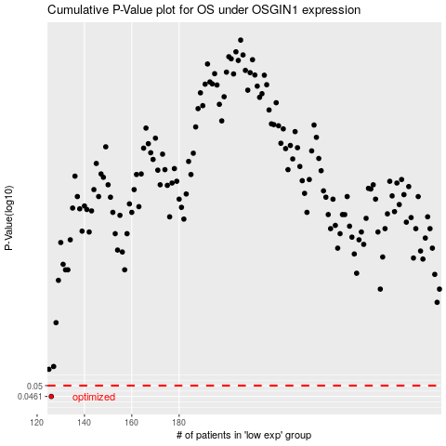

 |  |  |  |  |  | cases_OS | p_OS | rank | exp
 |  |  |  |  |  | 126 | 0.0461 | 202 | -0.37997879927
 |  |  |  |  |  |  | cases_RFS | p_RFS | rank | exp
 |  |  |  |  |  |  | 125 | 0.0461 | 42 | -0.38083083461

