OSGIN2 _multivariate
Reported by Tex Li-Hsing Chi. tex@gate.sinica.edu.tw 2019-08-17

Table 2. The clinicopathological features of HNSCC cohort and OSGIN2 expression. (Chi square test)
Cutoff at -0.386 (30.9%)
 |  | OSGIN2 expression |  | OSGIN2 expression |  | (Optimised)
 | Features | Low | (%) | High | (%) | Case no | P-value | Remark | Matthews
Gender | Female | 93 | 22.4 | 213 | 51.3 | 415 | 0.8316 | 0 | 0
2 | Male | 35 | 8.4 | 74 | 17.8
Age at diagnosis | <=65y | 83 | 20 | 191 | 46 | 415 | 0.8205 | 0 | 0
4 | >65y | 45 | 10.8 | 96 | 23.1
Clinical T Status | T1+T2 | 49 | 11.8 | 100 | 24.1 | 415 | 0.5731 | 0 | 0
6 | T3+T4 | 79 | 19 | 187 | 45.1
Clinical N Status | N0 | 74 | 17.8 | 142 | 34.2 | 415 | 0.1434 | 0 | 0
8 | N1-3 | 54 | 13 | 145 | 34.9
Clinical M Status | M0 | 126 | 30.4 | 286 | 68.9 | 415 | 0.2261 | 0 | 0
10 | M1 | 2 | 0.5 | 1 | 0.2
Clinical Stage | Stage I+II | 34 | 8.2 | 68 | 16.4 | 415 | 0.6146 | 0 | 0
12 | Stage III+IV | 94 | 22.7 | 219 | 52.8
Surgical Margin status | Negative | 98 | 23.6 | 220 | 53 | 415 | 1 | 0 | 0
14 | Positive | 30 | 7.2 | 67 | 16.1
Tobacco Exposure | Low | 55 | 13.3 | 106 | 25.5 | 415 | 0.2756 | 0 | 0
16 | High | 73 | 17.6 | 181 | 43.6

Table 3. Univariate/Multivariate Cox's proportional hazards regression analyses on OS time of OSGIN2 gene expression in HNSCC

 |  | Univariate |  |  |  | Multivariate
 | Features | HR | CI95%(L) | CI95%(H) | P-value | HR | CI95%(L) | CI95%(H) | P-value
1 | Female | 1 |  |  |  | 1
Gender | Male | 1.157 | 0.843 | 1.587 | 0.367 | 1.234 | 0.882 | 1.726 | 0.221
11 | <=65y | 1 |  |  |  | 1
Age at diagnosis | >65y | 1.329 | 0.99 | 1.784 | 0.058 | 1.398 | 1.027 | 1.902 | 0.033
12 | T1+T2 | 1 |  |  |  | 1
Clinical T Status | T3+T4 | 1.409 | 1.028 | 1.931 | 0.033 | 2.162 | 1.144 | 4.085 | 0.018
13 | N0 | 1 |  |  |  | 1
Clinical N Status | N1-3 | 1.185 | 0.89 | 1.577 | 0.246 | 1.19 | 0.833 | 1.701 | 0.338
14 | M0 | 1 |  |  |  | 1
Clinical M Status | M1 | 4.097 | 1.009 | 16.644 | 0.049 | 11.226 | 2.428 | 51.909 | 0.002
15 | Stage I+II | 1 |  |  |  | 1
Clinical Stage | Stage III+IV | 1.245 | 0.882 | 1.759 | 0.213 | 0.529 | 0.246 | 1.138 | 0.103
16 | Negative | 1 |  |  |  | 1
Surgical Margin status | Positive | 1.591 | 1.155 | 2.191 | 0.004 | 1.669 | 1.209 | 2.305 | 0.002
17 | Low | 1 |  |  |  | 1
Tobacco Exposure | High | 1.364 | 1.008 | 1.844 | 0.044 | 1.448 | 1.052 | 1.994 | 0.023
18 | Low | 1 |  |  |  | 1
RNAseq(z-score) | High | 1.385 | 0.999 | 1.918 | 0.05 | 1.423 | 1.022 | 1.981 | 0.037

Table 4. Univariate/Multivariate Cox's proportional hazards regression analyses on RFS time of OSGIN2 gene expression in HNSCC

 |  | Univariate |  |  |  | Multivariate
 | Features | HR | CI95%(L) | CI95%(H) | P-value | HR | CI95%(L) | CI95%(H) | P-value
1 | Female | 1 |  |  |  | 1
Gender | Male | 1.157 | 0.843 | 1.587 | 0.367 | 1.234 | 0.882 | 1.726 | 0.221
11 | <=65y | 1 |  |  |  | 1
Age at diagnosis | >65y | 1.329 | 0.99 | 1.784 | 0.058 | 1.398 | 1.027 | 1.902 | 0.033
12 | T1+T2 | 1 |  |  |  | 1
Clinical T Status | T3+T4 | 1.409 | 1.028 | 1.931 | 0.033 | 2.162 | 1.144 | 4.085 | 0.018
13 | N0 | 1 |  |  |  | 1
Clinical N Status | N1-3 | 1.185 | 0.89 | 1.577 | 0.246 | 1.19 | 0.833 | 1.701 | 0.338
14 | M0 | 1 |  |  |  | 1
Clinical M Status | M1 | 4.097 | 1.009 | 16.644 | 0.049 | 11.226 | 2.428 | 51.909 | 0.002
15 | Stage I+II | 1 |  |  |  | 1
Clinical Stage | Stage III+IV | 1.245 | 0.882 | 1.759 | 0.213 | 0.529 | 0.246 | 1.138 | 0.103
16 | Negative | 1 |  |  |  | 1
Surgical Margin status | Positive | 1.591 | 1.155 | 2.191 | 0.004 | 1.669 | 1.209 | 2.305 | 0.002
17 | Low | 1 |  |  |  | 1
Tobacco Exposure | High | 1.364 | 1.008 | 1.844 | 0.044 | 1.448 | 1.052 | 1.994 | 0.023
18 | Low | 1 |  |  |  | 1
RNAseq(z-score) | High | 1.385 | 0.999 | 1.918 | 0.05 | 1.423 | 1.022 | 1.981 | 0.037

Kaplan-Meier survival estimate: Cutoff at -0.386 (30.9%)

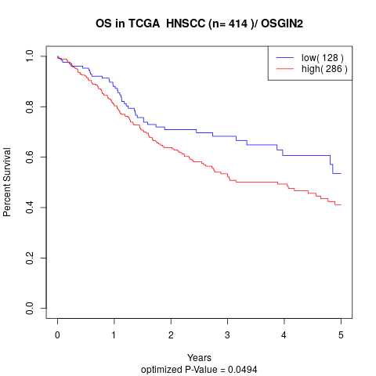

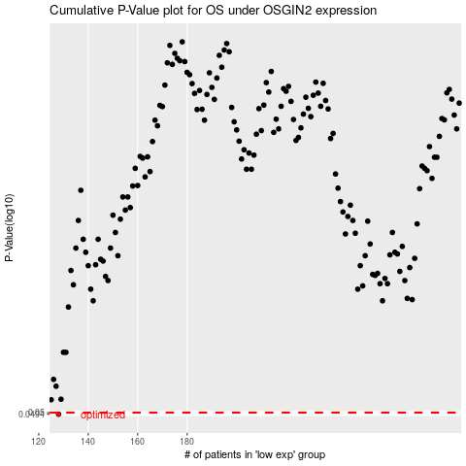

 |  |  |  |  |  | cases_OS | p_OS | rank | exp
 |  |  |  |  |  | 128 | 0.0494 | 254 | -0.38578634299
 |  |  |  |  |  |  | cases_RFS | p_RFS | rank | exp
 |  |  |  |  |  |  | 127 | 0.0494 | 130 | -0.38977308879

