OSMR _multivariate
Reported by Tex Li-Hsing Chi. tex@gate.sinica.edu.tw 2019-08-17

Table 2. The clinicopathological features of HNSCC cohort and OSMR expression. (Chi square test)
Cutoff at -0.145 (49.8%)
 |  | OSMR expression |  | OSMR expression |  | (Optimised)
 | Features | Low | (%) | High | (%) | Case no | P-value | Remark | Matthews
Gender | Female | 155 | 37.3 | 151 | 36.4 | 415 | 0.6768 | 0 | 0
2 | Male | 52 | 12.5 | 57 | 13.7
Age at diagnosis | <=65y | 138 | 33.3 | 136 | 32.8 | 415 | 0.8634 | 0 | 0
4 | >65y | 69 | 16.6 | 72 | 17.3
Clinical T Status | T1+T2 | 87 | 21 | 62 | 14.9 | 415 | 0.0127 | 1 | 0
6 | T3+T4 | 120 | 28.9 | 146 | 35.2
Clinical N Status | N0 | 108 | 26 | 108 | 26 | 415 | 1 | 0 | 0
8 | N1-3 | 99 | 23.9 | 100 | 24.1
Clinical M Status | M0 | 206 | 49.6 | 206 | 49.6 | 415 | 1 | 0 | 0
10 | M1 | 1 | 0.2 | 2 | 0.5
Clinical Stage | Stage I+II | 55 | 13.3 | 47 | 11.3 | 415 | 0.4087 | 0 | 0
12 | Stage III+IV | 152 | 36.6 | 161 | 38.8
Surgical Margin status | Negative | 157 | 37.8 | 161 | 38.8 | 415 | 0.729 | 0 | 0
14 | Positive | 50 | 12 | 47 | 11.3
Tobacco Exposure | Low | 85 | 20.5 | 76 | 18.3 | 415 | 0.3655 | 0 | 0
16 | High | 122 | 29.4 | 132 | 31.8

Table 3. Univariate/Multivariate Cox's proportional hazards regression analyses on OS time of OSMR gene expression in HNSCC

 |  | Univariate |  |  |  | Multivariate
 | Features | HR | CI95%(L) | CI95%(H) | P-value | HR | CI95%(L) | CI95%(H) | P-value
1 | Female | 1 |  |  |  | 1
Gender | Male | 1.157 | 0.843 | 1.587 | 0.367 | 1.199 | 0.859 | 1.675 | 0.286
11 | <=65y | 1 |  |  |  | 1
Age at diagnosis | >65y | 1.329 | 0.99 | 1.784 | 0.058 | 1.385 | 1.018 | 1.885 | 0.038
12 | T1+T2 | 1 |  |  |  | 1
Clinical T Status | T3+T4 | 1.409 | 1.028 | 1.931 | 0.033 | 2.12 | 1.118 | 4.017 | 0.021
13 | N0 | 1 |  |  |  | 1
Clinical N Status | N1-3 | 1.185 | 0.89 | 1.577 | 0.246 | 1.249 | 0.875 | 1.783 | 0.221
14 | M0 | 1 |  |  |  | 1
Clinical M Status | M1 | 4.097 | 1.009 | 16.644 | 0.049 | 8.884 | 1.933 | 40.818 | 0.005
15 | Stage I+II | 1 |  |  |  | 1
Clinical Stage | Stage III+IV | 1.245 | 0.882 | 1.759 | 0.213 | 0.518 | 0.241 | 1.113 | 0.092
16 | Negative | 1 |  |  |  | 1
Surgical Margin status | Positive | 1.591 | 1.155 | 2.191 | 0.004 | 1.689 | 1.222 | 2.334 | 0.001
17 | Low | 1 |  |  |  | 1
Tobacco Exposure | High | 1.364 | 1.008 | 1.844 | 0.044 | 1.439 | 1.044 | 1.983 | 0.026
18 | Low | 1 |  |  |  | 1
RNAseq(z-score) | High | 1.27 | 0.95 | 1.698 | 0.106 | 1.213 | 0.905 | 1.627 | 0.197

Table 4. Univariate/Multivariate Cox's proportional hazards regression analyses on RFS time of OSMR gene expression in HNSCC

 |  | Univariate |  |  |  | Multivariate
 | Features | HR | CI95%(L) | CI95%(H) | P-value | HR | CI95%(L) | CI95%(H) | P-value
1 | Female | 1 |  |  |  | 1
Gender | Male | 1.157 | 0.843 | 1.587 | 0.367 | 1.199 | 0.859 | 1.675 | 0.286
11 | <=65y | 1 |  |  |  | 1
Age at diagnosis | >65y | 1.329 | 0.99 | 1.784 | 0.058 | 1.385 | 1.018 | 1.885 | 0.038
12 | T1+T2 | 1 |  |  |  | 1
Clinical T Status | T3+T4 | 1.409 | 1.028 | 1.931 | 0.033 | 2.12 | 1.118 | 4.017 | 0.021
13 | N0 | 1 |  |  |  | 1
Clinical N Status | N1-3 | 1.185 | 0.89 | 1.577 | 0.246 | 1.249 | 0.875 | 1.783 | 0.221
14 | M0 | 1 |  |  |  | 1
Clinical M Status | M1 | 4.097 | 1.009 | 16.644 | 0.049 | 8.884 | 1.933 | 40.818 | 0.005
15 | Stage I+II | 1 |  |  |  | 1
Clinical Stage | Stage III+IV | 1.245 | 0.882 | 1.759 | 0.213 | 0.518 | 0.241 | 1.113 | 0.092
16 | Negative | 1 |  |  |  | 1
Surgical Margin status | Positive | 1.591 | 1.155 | 2.191 | 0.004 | 1.689 | 1.222 | 2.334 | 0.001
17 | Low | 1 |  |  |  | 1
Tobacco Exposure | High | 1.364 | 1.008 | 1.844 | 0.044 | 1.439 | 1.044 | 1.983 | 0.026
18 | Low | 1 |  |  |  | 1
RNAseq(z-score) | High | 1.27 | 0.95 | 1.698 | 0.106 | 1.213 | 0.905 | 1.627 | 0.197

Kaplan-Meier survival estimate: Cutoff at -0.145 (49.8%)



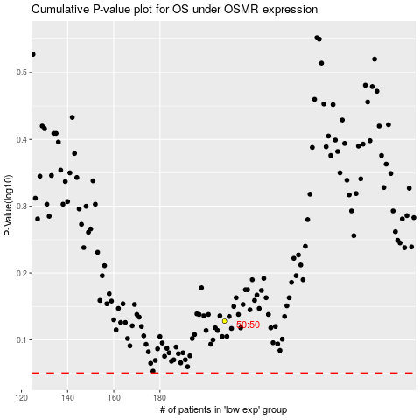

 |  |  |  |  |  | cases_OS | p_OS | rank | exp
 |  |  |  |  |  |  | cases_RFS | p_RFS | rank | exp

