OST4 _multivariate
Reported by Tex Li-Hsing Chi. tex@gate.sinica.edu.tw 2019-08-17

Table 2. The clinicopathological features of HNSCC cohort and OST4 expression. (Chi square test)
Cutoff at -0.564 (30.9%)
 |  | OST4 expression |  | OST4 expression |  | (Optimised)
 | Features | Low | (%) | High | (%) | Case no | P-value | Remark | Matthews
Gender | Female | 95 | 22.9 | 211 | 50.8 | 415 | 0.977 | 0 | 0
2 | Male | 33 | 8 | 76 | 18.3
Age at diagnosis | <=65y | 81 | 19.5 | 193 | 46.5 | 415 | 0.4993 | 0 | 0
4 | >65y | 47 | 11.3 | 94 | 22.7
Clinical T Status | T1+T2 | 60 | 14.5 | 89 | 21.4 | 415 | 0.0027 | 1 | 0
6 | T3+T4 | 68 | 16.4 | 198 | 47.7
Clinical N Status | N0 | 74 | 17.8 | 142 | 34.2 | 415 | 0.1434 | 0 | 0
8 | N1-3 | 54 | 13 | 145 | 34.9
Clinical M Status | M0 | 128 | 30.8 | 284 | 68.4 | 415 | 0.5558 | 0 | 0
10 | M1 | 0 | 0 | 3 | 0.7
Clinical Stage | Stage I+II | 38 | 9.2 | 64 | 15.4 | 415 | 0.136 | 0 | 0
12 | Stage III+IV | 90 | 21.7 | 223 | 53.7
Surgical Margin status | Negative | 102 | 24.6 | 216 | 52 | 415 | 0.3797 | 0 | 0
14 | Positive | 26 | 6.3 | 71 | 17.1
Tobacco Exposure | Low | 50 | 12 | 111 | 26.7 | 415 | 1 | 0 | 0
16 | High | 78 | 18.8 | 176 | 42.4

Table 3. Univariate/Multivariate Cox's proportional hazards regression analyses on OS time of OST4 gene expression in HNSCC

 |  | Univariate |  |  |  | Multivariate
 | Features | HR | CI95%(L) | CI95%(H) | P-value | HR | CI95%(L) | CI95%(H) | P-value
1 | Female | 1 |  |  |  | 1
Gender | Male | 1.157 | 0.843 | 1.587 | 0.367 | 1.167 | 0.834 | 1.634 | 0.368
11 | <=65y | 1 |  |  |  | 1
Age at diagnosis | >65y | 1.329 | 0.99 | 1.784 | 0.058 | 1.439 | 1.056 | 1.961 | 0.021
12 | T1+T2 | 1 |  |  |  | 1
Clinical T Status | T3+T4 | 1.409 | 1.028 | 1.931 | 0.033 | 2.059 | 1.084 | 3.911 | 0.027
13 | N0 | 1 |  |  |  | 1
Clinical N Status | N1-3 | 1.185 | 0.89 | 1.577 | 0.246 | 1.237 | 0.867 | 1.766 | 0.24
14 | M0 | 1 |  |  |  | 1
Clinical M Status | M1 | 4.097 | 1.009 | 16.644 | 0.049 | 8.232 | 1.781 | 38.042 | 0.007
15 | Stage I+II | 1 |  |  |  | 1
Clinical Stage | Stage III+IV | 1.245 | 0.882 | 1.759 | 0.213 | 0.526 | 0.245 | 1.131 | 0.1
16 | Negative | 1 |  |  |  | 1
Surgical Margin status | Positive | 1.591 | 1.155 | 2.191 | 0.004 | 1.627 | 1.177 | 2.251 | 0.003
17 | Low | 1 |  |  |  | 1
Tobacco Exposure | High | 1.364 | 1.008 | 1.844 | 0.044 | 1.47 | 1.066 | 2.025 | 0.019
18 | Low | 1 |  |  |  | 1
RNAseq(z-score) | High | 1.397 | 1.009 | 1.933 | 0.044 | 1.3 | 0.931 | 1.815 | 0.123

Table 4. Univariate/Multivariate Cox's proportional hazards regression analyses on RFS time of OST4 gene expression in HNSCC

 |  | Univariate |  |  |  | Multivariate
 | Features | HR | CI95%(L) | CI95%(H) | P-value | HR | CI95%(L) | CI95%(H) | P-value
1 | Female | 1 |  |  |  | 1
Gender | Male | 1.157 | 0.843 | 1.587 | 0.367 | 1.167 | 0.834 | 1.634 | 0.368
11 | <=65y | 1 |  |  |  | 1
Age at diagnosis | >65y | 1.329 | 0.99 | 1.784 | 0.058 | 1.439 | 1.056 | 1.961 | 0.021
12 | T1+T2 | 1 |  |  |  | 1
Clinical T Status | T3+T4 | 1.409 | 1.028 | 1.931 | 0.033 | 2.059 | 1.084 | 3.911 | 0.027
13 | N0 | 1 |  |  |  | 1
Clinical N Status | N1-3 | 1.185 | 0.89 | 1.577 | 0.246 | 1.237 | 0.867 | 1.766 | 0.24
14 | M0 | 1 |  |  |  | 1
Clinical M Status | M1 | 4.097 | 1.009 | 16.644 | 0.049 | 8.232 | 1.781 | 38.042 | 0.007
15 | Stage I+II | 1 |  |  |  | 1
Clinical Stage | Stage III+IV | 1.245 | 0.882 | 1.759 | 0.213 | 0.526 | 0.245 | 1.131 | 0.1
16 | Negative | 1 |  |  |  | 1
Surgical Margin status | Positive | 1.591 | 1.155 | 2.191 | 0.004 | 1.627 | 1.177 | 2.251 | 0.003
17 | Low | 1 |  |  |  | 1
Tobacco Exposure | High | 1.364 | 1.008 | 1.844 | 0.044 | 1.47 | 1.066 | 2.025 | 0.019
18 | Low | 1 |  |  |  | 1
RNAseq(z-score) | High | 1.397 | 1.009 | 1.933 | 0.044 | 1.3 | 0.931 | 1.815 | 0.123

Kaplan-Meier survival estimate: Cutoff at -0.564 (30.9%)



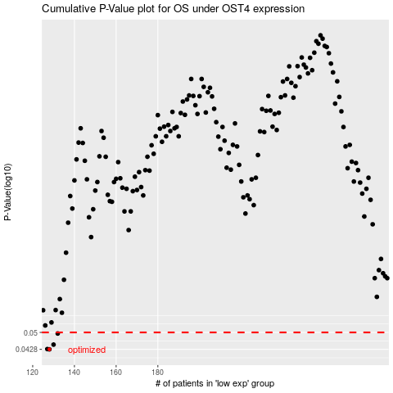

 |  |  |  |  |  | cases_OS | p_OS | rank | exp
 |  |  |  |  |  | 128 | 0.0428 | 325 | -0.56350165017
 |  |  |  |  |  | 127 | 0.0429 | 342 | -0.56428300682
 |  |  |  |  |  | 130 | 0.0447 | 61 | -0.55510307963
 |  |  |  |  |  | 132 | 0.0495 | 222 | -0.54592211298
 |  |  |  |  |  |  | cases_RFS | p_RFS | rank | exp
 |  |  |  |  |  |  | 127 | 0.0428 | 342 | -0.56428300682
 |  |  |  |  |  |  | 126 | 0.0429 | 112 | -0.57552084263
 |  |  |  |  |  |  | 129 | 0.0447 | 150 | -0.55541969694
 |  |  |  |  |  |  | 131 | 0.0495 | 151 | -0.54622345034

