OSTC _multivariate
Reported by Tex Li-Hsing Chi. tex@gate.sinica.edu.tw 2019-08-17

Table 2. The clinicopathological features of HNSCC cohort and OSTC expression. (Chi square test)
Cutoff at -0.094 (50.0%)
 |  | OSTC expression |  | OSTC expression |  | (Optimised)
 | Features | Low | (%) | High | (%) | Case no | P-value | Remark | Matthews
Gender | Female | 155 | 37.3 | 151 | 36.4 | 415 | 0.6768 | 0 | 0
2 | Male | 52 | 12.5 | 57 | 13.7
Age at diagnosis | <=65y | 133 | 32 | 141 | 34 | 415 | 0.5111 | 0 | 0
4 | >65y | 74 | 17.8 | 67 | 16.1
Clinical T Status | T1+T2 | 76 | 18.3 | 73 | 17.6 | 415 | 0.8092 | 0 | 0
6 | T3+T4 | 131 | 31.6 | 135 | 32.5
Clinical N Status | N0 | 110 | 26.5 | 106 | 25.5 | 415 | 0.7294 | 0 | 0
8 | N1-3 | 97 | 23.4 | 102 | 24.6
Clinical M Status | M0 | 206 | 49.6 | 206 | 49.6 | 415 | 1 | 0 | 0
10 | M1 | 1 | 0.2 | 2 | 0.5
Clinical Stage | Stage I+II | 45 | 10.8 | 57 | 13.7 | 415 | 0.2202 | 0 | 0
12 | Stage III+IV | 162 | 39 | 151 | 36.4
Surgical Margin status | Negative | 170 | 41 | 148 | 35.7 | 415 | 0.0105 | 1 | 0
14 | Positive | 37 | 8.9 | 60 | 14.5
Tobacco Exposure | Low | 94 | 22.7 | 67 | 16.1 | 415 | 0.0065 | 1 | 0
16 | High | 113 | 27.2 | 141 | 34

Table 3. Univariate/Multivariate Cox's proportional hazards regression analyses on OS time of OSTC gene expression in HNSCC

 |  | Univariate |  |  |  | Multivariate
 | Features | HR | CI95%(L) | CI95%(H) | P-value | HR | CI95%(L) | CI95%(H) | P-value
1 | Female | 1 |  |  |  | 1
Gender | Male | 1.157 | 0.843 | 1.587 | 0.367 | 1.204 | 0.86 | 1.687 | 0.279
11 | <=65y | 1 |  |  |  | 1
Age at diagnosis | >65y | 1.329 | 0.99 | 1.784 | 0.058 | 1.391 | 1.023 | 1.891 | 0.036
12 | T1+T2 | 1 |  |  |  | 1
Clinical T Status | T3+T4 | 1.409 | 1.028 | 1.931 | 0.033 | 2.211 | 1.165 | 4.196 | 0.015
13 | N0 | 1 |  |  |  | 1
Clinical N Status | N1-3 | 1.185 | 0.89 | 1.577 | 0.246 | 1.242 | 0.87 | 1.773 | 0.232
14 | M0 | 1 |  |  |  | 1
Clinical M Status | M1 | 4.097 | 1.009 | 16.644 | 0.049 | 9.5 | 2.052 | 43.987 | 0.004
15 | Stage I+II | 1 |  |  |  | 1
Clinical Stage | Stage III+IV | 1.245 | 0.882 | 1.759 | 0.213 | 0.501 | 0.231 | 1.087 | 0.08
16 | Negative | 1 |  |  |  | 1
Surgical Margin status | Positive | 1.591 | 1.155 | 2.191 | 0.004 | 1.678 | 1.205 | 2.337 | 0.002
17 | Low | 1 |  |  |  | 1
Tobacco Exposure | High | 1.364 | 1.008 | 1.844 | 0.044 | 1.457 | 1.053 | 2.017 | 0.023
18 | Low | 1 |  |  |  | 1
RNAseq(z-score) | High | 1.15 | 0.862 | 1.533 | 0.343 | 0.983 | 0.724 | 1.333 | 0.912

Table 4. Univariate/Multivariate Cox's proportional hazards regression analyses on RFS time of OSTC gene expression in HNSCC

 |  | Univariate |  |  |  | Multivariate
 | Features | HR | CI95%(L) | CI95%(H) | P-value | HR | CI95%(L) | CI95%(H) | P-value
1 | Female | 1 |  |  |  | 1
Gender | Male | 1.157 | 0.843 | 1.587 | 0.367 | 1.204 | 0.86 | 1.687 | 0.279
11 | <=65y | 1 |  |  |  | 1
Age at diagnosis | >65y | 1.329 | 0.99 | 1.784 | 0.058 | 1.391 | 1.023 | 1.891 | 0.036
12 | T1+T2 | 1 |  |  |  | 1
Clinical T Status | T3+T4 | 1.409 | 1.028 | 1.931 | 0.033 | 2.211 | 1.165 | 4.196 | 0.015
13 | N0 | 1 |  |  |  | 1
Clinical N Status | N1-3 | 1.185 | 0.89 | 1.577 | 0.246 | 1.242 | 0.87 | 1.773 | 0.232
14 | M0 | 1 |  |  |  | 1
Clinical M Status | M1 | 4.097 | 1.009 | 16.644 | 0.049 | 9.5 | 2.052 | 43.987 | 0.004
15 | Stage I+II | 1 |  |  |  | 1
Clinical Stage | Stage III+IV | 1.245 | 0.882 | 1.759 | 0.213 | 0.501 | 0.231 | 1.087 | 0.08
16 | Negative | 1 |  |  |  | 1
Surgical Margin status | Positive | 1.591 | 1.155 | 2.191 | 0.004 | 1.678 | 1.205 | 2.337 | 0.002
17 | Low | 1 |  |  |  | 1
Tobacco Exposure | High | 1.364 | 1.008 | 1.844 | 0.044 | 1.457 | 1.053 | 2.017 | 0.023
18 | Low | 1 |  |  |  | 1
RNAseq(z-score) | High | 1.15 | 0.862 | 1.533 | 0.343 | 0.983 | 0.724 | 1.333 | 0.912

Kaplan-Meier survival estimate: Cutoff at -0.094 (50.0%)



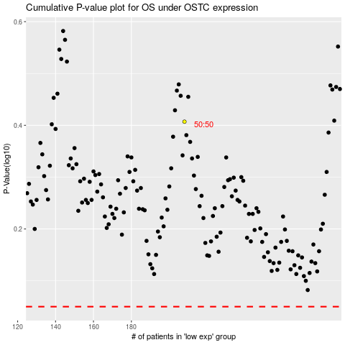

 |  |  |  |  |  | cases_OS | p_OS | rank | exp
 |  |  |  |  |  |  | cases_RFS | p_RFS | rank | exp

