OSTCL _multivariate
Reported by Tex Li-Hsing Chi. tex@gate.sinica.edu.tw 2019-08-17

Table 2. The clinicopathological features of HNSCC cohort and OSTCL expression. (Chi square test)
Cutoff at -0.109 (49.8%)
 |  | OSTCL expression |  | OSTCL expression |  | (Optimised)
 | Features | Low | (%) | High | (%) | Case no | P-value | Remark | Matthews
Gender | Female | 147 | 35.4 | 159 | 38.3 | 415 | 0.2523 | 0 | 0
2 | Male | 60 | 14.5 | 49 | 11.8
Age at diagnosis | <=65y | 130 | 31.3 | 144 | 34.7 | 415 | 0.2009 | 0 | 0
4 | >65y | 77 | 18.6 | 64 | 15.4
Clinical T Status | T1+T2 | 77 | 18.6 | 72 | 17.3 | 415 | 0.6556 | 0 | 0
6 | T3+T4 | 130 | 31.3 | 136 | 32.8
Clinical N Status | N0 | 106 | 25.5 | 110 | 26.5 | 415 | 0.8075 | 0 | 0
8 | N1-3 | 101 | 24.3 | 98 | 23.6
Clinical M Status | M0 | 205 | 49.4 | 207 | 49.9 | 415 | 0.6232 | 0 | 0
10 | M1 | 2 | 0.5 | 1 | 0.2
Clinical Stage | Stage I+II | 47 | 11.3 | 55 | 13.3 | 415 | 0.4413 | 0 | 0
12 | Stage III+IV | 160 | 38.6 | 153 | 36.9
Surgical Margin status | Negative | 157 | 37.8 | 161 | 38.8 | 415 | 0.729 | 0 | 0
14 | Positive | 50 | 12 | 47 | 11.3
Tobacco Exposure | Low | 95 | 22.9 | 66 | 15.9 | 415 | 0.0035 | 1 | 0
16 | High | 112 | 27 | 142 | 34.2

Table 3. Univariate/Multivariate Cox's proportional hazards regression analyses on OS time of OSTCL gene expression in HNSCC

 |  | Univariate |  |  |  | Multivariate
 | Features | HR | CI95%(L) | CI95%(H) | P-value | HR | CI95%(L) | CI95%(H) | P-value
1 | Female | 1 |  |  |  | 1
Gender | Male | 1.157 | 0.843 | 1.587 | 0.367 | 1.201 | 0.86 | 1.679 | 0.283
11 | <=65y | 1 |  |  |  | 1
Age at diagnosis | >65y | 1.329 | 0.99 | 1.784 | 0.058 | 1.399 | 1.027 | 1.905 | 0.033
12 | T1+T2 | 1 |  |  |  | 1
Clinical T Status | T3+T4 | 1.409 | 1.028 | 1.931 | 0.033 | 2.193 | 1.159 | 4.149 | 0.016
13 | N0 | 1 |  |  |  | 1
Clinical N Status | N1-3 | 1.185 | 0.89 | 1.577 | 0.246 | 1.24 | 0.869 | 1.77 | 0.235
14 | M0 | 1 |  |  |  | 1
Clinical M Status | M1 | 4.097 | 1.009 | 16.644 | 0.049 | 9.397 | 2.05 | 43.078 | 0.004
15 | Stage I+II | 1 |  |  |  | 1
Clinical Stage | Stage III+IV | 1.245 | 0.882 | 1.759 | 0.213 | 0.51 | 0.237 | 1.1 | 0.086
16 | Negative | 1 |  |  |  | 1
Surgical Margin status | Positive | 1.591 | 1.155 | 2.191 | 0.004 | 1.679 | 1.214 | 2.323 | 0.002
17 | Low | 1 |  |  |  | 1
Tobacco Exposure | High | 1.364 | 1.008 | 1.844 | 0.044 | 1.445 | 1.046 | 1.995 | 0.025
18 | Low | 1 |  |  |  | 1
RNAseq(z-score) | High | 1.026 | 0.77 | 1.366 | 0.862 | 1.047 | 0.78 | 1.406 | 0.758

Table 4. Univariate/Multivariate Cox's proportional hazards regression analyses on RFS time of OSTCL gene expression in HNSCC

 |  | Univariate |  |  |  | Multivariate
 | Features | HR | CI95%(L) | CI95%(H) | P-value | HR | CI95%(L) | CI95%(H) | P-value
1 | Female | 1 |  |  |  | 1
Gender | Male | 1.157 | 0.843 | 1.587 | 0.367 | 1.201 | 0.86 | 1.679 | 0.283
11 | <=65y | 1 |  |  |  | 1
Age at diagnosis | >65y | 1.329 | 0.99 | 1.784 | 0.058 | 1.399 | 1.027 | 1.905 | 0.033
12 | T1+T2 | 1 |  |  |  | 1
Clinical T Status | T3+T4 | 1.409 | 1.028 | 1.931 | 0.033 | 2.193 | 1.159 | 4.149 | 0.016
13 | N0 | 1 |  |  |  | 1
Clinical N Status | N1-3 | 1.185 | 0.89 | 1.577 | 0.246 | 1.24 | 0.869 | 1.77 | 0.235
14 | M0 | 1 |  |  |  | 1
Clinical M Status | M1 | 4.097 | 1.009 | 16.644 | 0.049 | 9.397 | 2.05 | 43.078 | 0.004
15 | Stage I+II | 1 |  |  |  | 1
Clinical Stage | Stage III+IV | 1.245 | 0.882 | 1.759 | 0.213 | 0.51 | 0.237 | 1.1 | 0.086
16 | Negative | 1 |  |  |  | 1
Surgical Margin status | Positive | 1.591 | 1.155 | 2.191 | 0.004 | 1.679 | 1.214 | 2.323 | 0.002
17 | Low | 1 |  |  |  | 1
Tobacco Exposure | High | 1.364 | 1.008 | 1.844 | 0.044 | 1.445 | 1.046 | 1.995 | 0.025
18 | Low | 1 |  |  |  | 1
RNAseq(z-score) | High | 1.026 | 0.77 | 1.366 | 0.862 | 1.047 | 0.78 | 1.406 | 0.758

Kaplan-Meier survival estimate: Cutoff at -0.109 (49.8%)



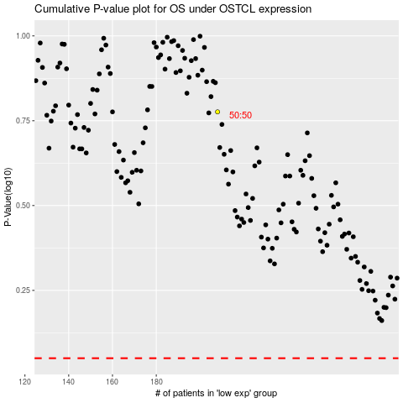

 |  |  |  |  |  | cases_OS | p_OS | rank | exp
 |  |  |  |  |  |  | cases_RFS | p_RFS | rank | exp

