OTOA _multivariate
Reported by Tex Li-Hsing Chi. tex@gate.sinica.edu.tw 2019-08-17

Table 2. The clinicopathological features of HNSCC cohort and OTOA expression. (Chi square test)
Cutoff at -0.282 (49.8%)
 |  | OTOA expression |  | OTOA expression |  | (Optimised)
 | Features | Low | (%) | High | (%) | Case no | P-value | Remark | Matthews
Gender | Female | 157 | 37.8 | 149 | 35.9 | 415 | 0.3881 | 0 | 0
2 | Male | 50 | 12 | 59 | 14.2
Age at diagnosis | <=65y | 141 | 34 | 133 | 32 | 415 | 0.4272 | 0 | 0
4 | >65y | 66 | 15.9 | 75 | 18.1
Clinical T Status | T1+T2 | 73 | 17.6 | 76 | 18.3 | 415 | 0.8666 | 0 | 0
6 | T3+T4 | 134 | 32.3 | 132 | 31.8
Clinical N Status | N0 | 127 | 30.6 | 89 | 21.4 | 415 | 2e-04 | 1 | 0
8 | N1-3 | 80 | 19.3 | 119 | 28.7
Clinical M Status | M0 | 207 | 49.9 | 205 | 49.4 | 415 | 0.2482 | 0 | 0
10 | M1 | 0 | 0 | 3 | 0.7
Clinical Stage | Stage I+II | 61 | 14.7 | 41 | 9.9 | 415 | 0.0282 | 1 | 0
12 | Stage III+IV | 146 | 35.2 | 167 | 40.2
Surgical Margin status | Negative | 161 | 38.8 | 157 | 37.8 | 415 | 0.6429 | 0 | 0
14 | Positive | 46 | 11.1 | 51 | 12.3
Tobacco Exposure | Low | 70 | 16.9 | 91 | 21.9 | 415 | 0.0439 | 1 | 0
16 | High | 137 | 33 | 117 | 28.2

Table 3. Univariate/Multivariate Cox's proportional hazards regression analyses on OS time of OTOA gene expression in HNSCC

 |  | Univariate |  |  |  | Multivariate
 | Features | HR | CI95%(L) | CI95%(H) | P-value | HR | CI95%(L) | CI95%(H) | P-value
1 | Female | 1 |  |  |  | 1
Gender | Male | 1.157 | 0.843 | 1.587 | 0.367 | 1.203 | 0.861 | 1.68 | 0.279
11 | <=65y | 1 |  |  |  | 1
Age at diagnosis | >65y | 1.329 | 0.99 | 1.784 | 0.058 | 1.396 | 1.027 | 1.897 | 0.033
12 | T1+T2 | 1 |  |  |  | 1
Clinical T Status | T3+T4 | 1.409 | 1.028 | 1.931 | 0.033 | 2.191 | 1.159 | 4.144 | 0.016
13 | N0 | 1 |  |  |  | 1
Clinical N Status | N1-3 | 1.185 | 0.89 | 1.577 | 0.246 | 1.266 | 0.882 | 1.817 | 0.2
14 | M0 | 1 |  |  |  | 1
Clinical M Status | M1 | 4.097 | 1.009 | 16.644 | 0.049 | 9.706 | 2.11 | 44.653 | 0.004
15 | Stage I+II | 1 |  |  |  | 1
Clinical Stage | Stage III+IV | 1.245 | 0.882 | 1.759 | 0.213 | 0.512 | 0.238 | 1.1 | 0.086
16 | Negative | 1 |  |  |  | 1
Surgical Margin status | Positive | 1.591 | 1.155 | 2.191 | 0.004 | 1.679 | 1.215 | 2.321 | 0.002
17 | Low | 1 |  |  |  | 1
Tobacco Exposure | High | 1.364 | 1.008 | 1.844 | 0.044 | 1.43 | 1.034 | 1.978 | 0.031
18 | Low | 1 |  |  |  | 1
RNAseq(z-score) | High | 0.944 | 0.708 | 1.258 | 0.693 | 0.91 | 0.672 | 1.234 | 0.544

Table 4. Univariate/Multivariate Cox's proportional hazards regression analyses on RFS time of OTOA gene expression in HNSCC

 |  | Univariate |  |  |  | Multivariate
 | Features | HR | CI95%(L) | CI95%(H) | P-value | HR | CI95%(L) | CI95%(H) | P-value
1 | Female | 1 |  |  |  | 1
Gender | Male | 1.157 | 0.843 | 1.587 | 0.367 | 1.203 | 0.861 | 1.68 | 0.279
11 | <=65y | 1 |  |  |  | 1
Age at diagnosis | >65y | 1.329 | 0.99 | 1.784 | 0.058 | 1.396 | 1.027 | 1.897 | 0.033
12 | T1+T2 | 1 |  |  |  | 1
Clinical T Status | T3+T4 | 1.409 | 1.028 | 1.931 | 0.033 | 2.191 | 1.159 | 4.144 | 0.016
13 | N0 | 1 |  |  |  | 1
Clinical N Status | N1-3 | 1.185 | 0.89 | 1.577 | 0.246 | 1.266 | 0.882 | 1.817 | 0.2
14 | M0 | 1 |  |  |  | 1
Clinical M Status | M1 | 4.097 | 1.009 | 16.644 | 0.049 | 9.706 | 2.11 | 44.653 | 0.004
15 | Stage I+II | 1 |  |  |  | 1
Clinical Stage | Stage III+IV | 1.245 | 0.882 | 1.759 | 0.213 | 0.512 | 0.238 | 1.1 | 0.086
16 | Negative | 1 |  |  |  | 1
Surgical Margin status | Positive | 1.591 | 1.155 | 2.191 | 0.004 | 1.679 | 1.215 | 2.321 | 0.002
17 | Low | 1 |  |  |  | 1
Tobacco Exposure | High | 1.364 | 1.008 | 1.844 | 0.044 | 1.43 | 1.034 | 1.978 | 0.031
18 | Low | 1 |  |  |  | 1
RNAseq(z-score) | High | 0.944 | 0.708 | 1.258 | 0.693 | 0.91 | 0.672 | 1.234 | 0.544

Kaplan-Meier survival estimate: Cutoff at -0.282 (49.8%)



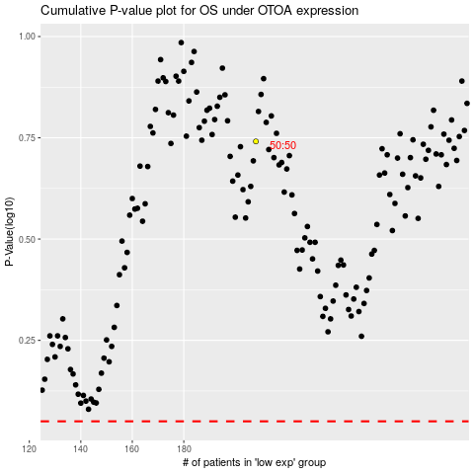

 |  |  |  |  |  | cases_OS | p_OS | rank | exp
 |  |  |  |  |  |  | cases_RFS | p_RFS | rank | exp

