OTOP2 _multivariate
Reported by Tex Li-Hsing Chi. tex@gate.sinica.edu.tw 2019-08-17

Table 2. The clinicopathological features of HNSCC cohort and OTOP2 expression. (Chi square test)
Cutoff at -0.382 (50.0%)
 |  | OTOP2 expression |  | OTOP2 expression |  | (Optimised)
 | Features | Low | (%) | High | (%) | Case no | P-value | Remark | Matthews
Gender | Female | 160 | 38.6 | 146 | 35.2 | 415 | 0.1254 | 0 | 0
2 | Male | 47 | 11.3 | 62 | 14.9
Age at diagnosis | <=65y | 137 | 33 | 137 | 33 | 415 | 1 | 0 | 0
4 | >65y | 70 | 16.9 | 71 | 17.1
Clinical T Status | T1+T2 | 75 | 18.1 | 74 | 17.8 | 415 | 0.9707 | 0 | 0
6 | T3+T4 | 132 | 31.8 | 134 | 32.3
Clinical N Status | N0 | 93 | 22.4 | 123 | 29.6 | 415 | 0.0051 | 1 | 0
8 | N1-3 | 114 | 27.5 | 85 | 20.5
Clinical M Status | M0 | 205 | 49.4 | 207 | 49.9 | 415 | 0.6232 | 0 | 0
10 | M1 | 2 | 0.5 | 1 | 0.2
Clinical Stage | Stage I+II | 49 | 11.8 | 53 | 12.8 | 415 | 0.7535 | 0 | 0
12 | Stage III+IV | 158 | 38.1 | 155 | 37.3
Surgical Margin status | Negative | 151 | 36.4 | 167 | 40.2 | 415 | 0.0828 | 0 | 0
14 | Positive | 56 | 13.5 | 41 | 9.9
Tobacco Exposure | Low | 81 | 19.5 | 80 | 19.3 | 415 | 0.9199 | 0 | 0
16 | High | 126 | 30.4 | 128 | 30.8

Table 3. Univariate/Multivariate Cox's proportional hazards regression analyses on OS time of OTOP2 gene expression in HNSCC

 |  | Univariate |  |  |  | Multivariate
 | Features | HR | CI95%(L) | CI95%(H) | P-value | HR | CI95%(L) | CI95%(H) | P-value
1 | Female | 1 |  |  |  | 1
Gender | Male | 1.157 | 0.843 | 1.587 | 0.367 | 1.216 | 0.87 | 1.7 | 0.253
11 | <=65y | 1 |  |  |  | 1
Age at diagnosis | >65y | 1.329 | 0.99 | 1.784 | 0.058 | 1.388 | 1.021 | 1.887 | 0.037
12 | T1+T2 | 1 |  |  |  | 1
Clinical T Status | T3+T4 | 1.409 | 1.028 | 1.931 | 0.033 | 2.193 | 1.16 | 4.148 | 0.016
13 | N0 | 1 |  |  |  | 1
Clinical N Status | N1-3 | 1.185 | 0.89 | 1.577 | 0.246 | 1.216 | 0.849 | 1.742 | 0.286
14 | M0 | 1 |  |  |  | 1
Clinical M Status | M1 | 4.097 | 1.009 | 16.644 | 0.049 | 9.346 | 2.039 | 42.846 | 0.004
15 | Stage I+II | 1 |  |  |  | 1
Clinical Stage | Stage III+IV | 1.245 | 0.882 | 1.759 | 0.213 | 0.513 | 0.239 | 1.103 | 0.088
16 | Negative | 1 |  |  |  | 1
Surgical Margin status | Positive | 1.591 | 1.155 | 2.191 | 0.004 | 1.663 | 1.203 | 2.298 | 0.002
17 | Low | 1 |  |  |  | 1
Tobacco Exposure | High | 1.364 | 1.008 | 1.844 | 0.044 | 1.472 | 1.067 | 2.032 | 0.019
18 | Low | 1 |  |  |  | 1
RNAseq(z-score) | High | 0.894 | 0.671 | 1.192 | 0.447 | 0.893 | 0.666 | 1.197 | 0.448

Table 4. Univariate/Multivariate Cox's proportional hazards regression analyses on RFS time of OTOP2 gene expression in HNSCC

 |  | Univariate |  |  |  | Multivariate
 | Features | HR | CI95%(L) | CI95%(H) | P-value | HR | CI95%(L) | CI95%(H) | P-value
1 | Female | 1 |  |  |  | 1
Gender | Male | 1.157 | 0.843 | 1.587 | 0.367 | 1.216 | 0.87 | 1.7 | 0.253
11 | <=65y | 1 |  |  |  | 1
Age at diagnosis | >65y | 1.329 | 0.99 | 1.784 | 0.058 | 1.388 | 1.021 | 1.887 | 0.037
12 | T1+T2 | 1 |  |  |  | 1
Clinical T Status | T3+T4 | 1.409 | 1.028 | 1.931 | 0.033 | 2.193 | 1.16 | 4.148 | 0.016
13 | N0 | 1 |  |  |  | 1
Clinical N Status | N1-3 | 1.185 | 0.89 | 1.577 | 0.246 | 1.216 | 0.849 | 1.742 | 0.286
14 | M0 | 1 |  |  |  | 1
Clinical M Status | M1 | 4.097 | 1.009 | 16.644 | 0.049 | 9.346 | 2.039 | 42.846 | 0.004
15 | Stage I+II | 1 |  |  |  | 1
Clinical Stage | Stage III+IV | 1.245 | 0.882 | 1.759 | 0.213 | 0.513 | 0.239 | 1.103 | 0.088
16 | Negative | 1 |  |  |  | 1
Surgical Margin status | Positive | 1.591 | 1.155 | 2.191 | 0.004 | 1.663 | 1.203 | 2.298 | 0.002
17 | Low | 1 |  |  |  | 1
Tobacco Exposure | High | 1.364 | 1.008 | 1.844 | 0.044 | 1.472 | 1.067 | 2.032 | 0.019
18 | Low | 1 |  |  |  | 1
RNAseq(z-score) | High | 0.894 | 0.671 | 1.192 | 0.447 | 0.893 | 0.666 | 1.197 | 0.448

Kaplan-Meier survival estimate: Cutoff at -0.382 (50.0%)



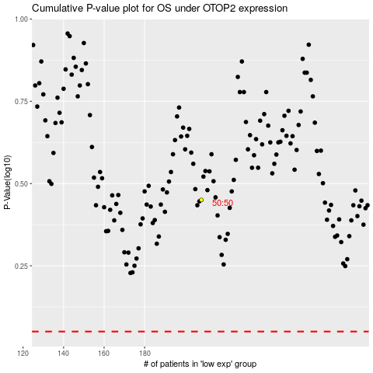

 |  |  |  |  |  | cases_OS | p_OS | rank | exp
 |  |  |  |  |  |  | cases_RFS | p_RFS | rank | exp

