OTUB2 _multivariate
Reported by Tex Li-Hsing Chi. tex@gate.sinica.edu.tw 2019-08-17

Table 2. The clinicopathological features of HNSCC cohort and OTUB2 expression. (Chi square test)
Cutoff at -0.295 (50.0%)
 |  | OTUB2 expression |  | OTUB2 expression |  | (Optimised)
 | Features | Low | (%) | High | (%) | Case no | P-value | Remark | Matthews
Gender | Female | 162 | 39 | 144 | 34.7 | 415 | 0.0479 | 1 | 0
2 | Male | 45 | 10.8 | 64 | 15.4
Age at diagnosis | <=65y | 137 | 33 | 137 | 33 | 415 | 1 | 0 | 0
4 | >65y | 70 | 16.9 | 71 | 17.1
Clinical T Status | T1+T2 | 73 | 17.6 | 76 | 18.3 | 415 | 0.8666 | 0 | 0
6 | T3+T4 | 134 | 32.3 | 132 | 31.8
Clinical N Status | N0 | 106 | 25.5 | 110 | 26.5 | 415 | 0.8075 | 0 | 0
8 | N1-3 | 101 | 24.3 | 98 | 23.6
Clinical M Status | M0 | 207 | 49.9 | 205 | 49.4 | 415 | 0.2482 | 0 | 0
10 | M1 | 0 | 0 | 3 | 0.7
Clinical Stage | Stage I+II | 46 | 11.1 | 56 | 13.5 | 415 | 0.3182 | 0 | 0
12 | Stage III+IV | 161 | 38.8 | 152 | 36.6
Surgical Margin status | Negative | 154 | 37.1 | 164 | 39.5 | 415 | 0.2984 | 0 | 0
14 | Positive | 53 | 12.8 | 44 | 10.6
Tobacco Exposure | Low | 69 | 16.6 | 92 | 22.2 | 415 | 0.0266 | 1 | 0
16 | High | 138 | 33.3 | 116 | 28

Table 3. Univariate/Multivariate Cox's proportional hazards regression analyses on OS time of OTUB2 gene expression in HNSCC

 |  | Univariate |  |  |  | Multivariate
 | Features | HR | CI95%(L) | CI95%(H) | P-value | HR | CI95%(L) | CI95%(H) | P-value
1 | Female | 1 |  |  |  | 1
Gender | Male | 1.157 | 0.843 | 1.587 | 0.367 | 1.213 | 0.868 | 1.697 | 0.258
11 | <=65y | 1 |  |  |  | 1
Age at diagnosis | >65y | 1.329 | 0.99 | 1.784 | 0.058 | 1.392 | 1.024 | 1.893 | 0.035
12 | T1+T2 | 1 |  |  |  | 1
Clinical T Status | T3+T4 | 1.409 | 1.028 | 1.931 | 0.033 | 2.228 | 1.177 | 4.217 | 0.014
13 | N0 | 1 |  |  |  | 1
Clinical N Status | N1-3 | 1.185 | 0.89 | 1.577 | 0.246 | 1.244 | 0.872 | 1.776 | 0.229
14 | M0 | 1 |  |  |  | 1
Clinical M Status | M1 | 4.097 | 1.009 | 16.644 | 0.049 | 10.058 | 2.167 | 46.681 | 0.003
15 | Stage I+II | 1 |  |  |  | 1
Clinical Stage | Stage III+IV | 1.245 | 0.882 | 1.759 | 0.213 | 0.494 | 0.229 | 1.063 | 0.071
16 | Negative | 1 |  |  |  | 1
Surgical Margin status | Positive | 1.591 | 1.155 | 2.191 | 0.004 | 1.667 | 1.206 | 2.304 | 0.002
17 | Low | 1 |  |  |  | 1
Tobacco Exposure | High | 1.364 | 1.008 | 1.844 | 0.044 | 1.436 | 1.04 | 1.982 | 0.028
18 | Low | 1 |  |  |  | 1
RNAseq(z-score) | High | 0.916 | 0.687 | 1.22 | 0.547 | 0.902 | 0.671 | 1.212 | 0.494

Table 4. Univariate/Multivariate Cox's proportional hazards regression analyses on RFS time of OTUB2 gene expression in HNSCC

 |  | Univariate |  |  |  | Multivariate
 | Features | HR | CI95%(L) | CI95%(H) | P-value | HR | CI95%(L) | CI95%(H) | P-value
1 | Female | 1 |  |  |  | 1
Gender | Male | 1.157 | 0.843 | 1.587 | 0.367 | 1.213 | 0.868 | 1.697 | 0.258
11 | <=65y | 1 |  |  |  | 1
Age at diagnosis | >65y | 1.329 | 0.99 | 1.784 | 0.058 | 1.392 | 1.024 | 1.893 | 0.035
12 | T1+T2 | 1 |  |  |  | 1
Clinical T Status | T3+T4 | 1.409 | 1.028 | 1.931 | 0.033 | 2.228 | 1.177 | 4.217 | 0.014
13 | N0 | 1 |  |  |  | 1
Clinical N Status | N1-3 | 1.185 | 0.89 | 1.577 | 0.246 | 1.244 | 0.872 | 1.776 | 0.229
14 | M0 | 1 |  |  |  | 1
Clinical M Status | M1 | 4.097 | 1.009 | 16.644 | 0.049 | 10.058 | 2.167 | 46.681 | 0.003
15 | Stage I+II | 1 |  |  |  | 1
Clinical Stage | Stage III+IV | 1.245 | 0.882 | 1.759 | 0.213 | 0.494 | 0.229 | 1.063 | 0.071
16 | Negative | 1 |  |  |  | 1
Surgical Margin status | Positive | 1.591 | 1.155 | 2.191 | 0.004 | 1.667 | 1.206 | 2.304 | 0.002
17 | Low | 1 |  |  |  | 1
Tobacco Exposure | High | 1.364 | 1.008 | 1.844 | 0.044 | 1.436 | 1.04 | 1.982 | 0.028
18 | Low | 1 |  |  |  | 1
RNAseq(z-score) | High | 0.916 | 0.687 | 1.22 | 0.547 | 0.902 | 0.671 | 1.212 | 0.494

Kaplan-Meier survival estimate: Cutoff at -0.295 (50.0%)



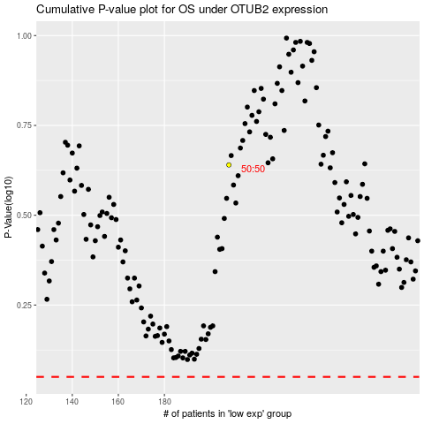

 |  |  |  |  |  | cases_OS | p_OS | rank | exp
 |  |  |  |  |  |  | cases_RFS | p_RFS | rank | exp

