OTUD6B _multivariate
Reported by Tex Li-Hsing Chi. tex@gate.sinica.edu.tw 2019-08-17

Table 2. The clinicopathological features of HNSCC cohort and OTUD6B expression. (Chi square test)
Cutoff at -0.087 (50.0%)
 |  | OTUD6B expression |  | OTUD6B expression |  | (Optimised)
 | Features | Low | (%) | High | (%) | Case no | P-value | Remark | Matthews
Gender | Female | 153 | 36.9 | 153 | 36.9 | 415 | 1 | 0 | 0
2 | Male | 54 | 13 | 55 | 13.3
Age at diagnosis | <=65y | 129 | 31.1 | 145 | 34.9 | 415 | 0.1372 | 0 | 0
4 | >65y | 78 | 18.8 | 63 | 15.2
Clinical T Status | T1+T2 | 78 | 18.8 | 71 | 17.1 | 415 | 0.5152 | 0 | 0
6 | T3+T4 | 129 | 31.1 | 137 | 33
Clinical N Status | N0 | 114 | 27.5 | 102 | 24.6 | 415 | 0.2576 | 1 | 0
8 | N1-3 | 93 | 22.4 | 106 | 25.5
Clinical M Status | M0 | 205 | 49.4 | 207 | 49.9 | 415 | 0.6232 | 0 | 0
10 | M1 | 2 | 0.5 | 1 | 0.2
Clinical Stage | Stage I+II | 53 | 12.8 | 49 | 11.8 | 415 | 0.7113 | 0 | 0
12 | Stage III+IV | 154 | 37.1 | 159 | 38.3
Surgical Margin status | Negative | 159 | 38.3 | 159 | 38.3 | 415 | 1 | 0 | 0
14 | Positive | 48 | 11.6 | 49 | 11.8
Tobacco Exposure | Low | 83 | 20 | 78 | 18.8 | 415 | 0.6152 | 0 | 0
16 | High | 124 | 29.9 | 130 | 31.3

Table 3. Univariate/Multivariate Cox's proportional hazards regression analyses on OS time of OTUD6B gene expression in HNSCC

 |  | Univariate |  |  |  | Multivariate
 | Features | HR | CI95%(L) | CI95%(H) | P-value | HR | CI95%(L) | CI95%(H) | P-value
1 | Female | 1 |  |  |  | 1
Gender | Male | 1.157 | 0.843 | 1.587 | 0.367 | 1.205 | 0.863 | 1.682 | 0.274
11 | <=65y | 1 |  |  |  | 1
Age at diagnosis | >65y | 1.329 | 0.99 | 1.784 | 0.058 | 1.379 | 1.014 | 1.876 | 0.041
12 | T1+T2 | 1 |  |  |  | 1
Clinical T Status | T3+T4 | 1.409 | 1.028 | 1.931 | 0.033 | 2.22 | 1.173 | 4.201 | 0.014
13 | N0 | 1 |  |  |  | 1
Clinical N Status | N1-3 | 1.185 | 0.89 | 1.577 | 0.246 | 1.25 | 0.876 | 1.785 | 0.219
14 | M0 | 1 |  |  |  | 1
Clinical M Status | M1 | 4.097 | 1.009 | 16.644 | 0.049 | 9.175 | 1.998 | 42.14 | 0.004
15 | Stage I+II | 1 |  |  |  | 1
Clinical Stage | Stage III+IV | 1.245 | 0.882 | 1.759 | 0.213 | 0.495 | 0.23 | 1.064 | 0.072
16 | Negative | 1 |  |  |  | 1
Surgical Margin status | Positive | 1.591 | 1.155 | 2.191 | 0.004 | 1.679 | 1.214 | 2.321 | 0.002
17 | Low | 1 |  |  |  | 1
Tobacco Exposure | High | 1.364 | 1.008 | 1.844 | 0.044 | 1.449 | 1.052 | 1.997 | 0.023
18 | Low | 1 |  |  |  | 1
RNAseq(z-score) | High | 0.886 | 0.665 | 1.182 | 0.411 | 0.902 | 0.675 | 1.206 | 0.488

Table 4. Univariate/Multivariate Cox's proportional hazards regression analyses on RFS time of OTUD6B gene expression in HNSCC

 |  | Univariate |  |  |  | Multivariate
 | Features | HR | CI95%(L) | CI95%(H) | P-value | HR | CI95%(L) | CI95%(H) | P-value
1 | Female | 1 |  |  |  | 1
Gender | Male | 1.157 | 0.843 | 1.587 | 0.367 | 1.205 | 0.863 | 1.682 | 0.274
11 | <=65y | 1 |  |  |  | 1
Age at diagnosis | >65y | 1.329 | 0.99 | 1.784 | 0.058 | 1.379 | 1.014 | 1.876 | 0.041
12 | T1+T2 | 1 |  |  |  | 1
Clinical T Status | T3+T4 | 1.409 | 1.028 | 1.931 | 0.033 | 2.22 | 1.173 | 4.201 | 0.014
13 | N0 | 1 |  |  |  | 1
Clinical N Status | N1-3 | 1.185 | 0.89 | 1.577 | 0.246 | 1.25 | 0.876 | 1.785 | 0.219
14 | M0 | 1 |  |  |  | 1
Clinical M Status | M1 | 4.097 | 1.009 | 16.644 | 0.049 | 9.175 | 1.998 | 42.14 | 0.004
15 | Stage I+II | 1 |  |  |  | 1
Clinical Stage | Stage III+IV | 1.245 | 0.882 | 1.759 | 0.213 | 0.495 | 0.23 | 1.064 | 0.072
16 | Negative | 1 |  |  |  | 1
Surgical Margin status | Positive | 1.591 | 1.155 | 2.191 | 0.004 | 1.679 | 1.214 | 2.321 | 0.002
17 | Low | 1 |  |  |  | 1
Tobacco Exposure | High | 1.364 | 1.008 | 1.844 | 0.044 | 1.449 | 1.052 | 1.997 | 0.023
18 | Low | 1 |  |  |  | 1
RNAseq(z-score) | High | 0.886 | 0.665 | 1.182 | 0.411 | 0.902 | 0.675 | 1.206 | 0.488

Kaplan-Meier survival estimate: Cutoff at -0.087 (50.0%)



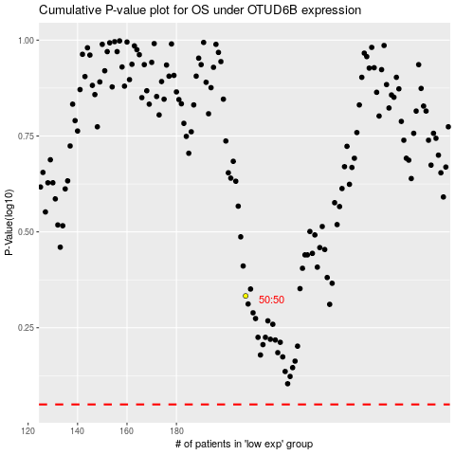

 |  |  |  |  |  | cases_OS | p_OS | rank | exp
 |  |  |  |  |  |  | cases_RFS | p_RFS | rank | exp

