OTX1 _multivariate
Reported by Tex Li-Hsing Chi. tex@gate.sinica.edu.tw 2019-08-17

Table 2. The clinicopathological features of HNSCC cohort and OTX1 expression. (Chi square test)
Cutoff at -0.366 (49.8%)
 |  | OTX1 expression |  | OTX1 expression |  | (Optimised)
 | Features | Low | (%) | High | (%) | Case no | P-value | Remark | Matthews
Gender | Female | 139 | 33.5 | 167 | 40.2 | 415 | 0.0034 | 1 | 0
2 | Male | 68 | 16.4 | 41 | 9.9
Age at diagnosis | <=65y | 129 | 31.1 | 145 | 34.9 | 415 | 0.1372 | 0 | 0
4 | >65y | 78 | 18.8 | 63 | 15.2
Clinical T Status | T1+T2 | 84 | 20.2 | 65 | 15.7 | 415 | 0.0603 | 0 | 0
6 | T3+T4 | 123 | 29.6 | 143 | 34.5
Clinical N Status | N0 | 108 | 26 | 108 | 26 | 415 | 1 | 0 | 0
8 | N1-3 | 99 | 23.9 | 100 | 24.1
Clinical M Status | M0 | 204 | 49.2 | 208 | 50.1 | 415 | 0.1232 | 0 | 0
10 | M1 | 3 | 0.7 | 0 | 0
Clinical Stage | Stage I+II | 58 | 14 | 44 | 10.6 | 415 | 0.131 | 0 | 0
12 | Stage III+IV | 149 | 35.9 | 164 | 39.5
Surgical Margin status | Negative | 160 | 38.6 | 158 | 38.1 | 415 | 0.8167 | 0 | 0
14 | Positive | 47 | 11.3 | 50 | 12
Tobacco Exposure | Low | 93 | 22.4 | 68 | 16.4 | 415 | 0.0118 | 1 | 0
16 | High | 114 | 27.5 | 140 | 33.7

Table 3. Univariate/Multivariate Cox's proportional hazards regression analyses on OS time of OTX1 gene expression in HNSCC

 |  | Univariate |  |  |  | Multivariate
 | Features | HR | CI95%(L) | CI95%(H) | P-value | HR | CI95%(L) | CI95%(H) | P-value
1 | Female | 1 |  |  |  | 1
Gender | Male | 1.157 | 0.843 | 1.587 | 0.367 | 1.164 | 0.83 | 1.632 | 0.379
11 | <=65y | 1 |  |  |  | 1
Age at diagnosis | >65y | 1.329 | 0.99 | 1.784 | 0.058 | 1.367 | 1.004 | 1.861 | 0.047
12 | T1+T2 | 1 |  |  |  | 1
Clinical T Status | T3+T4 | 1.409 | 1.028 | 1.931 | 0.033 | 2.201 | 1.164 | 4.161 | 0.015
13 | N0 | 1 |  |  |  | 1
Clinical N Status | N1-3 | 1.185 | 0.89 | 1.577 | 0.246 | 1.235 | 0.866 | 1.762 | 0.244
14 | M0 | 1 |  |  |  | 1
Clinical M Status | M1 | 4.097 | 1.009 | 16.644 | 0.049 | 8.407 | 1.819 | 38.863 | 0.006
15 | Stage I+II | 1 |  |  |  | 1
Clinical Stage | Stage III+IV | 1.245 | 0.882 | 1.759 | 0.213 | 0.519 | 0.242 | 1.117 | 0.093
16 | Negative | 1 |  |  |  | 1
Surgical Margin status | Positive | 1.591 | 1.155 | 2.191 | 0.004 | 1.659 | 1.201 | 2.292 | 0.002
17 | Low | 1 |  |  |  | 1
Tobacco Exposure | High | 1.364 | 1.008 | 1.844 | 0.044 | 1.491 | 1.079 | 2.061 | 0.015
18 | Low | 1 |  |  |  | 1
RNAseq(z-score) | High | 0.83 | 0.622 | 1.109 | 0.207 | 0.82 | 0.605 | 1.112 | 0.201

Table 4. Univariate/Multivariate Cox's proportional hazards regression analyses on RFS time of OTX1 gene expression in HNSCC

 |  | Univariate |  |  |  | Multivariate
 | Features | HR | CI95%(L) | CI95%(H) | P-value | HR | CI95%(L) | CI95%(H) | P-value
1 | Female | 1 |  |  |  | 1
Gender | Male | 1.157 | 0.843 | 1.587 | 0.367 | 1.164 | 0.83 | 1.632 | 0.379
11 | <=65y | 1 |  |  |  | 1
Age at diagnosis | >65y | 1.329 | 0.99 | 1.784 | 0.058 | 1.367 | 1.004 | 1.861 | 0.047
12 | T1+T2 | 1 |  |  |  | 1
Clinical T Status | T3+T4 | 1.409 | 1.028 | 1.931 | 0.033 | 2.201 | 1.164 | 4.161 | 0.015
13 | N0 | 1 |  |  |  | 1
Clinical N Status | N1-3 | 1.185 | 0.89 | 1.577 | 0.246 | 1.235 | 0.866 | 1.762 | 0.244
14 | M0 | 1 |  |  |  | 1
Clinical M Status | M1 | 4.097 | 1.009 | 16.644 | 0.049 | 8.407 | 1.819 | 38.863 | 0.006
15 | Stage I+II | 1 |  |  |  | 1
Clinical Stage | Stage III+IV | 1.245 | 0.882 | 1.759 | 0.213 | 0.519 | 0.242 | 1.117 | 0.093
16 | Negative | 1 |  |  |  | 1
Surgical Margin status | Positive | 1.591 | 1.155 | 2.191 | 0.004 | 1.659 | 1.201 | 2.292 | 0.002
17 | Low | 1 |  |  |  | 1
Tobacco Exposure | High | 1.364 | 1.008 | 1.844 | 0.044 | 1.491 | 1.079 | 2.061 | 0.015
18 | Low | 1 |  |  |  | 1
RNAseq(z-score) | High | 0.83 | 0.622 | 1.109 | 0.207 | 0.82 | 0.605 | 1.112 | 0.201

Kaplan-Meier survival estimate: Cutoff at -0.366 (49.8%)



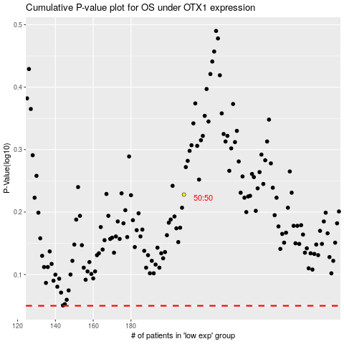

 |  |  |  |  |  | cases_OS | p_OS | rank | exp
 |  |  |  |  |  |  | cases_RFS | p_RFS | rank | exp

