OVCA2 _multivariate
Reported by Tex Li-Hsing Chi. tex@gate.sinica.edu.tw 2019-08-17

Table 2. The clinicopathological features of HNSCC cohort and OVCA2 expression. (Chi square test)
Cutoff at -0.223 (50.0%)
 |  | OVCA2 expression |  | OVCA2 expression |  | (Optimised)
 | Features | Low | (%) | High | (%) | Case no | P-value | Remark | Matthews
Gender | Female | 160 | 38.6 | 146 | 35.2 | 415 | 0.1254 | 0 | 0
2 | Male | 47 | 11.3 | 62 | 14.9
Age at diagnosis | <=65y | 143 | 34.5 | 131 | 31.6 | 415 | 0.2269 | 0 | 0
4 | >65y | 64 | 15.4 | 77 | 18.6
Clinical T Status | T1+T2 | 73 | 17.6 | 76 | 18.3 | 415 | 0.8666 | 0 | 0
6 | T3+T4 | 134 | 32.3 | 132 | 31.8
Clinical N Status | N0 | 99 | 23.9 | 117 | 28.2 | 415 | 0.1054 | 0 | 0
8 | N1-3 | 108 | 26 | 91 | 21.9
Clinical M Status | M0 | 206 | 49.6 | 206 | 49.6 | 415 | 1 | 0 | 0
10 | M1 | 1 | 0.2 | 2 | 0.5
Clinical Stage | Stage I+II | 47 | 11.3 | 55 | 13.3 | 415 | 0.4413 | 0 | 0
12 | Stage III+IV | 160 | 38.6 | 153 | 36.9
Surgical Margin status | Negative | 154 | 37.1 | 164 | 39.5 | 415 | 0.2984 | 0 | 0
14 | Positive | 53 | 12.8 | 44 | 10.6
Tobacco Exposure | Low | 71 | 17.1 | 90 | 21.7 | 415 | 0.0698 | 0 | 0
16 | High | 136 | 32.8 | 118 | 28.4

Table 3. Univariate/Multivariate Cox's proportional hazards regression analyses on OS time of OVCA2 gene expression in HNSCC

 |  | Univariate |  |  |  | Multivariate
 | Features | HR | CI95%(L) | CI95%(H) | P-value | HR | CI95%(L) | CI95%(H) | P-value
1 | Female | 1 |  |  |  | 1
Gender | Male | 1.157 | 0.843 | 1.587 | 0.367 | 1.199 | 0.856 | 1.678 | 0.292
11 | <=65y | 1 |  |  |  | 1
Age at diagnosis | >65y | 1.329 | 0.99 | 1.784 | 0.058 | 1.392 | 1.024 | 1.892 | 0.035
12 | T1+T2 | 1 |  |  |  | 1
Clinical T Status | T3+T4 | 1.409 | 1.028 | 1.931 | 0.033 | 2.202 | 1.165 | 4.165 | 0.015
13 | N0 | 1 |  |  |  | 1
Clinical N Status | N1-3 | 1.185 | 0.89 | 1.577 | 0.246 | 1.242 | 0.87 | 1.772 | 0.232
14 | M0 | 1 |  |  |  | 1
Clinical M Status | M1 | 4.097 | 1.009 | 16.644 | 0.049 | 9.341 | 2.03 | 42.983 | 0.004
15 | Stage I+II | 1 |  |  |  | 1
Clinical Stage | Stage III+IV | 1.245 | 0.882 | 1.759 | 0.213 | 0.505 | 0.235 | 1.084 | 0.08
16 | Negative | 1 |  |  |  | 1
Surgical Margin status | Positive | 1.591 | 1.155 | 2.191 | 0.004 | 1.675 | 1.21 | 2.317 | 0.002
17 | Low | 1 |  |  |  | 1
Tobacco Exposure | High | 1.364 | 1.008 | 1.844 | 0.044 | 1.453 | 1.055 | 2.002 | 0.022
18 | Low | 1 |  |  |  | 1
RNAseq(z-score) | High | 1.007 | 0.755 | 1.344 | 0.961 | 1.019 | 0.759 | 1.369 | 0.9

Table 4. Univariate/Multivariate Cox's proportional hazards regression analyses on RFS time of OVCA2 gene expression in HNSCC

 |  | Univariate |  |  |  | Multivariate
 | Features | HR | CI95%(L) | CI95%(H) | P-value | HR | CI95%(L) | CI95%(H) | P-value
1 | Female | 1 |  |  |  | 1
Gender | Male | 1.157 | 0.843 | 1.587 | 0.367 | 1.199 | 0.856 | 1.678 | 0.292
11 | <=65y | 1 |  |  |  | 1
Age at diagnosis | >65y | 1.329 | 0.99 | 1.784 | 0.058 | 1.392 | 1.024 | 1.892 | 0.035
12 | T1+T2 | 1 |  |  |  | 1
Clinical T Status | T3+T4 | 1.409 | 1.028 | 1.931 | 0.033 | 2.202 | 1.165 | 4.165 | 0.015
13 | N0 | 1 |  |  |  | 1
Clinical N Status | N1-3 | 1.185 | 0.89 | 1.577 | 0.246 | 1.242 | 0.87 | 1.772 | 0.232
14 | M0 | 1 |  |  |  | 1
Clinical M Status | M1 | 4.097 | 1.009 | 16.644 | 0.049 | 9.341 | 2.03 | 42.983 | 0.004
15 | Stage I+II | 1 |  |  |  | 1
Clinical Stage | Stage III+IV | 1.245 | 0.882 | 1.759 | 0.213 | 0.505 | 0.235 | 1.084 | 0.08
16 | Negative | 1 |  |  |  | 1
Surgical Margin status | Positive | 1.591 | 1.155 | 2.191 | 0.004 | 1.675 | 1.21 | 2.317 | 0.002
17 | Low | 1 |  |  |  | 1
Tobacco Exposure | High | 1.364 | 1.008 | 1.844 | 0.044 | 1.453 | 1.055 | 2.002 | 0.022
18 | Low | 1 |  |  |  | 1
RNAseq(z-score) | High | 1.007 | 0.755 | 1.344 | 0.961 | 1.019 | 0.759 | 1.369 | 0.9

Kaplan-Meier survival estimate: Cutoff at -0.223 (50.0%)



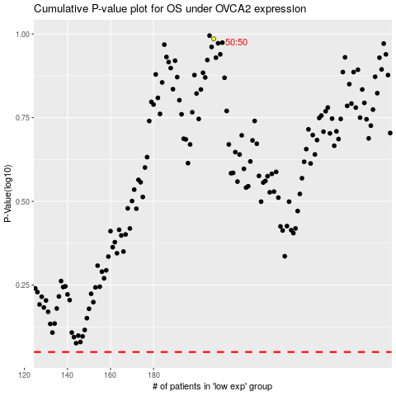

 |  |  |  |  |  | cases_OS | p_OS | rank | exp
 |  |  |  |  |  |  | cases_RFS | p_RFS | rank | exp

