OVGP1 _multivariate
Reported by Tex Li-Hsing Chi. tex@gate.sinica.edu.tw 2019-08-17

Table 2. The clinicopathological features of HNSCC cohort and OVGP1 expression. (Chi square test)
Cutoff at -0.335 (50.0%)
 |  | OVGP1 expression |  | OVGP1 expression |  | (Optimised)
 | Features | Low | (%) | High | (%) | Case no | P-value | Remark | Matthews
Gender | Female | 146 | 35.2 | 160 | 38.6 | 415 | 0.1714 | 0 | 0
2 | Male | 61 | 14.7 | 48 | 11.6
Age at diagnosis | <=65y | 138 | 33.3 | 136 | 32.8 | 415 | 0.8634 | 0 | 0
4 | >65y | 69 | 16.6 | 72 | 17.3
Clinical T Status | T1+T2 | 73 | 17.6 | 76 | 18.3 | 415 | 0.8666 | 0 | 0
6 | T3+T4 | 134 | 32.3 | 132 | 31.8
Clinical N Status | N0 | 112 | 27 | 104 | 25.1 | 415 | 0.4599 | 0 | 0
8 | N1-3 | 95 | 22.9 | 104 | 25.1
Clinical M Status | M0 | 205 | 49.4 | 207 | 49.9 | 415 | 0.6232 | 0 | 0
10 | M1 | 2 | 0.5 | 1 | 0.2
Clinical Stage | Stage I+II | 53 | 12.8 | 49 | 11.8 | 415 | 0.7113 | 0 | 0
12 | Stage III+IV | 154 | 37.1 | 159 | 38.3
Surgical Margin status | Negative | 164 | 39.5 | 154 | 37.1 | 415 | 0.2462 | 0 | 0
14 | Positive | 43 | 10.4 | 54 | 13
Tobacco Exposure | Low | 83 | 20 | 78 | 18.8 | 415 | 0.6152 | 0 | 0
16 | High | 124 | 29.9 | 130 | 31.3

Table 3. Univariate/Multivariate Cox's proportional hazards regression analyses on OS time of OVGP1 gene expression in HNSCC

 |  | Univariate |  |  |  | Multivariate
 | Features | HR | CI95%(L) | CI95%(H) | P-value | HR | CI95%(L) | CI95%(H) | P-value
1 | Female | 1 |  |  |  | 1
Gender | Male | 1.157 | 0.843 | 1.587 | 0.367 | 1.187 | 0.85 | 1.658 | 0.315
11 | <=65y | 1 |  |  |  | 1
Age at diagnosis | >65y | 1.329 | 0.99 | 1.784 | 0.058 | 1.43 | 1.049 | 1.948 | 0.024
12 | T1+T2 | 1 |  |  |  | 1
Clinical T Status | T3+T4 | 1.409 | 1.028 | 1.931 | 0.033 | 2.173 | 1.149 | 4.109 | 0.017
13 | N0 | 1 |  |  |  | 1
Clinical N Status | N1-3 | 1.185 | 0.89 | 1.577 | 0.246 | 1.266 | 0.886 | 1.808 | 0.195
14 | M0 | 1 |  |  |  | 1
Clinical M Status | M1 | 4.097 | 1.009 | 16.644 | 0.049 | 8.688 | 1.888 | 39.972 | 0.005
15 | Stage I+II | 1 |  |  |  | 1
Clinical Stage | Stage III+IV | 1.245 | 0.882 | 1.759 | 0.213 | 0.506 | 0.236 | 1.085 | 0.08
16 | Negative | 1 |  |  |  | 1
Surgical Margin status | Positive | 1.591 | 1.155 | 2.191 | 0.004 | 1.713 | 1.237 | 2.371 | 0.001
17 | Low | 1 |  |  |  | 1
Tobacco Exposure | High | 1.364 | 1.008 | 1.844 | 0.044 | 1.467 | 1.063 | 2.024 | 0.02
18 | Low | 1 |  |  |  | 1
RNAseq(z-score) | High | 0.835 | 0.626 | 1.113 | 0.219 | 0.801 | 0.598 | 1.074 | 0.139

Table 4. Univariate/Multivariate Cox's proportional hazards regression analyses on RFS time of OVGP1 gene expression in HNSCC

 |  | Univariate |  |  |  | Multivariate
 | Features | HR | CI95%(L) | CI95%(H) | P-value | HR | CI95%(L) | CI95%(H) | P-value
1 | Female | 1 |  |  |  | 1
Gender | Male | 1.157 | 0.843 | 1.587 | 0.367 | 1.187 | 0.85 | 1.658 | 0.315
11 | <=65y | 1 |  |  |  | 1
Age at diagnosis | >65y | 1.329 | 0.99 | 1.784 | 0.058 | 1.43 | 1.049 | 1.948 | 0.024
12 | T1+T2 | 1 |  |  |  | 1
Clinical T Status | T3+T4 | 1.409 | 1.028 | 1.931 | 0.033 | 2.173 | 1.149 | 4.109 | 0.017
13 | N0 | 1 |  |  |  | 1
Clinical N Status | N1-3 | 1.185 | 0.89 | 1.577 | 0.246 | 1.266 | 0.886 | 1.808 | 0.195
14 | M0 | 1 |  |  |  | 1
Clinical M Status | M1 | 4.097 | 1.009 | 16.644 | 0.049 | 8.688 | 1.888 | 39.972 | 0.005
15 | Stage I+II | 1 |  |  |  | 1
Clinical Stage | Stage III+IV | 1.245 | 0.882 | 1.759 | 0.213 | 0.506 | 0.236 | 1.085 | 0.08
16 | Negative | 1 |  |  |  | 1
Surgical Margin status | Positive | 1.591 | 1.155 | 2.191 | 0.004 | 1.713 | 1.237 | 2.371 | 0.001
17 | Low | 1 |  |  |  | 1
Tobacco Exposure | High | 1.364 | 1.008 | 1.844 | 0.044 | 1.467 | 1.063 | 2.024 | 0.02
18 | Low | 1 |  |  |  | 1
RNAseq(z-score) | High | 0.835 | 0.626 | 1.113 | 0.219 | 0.801 | 0.598 | 1.074 | 0.139

Kaplan-Meier survival estimate: Cutoff at -0.335 (50.0%)



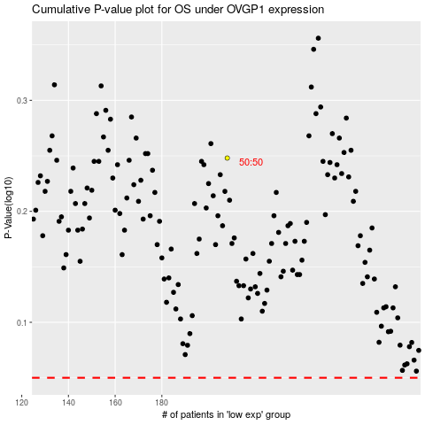

 |  |  |  |  |  | cases_OS | p_OS | rank | exp
 |  |  |  |  |  |  | cases_RFS | p_RFS | rank | exp

