OXCT1 _multivariate
Reported by Tex Li-Hsing Chi. tex@gate.sinica.edu.tw 2019-08-17

Table 2. The clinicopathological features of HNSCC cohort and OXCT1 expression. (Chi square test)
Cutoff at -0.3 (49.8%)
 |  | OXCT1 expression |  | OXCT1 expression |  | (Optimised)
 | Features | Low | (%) | High | (%) | Case no | P-value | Remark | Matthews
Gender | Female | 146 | 35.2 | 160 | 38.6 | 415 | 0.1714 | 0 | 0
2 | Male | 61 | 14.7 | 48 | 11.6
Age at diagnosis | <=65y | 126 | 30.4 | 148 | 35.7 | 415 | 0.035 | 1 | 0
4 | >65y | 81 | 19.5 | 60 | 14.5
Clinical T Status | T1+T2 | 66 | 15.9 | 83 | 20 | 415 | 0.1095 | 0 | 0
6 | T3+T4 | 141 | 34 | 125 | 30.1
Clinical N Status | N0 | 109 | 26.3 | 107 | 25.8 | 415 | 0.8812 | 0 | 0
8 | N1-3 | 98 | 23.6 | 101 | 24.3
Clinical M Status | M0 | 205 | 49.4 | 207 | 49.9 | 415 | 0.6232 | 0 | 0
10 | M1 | 2 | 0.5 | 1 | 0.2
Clinical Stage | Stage I+II | 45 | 10.8 | 57 | 13.7 | 415 | 0.2202 | 0 | 0
12 | Stage III+IV | 162 | 39 | 151 | 36.4
Surgical Margin status | Negative | 160 | 38.6 | 158 | 38.1 | 415 | 0.8167 | 0 | 0
14 | Positive | 47 | 11.3 | 50 | 12
Tobacco Exposure | Low | 79 | 19 | 82 | 19.8 | 415 | 0.8405 | 0 | 0
16 | High | 128 | 30.8 | 126 | 30.4

Table 3. Univariate/Multivariate Cox's proportional hazards regression analyses on OS time of OXCT1 gene expression in HNSCC

 |  | Univariate |  |  |  | Multivariate
 | Features | HR | CI95%(L) | CI95%(H) | P-value | HR | CI95%(L) | CI95%(H) | P-value
1 | Female | 1 |  |  |  | 1
Gender | Male | 1.157 | 0.843 | 1.587 | 0.367 | 1.201 | 0.86 | 1.678 | 0.282
11 | <=65y | 1 |  |  |  | 1
Age at diagnosis | >65y | 1.329 | 0.99 | 1.784 | 0.058 | 1.394 | 1.022 | 1.9 | 0.036
12 | T1+T2 | 1 |  |  |  | 1
Clinical T Status | T3+T4 | 1.409 | 1.028 | 1.931 | 0.033 | 2.205 | 1.165 | 4.175 | 0.015
13 | N0 | 1 |  |  |  | 1
Clinical N Status | N1-3 | 1.185 | 0.89 | 1.577 | 0.246 | 1.241 | 0.87 | 1.77 | 0.234
14 | M0 | 1 |  |  |  | 1
Clinical M Status | M1 | 4.097 | 1.009 | 16.644 | 0.049 | 9.424 | 2.054 | 43.244 | 0.004
15 | Stage I+II | 1 |  |  |  | 1
Clinical Stage | Stage III+IV | 1.245 | 0.882 | 1.759 | 0.213 | 0.504 | 0.235 | 1.083 | 0.079
16 | Negative | 1 |  |  |  | 1
Surgical Margin status | Positive | 1.591 | 1.155 | 2.191 | 0.004 | 1.67 | 1.206 | 2.311 | 0.002
17 | Low | 1 |  |  |  | 1
Tobacco Exposure | High | 1.364 | 1.008 | 1.844 | 0.044 | 1.453 | 1.055 | 2.002 | 0.022
18 | Low | 1 |  |  |  | 1
RNAseq(z-score) | High | 0.976 | 0.733 | 1.301 | 0.869 | 1.01 | 0.753 | 1.355 | 0.946

Table 4. Univariate/Multivariate Cox's proportional hazards regression analyses on RFS time of OXCT1 gene expression in HNSCC

 |  | Univariate |  |  |  | Multivariate
 | Features | HR | CI95%(L) | CI95%(H) | P-value | HR | CI95%(L) | CI95%(H) | P-value
1 | Female | 1 |  |  |  | 1
Gender | Male | 1.157 | 0.843 | 1.587 | 0.367 | 1.201 | 0.86 | 1.678 | 0.282
11 | <=65y | 1 |  |  |  | 1
Age at diagnosis | >65y | 1.329 | 0.99 | 1.784 | 0.058 | 1.394 | 1.022 | 1.9 | 0.036
12 | T1+T2 | 1 |  |  |  | 1
Clinical T Status | T3+T4 | 1.409 | 1.028 | 1.931 | 0.033 | 2.205 | 1.165 | 4.175 | 0.015
13 | N0 | 1 |  |  |  | 1
Clinical N Status | N1-3 | 1.185 | 0.89 | 1.577 | 0.246 | 1.241 | 0.87 | 1.77 | 0.234
14 | M0 | 1 |  |  |  | 1
Clinical M Status | M1 | 4.097 | 1.009 | 16.644 | 0.049 | 9.424 | 2.054 | 43.244 | 0.004
15 | Stage I+II | 1 |  |  |  | 1
Clinical Stage | Stage III+IV | 1.245 | 0.882 | 1.759 | 0.213 | 0.504 | 0.235 | 1.083 | 0.079
16 | Negative | 1 |  |  |  | 1
Surgical Margin status | Positive | 1.591 | 1.155 | 2.191 | 0.004 | 1.67 | 1.206 | 2.311 | 0.002
17 | Low | 1 |  |  |  | 1
Tobacco Exposure | High | 1.364 | 1.008 | 1.844 | 0.044 | 1.453 | 1.055 | 2.002 | 0.022
18 | Low | 1 |  |  |  | 1
RNAseq(z-score) | High | 0.976 | 0.733 | 1.301 | 0.869 | 1.01 | 0.753 | 1.355 | 0.946

Kaplan-Meier survival estimate: Cutoff at -0.3 (49.8%)



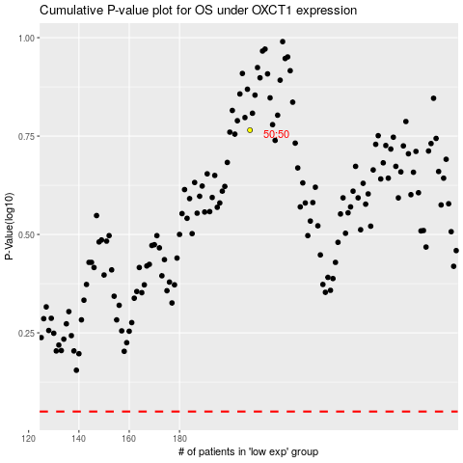

 |  |  |  |  |  | cases_OS | p_OS | rank | exp
 |  |  |  |  |  |  | cases_RFS | p_RFS | rank | exp

