OXSM _multivariate
Reported by Tex Li-Hsing Chi. tex@gate.sinica.edu.tw 2019-08-17

Table 2. The clinicopathological features of HNSCC cohort and OXSM expression. (Chi square test)
Cutoff at -0.314 (49.8%)
 |  | OXSM expression |  | OXSM expression |  | (Optimised)
 | Features | Low | (%) | High | (%) | Case no | P-value | Remark | Matthews
Gender | Female | 154 | 37.1 | 152 | 36.6 | 415 | 0.8463 | 0 | 0
2 | Male | 53 | 12.8 | 56 | 13.5
Age at diagnosis | <=65y | 138 | 33.3 | 136 | 32.8 | 415 | 0.8634 | 0 | 0
4 | >65y | 69 | 16.6 | 72 | 17.3
Clinical T Status | T1+T2 | 71 | 17.1 | 78 | 18.8 | 415 | 0.5638 | 0 | 0
6 | T3+T4 | 136 | 32.8 | 130 | 31.3
Clinical N Status | N0 | 109 | 26.3 | 107 | 25.8 | 415 | 0.8812 | 0 | 0
8 | N1-3 | 98 | 23.6 | 101 | 24.3
Clinical M Status | M0 | 207 | 49.9 | 205 | 49.4 | 415 | 0.2482 | 0 | 0
10 | M1 | 0 | 0 | 3 | 0.7
Clinical Stage | Stage I+II | 56 | 13.5 | 46 | 11.1 | 415 | 0.2918 | 0 | 0
12 | Stage III+IV | 151 | 36.4 | 162 | 39
Surgical Margin status | Negative | 162 | 39 | 156 | 37.6 | 415 | 0.4867 | 0 | 0
14 | Positive | 45 | 10.8 | 52 | 12.5
Tobacco Exposure | Low | 70 | 16.9 | 91 | 21.9 | 415 | 0.0439 | 1 | 0
16 | High | 137 | 33 | 117 | 28.2

Table 3. Univariate/Multivariate Cox's proportional hazards regression analyses on OS time of OXSM gene expression in HNSCC

 |  | Univariate |  |  |  | Multivariate
 | Features | HR | CI95%(L) | CI95%(H) | P-value | HR | CI95%(L) | CI95%(H) | P-value
1 | Female | 1 |  |  |  | 1
Gender | Male | 1.157 | 0.843 | 1.587 | 0.367 | 1.209 | 0.864 | 1.691 | 0.269
11 | <=65y | 1 |  |  |  | 1
Age at diagnosis | >65y | 1.329 | 0.99 | 1.784 | 0.058 | 1.393 | 1.025 | 1.894 | 0.034
12 | T1+T2 | 1 |  |  |  | 1
Clinical T Status | T3+T4 | 1.409 | 1.028 | 1.931 | 0.033 | 2.183 | 1.152 | 4.135 | 0.017
13 | N0 | 1 |  |  |  | 1
Clinical N Status | N1-3 | 1.185 | 0.89 | 1.577 | 0.246 | 1.234 | 0.864 | 1.763 | 0.247
14 | M0 | 1 |  |  |  | 1
Clinical M Status | M1 | 4.097 | 1.009 | 16.644 | 0.049 | 9.616 | 2.087 | 44.317 | 0.004
15 | Stage I+II | 1 |  |  |  | 1
Clinical Stage | Stage III+IV | 1.245 | 0.882 | 1.759 | 0.213 | 0.511 | 0.237 | 1.102 | 0.087
16 | Negative | 1 |  |  |  | 1
Surgical Margin status | Positive | 1.591 | 1.155 | 2.191 | 0.004 | 1.675 | 1.212 | 2.315 | 0.002
17 | Low | 1 |  |  |  | 1
Tobacco Exposure | High | 1.364 | 1.008 | 1.844 | 0.044 | 1.448 | 1.051 | 1.997 | 0.024
18 | Low | 1 |  |  |  | 1
RNAseq(z-score) | High | 0.947 | 0.71 | 1.263 | 0.71 | 0.95 | 0.708 | 1.274 | 0.732

Table 4. Univariate/Multivariate Cox's proportional hazards regression analyses on RFS time of OXSM gene expression in HNSCC

 |  | Univariate |  |  |  | Multivariate
 | Features | HR | CI95%(L) | CI95%(H) | P-value | HR | CI95%(L) | CI95%(H) | P-value
1 | Female | 1 |  |  |  | 1
Gender | Male | 1.157 | 0.843 | 1.587 | 0.367 | 1.209 | 0.864 | 1.691 | 0.269
11 | <=65y | 1 |  |  |  | 1
Age at diagnosis | >65y | 1.329 | 0.99 | 1.784 | 0.058 | 1.393 | 1.025 | 1.894 | 0.034
12 | T1+T2 | 1 |  |  |  | 1
Clinical T Status | T3+T4 | 1.409 | 1.028 | 1.931 | 0.033 | 2.183 | 1.152 | 4.135 | 0.017
13 | N0 | 1 |  |  |  | 1
Clinical N Status | N1-3 | 1.185 | 0.89 | 1.577 | 0.246 | 1.234 | 0.864 | 1.763 | 0.247
14 | M0 | 1 |  |  |  | 1
Clinical M Status | M1 | 4.097 | 1.009 | 16.644 | 0.049 | 9.616 | 2.087 | 44.317 | 0.004
15 | Stage I+II | 1 |  |  |  | 1
Clinical Stage | Stage III+IV | 1.245 | 0.882 | 1.759 | 0.213 | 0.511 | 0.237 | 1.102 | 0.087
16 | Negative | 1 |  |  |  | 1
Surgical Margin status | Positive | 1.591 | 1.155 | 2.191 | 0.004 | 1.675 | 1.212 | 2.315 | 0.002
17 | Low | 1 |  |  |  | 1
Tobacco Exposure | High | 1.364 | 1.008 | 1.844 | 0.044 | 1.448 | 1.051 | 1.997 | 0.024
18 | Low | 1 |  |  |  | 1
RNAseq(z-score) | High | 0.947 | 0.71 | 1.263 | 0.71 | 0.95 | 0.708 | 1.274 | 0.732

Kaplan-Meier survival estimate: Cutoff at -0.314 (49.8%)



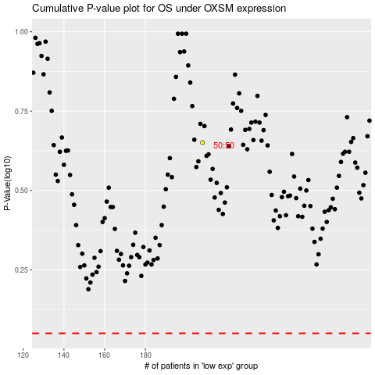

 |  |  |  |  |  | cases_OS | p_OS | rank | exp
 |  |  |  |  |  |  | cases_RFS | p_RFS | rank | exp

