OXTR _multivariate
Reported by Tex Li-Hsing Chi. tex@gate.sinica.edu.tw 2019-08-17

Table 2. The clinicopathological features of HNSCC cohort and OXTR expression. (Chi square test)
Cutoff at -0.206 (49.8%)
 |  | OXTR expression |  | OXTR expression |  | (Optimised)
 | Features | Low | (%) | High | (%) | Case no | P-value | Remark | Matthews
Gender | Female | 153 | 36.9 | 153 | 36.9 | 415 | 1 | 0 | 0
2 | Male | 54 | 13 | 55 | 13.3
Age at diagnosis | <=65y | 134 | 32.3 | 140 | 33.7 | 415 | 0.6529 | 0 | 0
4 | >65y | 73 | 17.6 | 68 | 16.4
Clinical T Status | T1+T2 | 83 | 20 | 66 | 15.9 | 415 | 0.0941 | 0 | 0
6 | T3+T4 | 124 | 29.9 | 142 | 34.2
Clinical N Status | N0 | 118 | 28.4 | 98 | 23.6 | 415 | 0.0551 | 1 | 0
8 | N1-3 | 89 | 21.4 | 110 | 26.5
Clinical M Status | M0 | 204 | 49.2 | 208 | 50.1 | 415 | 0.1232 | 0 | 0
10 | M1 | 3 | 0.7 | 0 | 0
Clinical Stage | Stage I+II | 62 | 14.9 | 40 | 9.6 | 415 | 0.0154 | 1 | 0
12 | Stage III+IV | 145 | 34.9 | 168 | 40.5
Surgical Margin status | Negative | 163 | 39.3 | 155 | 37.3 | 415 | 0.3537 | 0 | 0
14 | Positive | 44 | 10.6 | 53 | 12.8
Tobacco Exposure | Low | 80 | 19.3 | 81 | 19.5 | 415 | 1 | 0 | 0
16 | High | 127 | 30.6 | 127 | 30.6

Table 3. Univariate/Multivariate Cox's proportional hazards regression analyses on OS time of OXTR gene expression in HNSCC

 |  | Univariate |  |  |  | Multivariate
 | Features | HR | CI95%(L) | CI95%(H) | P-value | HR | CI95%(L) | CI95%(H) | P-value
1 | Female | 1 |  |  |  | 1
Gender | Male | 1.157 | 0.843 | 1.587 | 0.367 | 1.202 | 0.86 | 1.679 | 0.281
11 | <=65y | 1 |  |  |  | 1
Age at diagnosis | >65y | 1.329 | 0.99 | 1.784 | 0.058 | 1.389 | 1.022 | 1.888 | 0.036
12 | T1+T2 | 1 |  |  |  | 1
Clinical T Status | T3+T4 | 1.409 | 1.028 | 1.931 | 0.033 | 2.211 | 1.169 | 4.181 | 0.015
13 | N0 | 1 |  |  |  | 1
Clinical N Status | N1-3 | 1.185 | 0.89 | 1.577 | 0.246 | 1.229 | 0.861 | 1.756 | 0.256
14 | M0 | 1 |  |  |  | 1
Clinical M Status | M1 | 4.097 | 1.009 | 16.644 | 0.049 | 10.068 | 2.17 | 46.703 | 0.003
15 | Stage I+II | 1 |  |  |  | 1
Clinical Stage | Stage III+IV | 1.245 | 0.882 | 1.759 | 0.213 | 0.496 | 0.231 | 1.066 | 0.072
16 | Negative | 1 |  |  |  | 1
Surgical Margin status | Positive | 1.591 | 1.155 | 2.191 | 0.004 | 1.67 | 1.209 | 2.308 | 0.002
17 | Low | 1 |  |  |  | 1
Tobacco Exposure | High | 1.364 | 1.008 | 1.844 | 0.044 | 1.459 | 1.059 | 2.011 | 0.021
18 | Low | 1 |  |  |  | 1
RNAseq(z-score) | High | 1.116 | 0.835 | 1.491 | 0.459 | 1.114 | 0.829 | 1.498 | 0.474

Table 4. Univariate/Multivariate Cox's proportional hazards regression analyses on RFS time of OXTR gene expression in HNSCC

 |  | Univariate |  |  |  | Multivariate
 | Features | HR | CI95%(L) | CI95%(H) | P-value | HR | CI95%(L) | CI95%(H) | P-value
1 | Female | 1 |  |  |  | 1
Gender | Male | 1.157 | 0.843 | 1.587 | 0.367 | 1.202 | 0.86 | 1.679 | 0.281
11 | <=65y | 1 |  |  |  | 1
Age at diagnosis | >65y | 1.329 | 0.99 | 1.784 | 0.058 | 1.389 | 1.022 | 1.888 | 0.036
12 | T1+T2 | 1 |  |  |  | 1
Clinical T Status | T3+T4 | 1.409 | 1.028 | 1.931 | 0.033 | 2.211 | 1.169 | 4.181 | 0.015
13 | N0 | 1 |  |  |  | 1
Clinical N Status | N1-3 | 1.185 | 0.89 | 1.577 | 0.246 | 1.229 | 0.861 | 1.756 | 0.256
14 | M0 | 1 |  |  |  | 1
Clinical M Status | M1 | 4.097 | 1.009 | 16.644 | 0.049 | 10.068 | 2.17 | 46.703 | 0.003
15 | Stage I+II | 1 |  |  |  | 1
Clinical Stage | Stage III+IV | 1.245 | 0.882 | 1.759 | 0.213 | 0.496 | 0.231 | 1.066 | 0.072
16 | Negative | 1 |  |  |  | 1
Surgical Margin status | Positive | 1.591 | 1.155 | 2.191 | 0.004 | 1.67 | 1.209 | 2.308 | 0.002
17 | Low | 1 |  |  |  | 1
Tobacco Exposure | High | 1.364 | 1.008 | 1.844 | 0.044 | 1.459 | 1.059 | 2.011 | 0.021
18 | Low | 1 |  |  |  | 1
RNAseq(z-score) | High | 1.116 | 0.835 | 1.491 | 0.459 | 1.114 | 0.829 | 1.498 | 0.474

Kaplan-Meier survival estimate: Cutoff at -0.206 (49.8%)



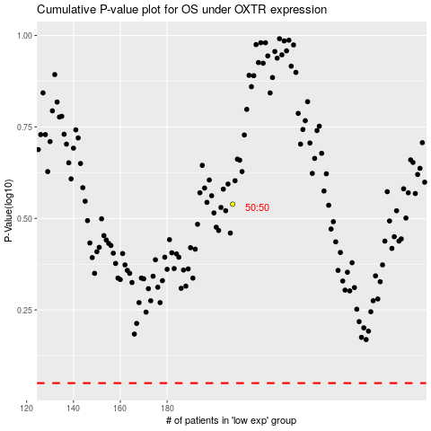

 |  |  |  |  |  | cases_OS | p_OS | rank | exp
 |  |  |  |  |  |  | cases_RFS | p_RFS | rank | exp

