P2RX7 _multivariate
Reported by Tex Li-Hsing Chi. tex@gate.sinica.edu.tw 2019-08-17

Table 2. The clinicopathological features of HNSCC cohort and P2RX7 expression. (Chi square test)
Cutoff at -0.582 (34.1%)
 |  | P2RX7 expression |  | P2RX7 expression |  | (Optimised)
 | Features | Low | (%) | High | (%) | Case no | P-value | Remark | Matthews
Gender | Female | 111 | 26.7 | 195 | 47 | 415 | 0.1729 | 0 | 0
2 | Male | 31 | 7.5 | 78 | 18.8
Age at diagnosis | <=65y | 97 | 23.4 | 177 | 42.7 | 415 | 0.5486 | 0 | 0
4 | >65y | 45 | 10.8 | 96 | 23.1
Clinical T Status | T1+T2 | 42 | 10.1 | 107 | 25.8 | 415 | 0.0673 | 0 | 0
6 | T3+T4 | 100 | 24.1 | 166 | 40
Clinical N Status | N0 | 74 | 17.8 | 142 | 34.2 | 415 | 1 | 0 | 0
8 | N1-3 | 68 | 16.4 | 131 | 31.6
Clinical M Status | M0 | 141 | 34 | 271 | 65.3 | 415 | 1 | 0 | 0
10 | M1 | 1 | 0.2 | 2 | 0.5
Clinical Stage | Stage I+II | 27 | 6.5 | 75 | 18.1 | 415 | 0.0753 | 0 | 0
12 | Stage III+IV | 115 | 27.7 | 198 | 47.7
Surgical Margin status | Negative | 106 | 25.5 | 212 | 51.1 | 415 | 0.5413 | 0 | 0
14 | Positive | 36 | 8.7 | 61 | 14.7
Tobacco Exposure | Low | 55 | 13.3 | 106 | 25.5 | 415 | 1 | 0 | 0
16 | High | 87 | 21 | 167 | 40.2

Table 3. Univariate/Multivariate Cox's proportional hazards regression analyses on OS time of P2RX7 gene expression in HNSCC

 |  | Univariate |  |  |  | Multivariate
 | Features | HR | CI95%(L) | CI95%(H) | P-value | HR | CI95%(L) | CI95%(H) | P-value
1 | Female | 1 |  |  |  | 1
Gender | Male | 1.157 | 0.843 | 1.587 | 0.367 | 1.207 | 0.864 | 1.687 | 0.27
11 | <=65y | 1 |  |  |  | 1
Age at diagnosis | >65y | 1.329 | 0.99 | 1.784 | 0.058 | 1.414 | 1.04 | 1.922 | 0.027
12 | T1+T2 | 1 |  |  |  | 1
Clinical T Status | T3+T4 | 1.409 | 1.028 | 1.931 | 0.033 | 2.12 | 1.119 | 4.014 | 0.021
13 | N0 | 1 |  |  |  | 1
Clinical N Status | N1-3 | 1.185 | 0.89 | 1.577 | 0.246 | 1.249 | 0.876 | 1.782 | 0.22
14 | M0 | 1 |  |  |  | 1
Clinical M Status | M1 | 4.097 | 1.009 | 16.644 | 0.049 | 8.91 | 1.941 | 40.9 | 0.005
15 | Stage I+II | 1 |  |  |  | 1
Clinical Stage | Stage III+IV | 1.245 | 0.882 | 1.759 | 0.213 | 0.513 | 0.239 | 1.1 | 0.086
16 | Negative | 1 |  |  |  | 1
Surgical Margin status | Positive | 1.591 | 1.155 | 2.191 | 0.004 | 1.613 | 1.164 | 2.234 | 0.004
17 | Low | 1 |  |  |  | 1
Tobacco Exposure | High | 1.364 | 1.008 | 1.844 | 0.044 | 1.455 | 1.055 | 2.005 | 0.022
18 | Low | 1 |  |  |  | 1
RNAseq(z-score) | High | 0.743 | 0.552 | 0.999 | 0.049 | 0.789 | 0.584 | 1.068 | 0.125

Table 4. Univariate/Multivariate Cox's proportional hazards regression analyses on RFS time of P2RX7 gene expression in HNSCC

 |  | Univariate |  |  |  | Multivariate
 | Features | HR | CI95%(L) | CI95%(H) | P-value | HR | CI95%(L) | CI95%(H) | P-value
1 | Female | 1 |  |  |  | 1
Gender | Male | 1.157 | 0.843 | 1.587 | 0.367 | 1.207 | 0.864 | 1.687 | 0.27
11 | <=65y | 1 |  |  |  | 1
Age at diagnosis | >65y | 1.329 | 0.99 | 1.784 | 0.058 | 1.414 | 1.04 | 1.922 | 0.027
12 | T1+T2 | 1 |  |  |  | 1
Clinical T Status | T3+T4 | 1.409 | 1.028 | 1.931 | 0.033 | 2.12 | 1.119 | 4.014 | 0.021
13 | N0 | 1 |  |  |  | 1
Clinical N Status | N1-3 | 1.185 | 0.89 | 1.577 | 0.246 | 1.249 | 0.876 | 1.782 | 0.22
14 | M0 | 1 |  |  |  | 1
Clinical M Status | M1 | 4.097 | 1.009 | 16.644 | 0.049 | 8.91 | 1.941 | 40.9 | 0.005
15 | Stage I+II | 1 |  |  |  | 1
Clinical Stage | Stage III+IV | 1.245 | 0.882 | 1.759 | 0.213 | 0.513 | 0.239 | 1.1 | 0.086
16 | Negative | 1 |  |  |  | 1
Surgical Margin status | Positive | 1.591 | 1.155 | 2.191 | 0.004 | 1.613 | 1.164 | 2.234 | 0.004
17 | Low | 1 |  |  |  | 1
Tobacco Exposure | High | 1.364 | 1.008 | 1.844 | 0.044 | 1.455 | 1.055 | 2.005 | 0.022
18 | Low | 1 |  |  |  | 1
RNAseq(z-score) | High | 0.743 | 0.552 | 0.999 | 0.049 | 0.789 | 0.584 | 1.068 | 0.125

Kaplan-Meier survival estimate: Cutoff at -0.582 (34.1%)



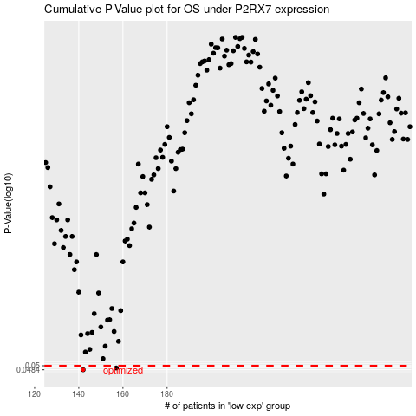

 |  |  |  |  |  | cases_OS | p_OS | rank | exp
 |  |  |  |  |  | 142 | 0.0484 | 354 | -0.58207052044
 |  |  |  |  |  | 157 | 0.0491 | 30 | -0.51966234851
 |  |  |  |  |  |  | cases_RFS | p_RFS | rank | exp
 |  |  |  |  |  |  | 141 | 0.0484 | 58 | -0.58669334799
 |  |  |  |  |  |  | 156 | 0.0491 | 114 | -0.52861598676

