P2RY1 _multivariate
Reported by Tex Li-Hsing Chi. tex@gate.sinica.edu.tw 2019-08-17

Table 2. The clinicopathological features of HNSCC cohort and P2RY1 expression. (Chi square test)
Cutoff at -0.439 (44.0%)
 |  | P2RY1 expression |  | P2RY1 expression |  | (Optimised)
 | Features | Low | (%) | High | (%) | Case no | P-value | Remark | Matthews
Gender | Female | 140 | 33.7 | 166 | 40 | 415 | 0.3051 | 0 | 0
2 | Male | 43 | 10.4 | 66 | 15.9
Age at diagnosis | <=65y | 121 | 29.2 | 153 | 36.9 | 415 | 1 | 0 | 0
4 | >65y | 62 | 14.9 | 79 | 19
Clinical T Status | T1+T2 | 60 | 14.5 | 89 | 21.4 | 415 | 0.2835 | 0 | 0
6 | T3+T4 | 123 | 29.6 | 143 | 34.5
Clinical N Status | N0 | 79 | 19 | 137 | 33 | 415 | 0.0018 | 1 | 0
8 | N1-3 | 104 | 25.1 | 95 | 22.9
Clinical M Status | M0 | 181 | 43.6 | 231 | 55.7 | 415 | 0.5854 | 0 | 0
10 | M1 | 2 | 0.5 | 1 | 0.2
Clinical Stage | Stage I+II | 38 | 9.2 | 64 | 15.4 | 415 | 0.1369 | 0 | 0
12 | Stage III+IV | 145 | 34.9 | 168 | 40.5
Surgical Margin status | Negative | 136 | 32.8 | 182 | 43.9 | 415 | 0.3509 | 0 | 0
14 | Positive | 47 | 11.3 | 50 | 12
Tobacco Exposure | Low | 67 | 16.1 | 94 | 22.7 | 415 | 0.4777 | 0 | 0
16 | High | 116 | 28 | 138 | 33.3

Table 3. Univariate/Multivariate Cox's proportional hazards regression analyses on OS time of P2RY1 gene expression in HNSCC

 |  | Univariate |  |  |  | Multivariate
 | Features | HR | CI95%(L) | CI95%(H) | P-value | HR | CI95%(L) | CI95%(H) | P-value
1 | Female | 1 |  |  |  | 1
Gender | Male | 1.157 | 0.843 | 1.587 | 0.367 | 1.202 | 0.859 | 1.681 | 0.283
11 | <=65y | 1 |  |  |  | 1
Age at diagnosis | >65y | 1.329 | 0.99 | 1.784 | 0.058 | 1.391 | 1.024 | 1.89 | 0.035
12 | T1+T2 | 1 |  |  |  | 1
Clinical T Status | T3+T4 | 1.409 | 1.028 | 1.931 | 0.033 | 2.124 | 1.122 | 4.023 | 0.021
13 | N0 | 1 |  |  |  | 1
Clinical N Status | N1-3 | 1.185 | 0.89 | 1.577 | 0.246 | 1.193 | 0.833 | 1.709 | 0.335
14 | M0 | 1 |  |  |  | 1
Clinical M Status | M1 | 4.097 | 1.009 | 16.644 | 0.049 | 8.936 | 1.947 | 41.009 | 0.005
15 | Stage I+II | 1 |  |  |  | 1
Clinical Stage | Stage III+IV | 1.245 | 0.882 | 1.759 | 0.213 | 0.53 | 0.246 | 1.141 | 0.104
16 | Negative | 1 |  |  |  | 1
Surgical Margin status | Positive | 1.591 | 1.155 | 2.191 | 0.004 | 1.621 | 1.171 | 2.243 | 0.004
17 | Low | 1 |  |  |  | 1
Tobacco Exposure | High | 1.364 | 1.008 | 1.844 | 0.044 | 1.456 | 1.056 | 2.006 | 0.022
18 | Low | 1 |  |  |  | 1
RNAseq(z-score) | High | 0.74 | 0.555 | 0.986 | 0.04 | 0.802 | 0.598 | 1.076 | 0.141

Table 4. Univariate/Multivariate Cox's proportional hazards regression analyses on RFS time of P2RY1 gene expression in HNSCC

 |  | Univariate |  |  |  | Multivariate
 | Features | HR | CI95%(L) | CI95%(H) | P-value | HR | CI95%(L) | CI95%(H) | P-value
1 | Female | 1 |  |  |  | 1
Gender | Male | 1.157 | 0.843 | 1.587 | 0.367 | 1.202 | 0.859 | 1.681 | 0.283
11 | <=65y | 1 |  |  |  | 1
Age at diagnosis | >65y | 1.329 | 0.99 | 1.784 | 0.058 | 1.391 | 1.024 | 1.89 | 0.035
12 | T1+T2 | 1 |  |  |  | 1
Clinical T Status | T3+T4 | 1.409 | 1.028 | 1.931 | 0.033 | 2.124 | 1.122 | 4.023 | 0.021
13 | N0 | 1 |  |  |  | 1
Clinical N Status | N1-3 | 1.185 | 0.89 | 1.577 | 0.246 | 1.193 | 0.833 | 1.709 | 0.335
14 | M0 | 1 |  |  |  | 1
Clinical M Status | M1 | 4.097 | 1.009 | 16.644 | 0.049 | 8.936 | 1.947 | 41.009 | 0.005
15 | Stage I+II | 1 |  |  |  | 1
Clinical Stage | Stage III+IV | 1.245 | 0.882 | 1.759 | 0.213 | 0.53 | 0.246 | 1.141 | 0.104
16 | Negative | 1 |  |  |  | 1
Surgical Margin status | Positive | 1.591 | 1.155 | 2.191 | 0.004 | 1.621 | 1.171 | 2.243 | 0.004
17 | Low | 1 |  |  |  | 1
Tobacco Exposure | High | 1.364 | 1.008 | 1.844 | 0.044 | 1.456 | 1.056 | 2.006 | 0.022
18 | Low | 1 |  |  |  | 1
RNAseq(z-score) | High | 0.74 | 0.555 | 0.986 | 0.04 | 0.802 | 0.598 | 1.076 | 0.141

Kaplan-Meier survival estimate: Cutoff at -0.439 (44.0%)



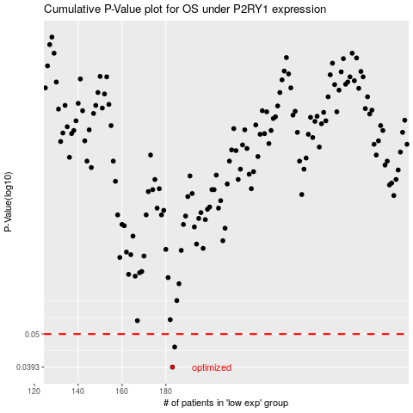

 |  |  |  |  |  | cases_OS | p_OS | rank | exp
 |  |  |  |  |  | 183 | 0.0393 | 376 | -0.43949092528
 |  |  |  |  |  | 184 | 0.0455 | 403 | -0.43821396258
 |  |  |  |  |  |  | cases_RFS | p_RFS | rank | exp
 |  |  |  |  |  |  | 182 | 0.0393 | 216 | -0.45116382899
 |  |  |  |  |  |  | 183 | 0.0455 | 376 | -0.43949092528

