P2RY13 _multivariate
Reported by Tex Li-Hsing Chi. tex@gate.sinica.edu.tw 2019-08-17

Table 2. The clinicopathological features of HNSCC cohort and P2RY13 expression. (Chi square test)
Cutoff at -0.365 (50.0%)
 |  | P2RY13 expression |  | P2RY13 expression |  | (Optimised)
 | Features | Low | (%) | High | (%) | Case no | P-value | Remark | Matthews
Gender | Female | 166 | 40 | 140 | 33.7 | 415 | 0.0041 | 1 | 0
2 | Male | 41 | 9.9 | 68 | 16.4
Age at diagnosis | <=65y | 140 | 33.7 | 134 | 32.3 | 415 | 0.5574 | 0 | 0
4 | >65y | 67 | 16.1 | 74 | 17.8
Clinical T Status | T1+T2 | 60 | 14.5 | 89 | 21.4 | 415 | 0.0047 | 1 | 0
6 | T3+T4 | 147 | 35.4 | 119 | 28.7
Clinical N Status | N0 | 116 | 28 | 100 | 24.1 | 415 | 0.1273 | 1 | 0
8 | N1-3 | 91 | 21.9 | 108 | 26
Clinical M Status | M0 | 206 | 49.6 | 206 | 49.6 | 415 | 1 | 0 | 0
10 | M1 | 1 | 0.2 | 2 | 0.5
Clinical Stage | Stage I+II | 44 | 10.6 | 58 | 14 | 415 | 0.1459 | 0 | 0
12 | Stage III+IV | 163 | 39.3 | 150 | 36.1
Surgical Margin status | Negative | 155 | 37.3 | 163 | 39.3 | 415 | 0.4187 | 0 | 0
14 | Positive | 52 | 12.5 | 45 | 10.8
Tobacco Exposure | Low | 70 | 16.9 | 91 | 21.9 | 415 | 0.0439 | 1 | 0
16 | High | 137 | 33 | 117 | 28.2

Table 3. Univariate/Multivariate Cox's proportional hazards regression analyses on OS time of P2RY13 gene expression in HNSCC

 |  | Univariate |  |  |  | Multivariate
 | Features | HR | CI95%(L) | CI95%(H) | P-value | HR | CI95%(L) | CI95%(H) | P-value
1 | Female | 1 |  |  |  | 1
Gender | Male | 1.157 | 0.843 | 1.587 | 0.367 | 1.205 | 0.862 | 1.684 | 0.274
11 | <=65y | 1 |  |  |  | 1
Age at diagnosis | >65y | 1.329 | 0.99 | 1.784 | 0.058 | 1.394 | 1.025 | 1.894 | 0.034
12 | T1+T2 | 1 |  |  |  | 1
Clinical T Status | T3+T4 | 1.409 | 1.028 | 1.931 | 0.033 | 2.181 | 1.151 | 4.134 | 0.017
13 | N0 | 1 |  |  |  | 1
Clinical N Status | N1-3 | 1.185 | 0.89 | 1.577 | 0.246 | 1.247 | 0.873 | 1.781 | 0.226
14 | M0 | 1 |  |  |  | 1
Clinical M Status | M1 | 4.097 | 1.009 | 16.644 | 0.049 | 9.366 | 2.043 | 42.941 | 0.004
15 | Stage I+II | 1 |  |  |  | 1
Clinical Stage | Stage III+IV | 1.245 | 0.882 | 1.759 | 0.213 | 0.505 | 0.235 | 1.084 | 0.079
16 | Negative | 1 |  |  |  | 1
Surgical Margin status | Positive | 1.591 | 1.155 | 2.191 | 0.004 | 1.668 | 1.207 | 2.305 | 0.002
17 | Low | 1 |  |  |  | 1
Tobacco Exposure | High | 1.364 | 1.008 | 1.844 | 0.044 | 1.446 | 1.048 | 1.995 | 0.025
18 | Low | 1 |  |  |  | 1
RNAseq(z-score) | High | 0.892 | 0.669 | 1.188 | 0.434 | 0.951 | 0.709 | 1.275 | 0.737

Table 4. Univariate/Multivariate Cox's proportional hazards regression analyses on RFS time of P2RY13 gene expression in HNSCC

 |  | Univariate |  |  |  | Multivariate
 | Features | HR | CI95%(L) | CI95%(H) | P-value | HR | CI95%(L) | CI95%(H) | P-value
1 | Female | 1 |  |  |  | 1
Gender | Male | 1.157 | 0.843 | 1.587 | 0.367 | 1.205 | 0.862 | 1.684 | 0.274
11 | <=65y | 1 |  |  |  | 1
Age at diagnosis | >65y | 1.329 | 0.99 | 1.784 | 0.058 | 1.394 | 1.025 | 1.894 | 0.034
12 | T1+T2 | 1 |  |  |  | 1
Clinical T Status | T3+T4 | 1.409 | 1.028 | 1.931 | 0.033 | 2.181 | 1.151 | 4.134 | 0.017
13 | N0 | 1 |  |  |  | 1
Clinical N Status | N1-3 | 1.185 | 0.89 | 1.577 | 0.246 | 1.247 | 0.873 | 1.781 | 0.226
14 | M0 | 1 |  |  |  | 1
Clinical M Status | M1 | 4.097 | 1.009 | 16.644 | 0.049 | 9.366 | 2.043 | 42.941 | 0.004
15 | Stage I+II | 1 |  |  |  | 1
Clinical Stage | Stage III+IV | 1.245 | 0.882 | 1.759 | 0.213 | 0.505 | 0.235 | 1.084 | 0.079
16 | Negative | 1 |  |  |  | 1
Surgical Margin status | Positive | 1.591 | 1.155 | 2.191 | 0.004 | 1.668 | 1.207 | 2.305 | 0.002
17 | Low | 1 |  |  |  | 1
Tobacco Exposure | High | 1.364 | 1.008 | 1.844 | 0.044 | 1.446 | 1.048 | 1.995 | 0.025
18 | Low | 1 |  |  |  | 1
RNAseq(z-score) | High | 0.892 | 0.669 | 1.188 | 0.434 | 0.951 | 0.709 | 1.275 | 0.737

Kaplan-Meier survival estimate: Cutoff at -0.365 (50.0%)



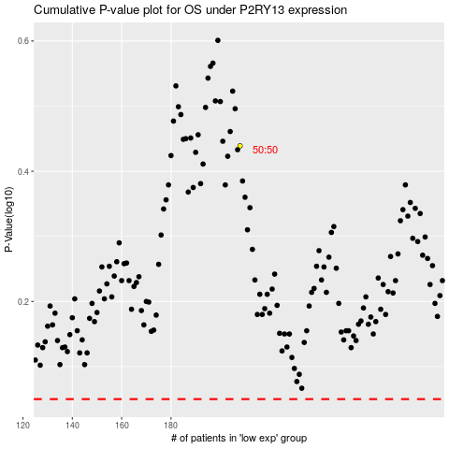

 |  |  |  |  |  | cases_OS | p_OS | rank | exp
 |  |  |  |  |  |  | cases_RFS | p_RFS | rank | exp

