P2RY2 _multivariate
Reported by Tex Li-Hsing Chi. tex@gate.sinica.edu.tw 2019-08-17

Table 2. The clinicopathological features of HNSCC cohort and P2RY2 expression. (Chi square test)
Cutoff at -0.288 (50.0%)
 |  | P2RY2 expression |  | P2RY2 expression |  | (Optimised)
 | Features | Low | (%) | High | (%) | Case no | P-value | Remark | Matthews
Gender | Female | 157 | 37.8 | 149 | 35.9 | 415 | 0.3881 | 0 | 0
2 | Male | 50 | 12 | 59 | 14.2
Age at diagnosis | <=65y | 135 | 32.5 | 139 | 33.5 | 415 | 0.8084 | 0 | 0
4 | >65y | 72 | 17.3 | 69 | 16.6
Clinical T Status | T1+T2 | 72 | 17.3 | 77 | 18.6 | 415 | 0.7095 | 0 | 0
6 | T3+T4 | 135 | 32.5 | 131 | 31.6
Clinical N Status | N0 | 97 | 23.4 | 119 | 28.7 | 415 | 0.0442 | 1 | 0
8 | N1-3 | 110 | 26.5 | 89 | 21.4
Clinical M Status | M0 | 206 | 49.6 | 206 | 49.6 | 415 | 1 | 0 | 0
10 | M1 | 1 | 0.2 | 2 | 0.5
Clinical Stage | Stage I+II | 46 | 11.1 | 56 | 13.5 | 415 | 0.3182 | 0 | 0
12 | Stage III+IV | 161 | 38.8 | 152 | 36.6
Surgical Margin status | Negative | 150 | 36.1 | 168 | 40.5 | 415 | 0.0492 | 1 | 0
14 | Positive | 57 | 13.7 | 40 | 9.6
Tobacco Exposure | Low | 75 | 18.1 | 86 | 20.7 | 415 | 0.3141 | 0 | 0
16 | High | 132 | 31.8 | 122 | 29.4

Table 3. Univariate/Multivariate Cox's proportional hazards regression analyses on OS time of P2RY2 gene expression in HNSCC

 |  | Univariate |  |  |  | Multivariate
 | Features | HR | CI95%(L) | CI95%(H) | P-value | HR | CI95%(L) | CI95%(H) | P-value
1 | Female | 1 |  |  |  | 1
Gender | Male | 1.157 | 0.843 | 1.587 | 0.367 | 1.203 | 0.861 | 1.68 | 0.28
11 | <=65y | 1 |  |  |  | 1
Age at diagnosis | >65y | 1.329 | 0.99 | 1.784 | 0.058 | 1.394 | 1.025 | 1.895 | 0.034
12 | T1+T2 | 1 |  |  |  | 1
Clinical T Status | T3+T4 | 1.409 | 1.028 | 1.931 | 0.033 | 2.204 | 1.166 | 4.168 | 0.015
13 | N0 | 1 |  |  |  | 1
Clinical N Status | N1-3 | 1.185 | 0.89 | 1.577 | 0.246 | 1.244 | 0.87 | 1.777 | 0.231
14 | M0 | 1 |  |  |  | 1
Clinical M Status | M1 | 4.097 | 1.009 | 16.644 | 0.049 | 9.357 | 2.037 | 42.984 | 0.004
15 | Stage I+II | 1 |  |  |  | 1
Clinical Stage | Stage III+IV | 1.245 | 0.882 | 1.759 | 0.213 | 0.504 | 0.235 | 1.082 | 0.079
16 | Negative | 1 |  |  |  | 1
Surgical Margin status | Positive | 1.591 | 1.155 | 2.191 | 0.004 | 1.675 | 1.21 | 2.318 | 0.002
17 | Low | 1 |  |  |  | 1
Tobacco Exposure | High | 1.364 | 1.008 | 1.844 | 0.044 | 1.453 | 1.055 | 2.002 | 0.022
18 | Low | 1 |  |  |  | 1
RNAseq(z-score) | High | 0.951 | 0.715 | 1.266 | 0.732 | 1.019 | 0.762 | 1.363 | 0.898

Table 4. Univariate/Multivariate Cox's proportional hazards regression analyses on RFS time of P2RY2 gene expression in HNSCC

 |  | Univariate |  |  |  | Multivariate
 | Features | HR | CI95%(L) | CI95%(H) | P-value | HR | CI95%(L) | CI95%(H) | P-value
1 | Female | 1 |  |  |  | 1
Gender | Male | 1.157 | 0.843 | 1.587 | 0.367 | 1.203 | 0.861 | 1.68 | 0.28
11 | <=65y | 1 |  |  |  | 1
Age at diagnosis | >65y | 1.329 | 0.99 | 1.784 | 0.058 | 1.394 | 1.025 | 1.895 | 0.034
12 | T1+T2 | 1 |  |  |  | 1
Clinical T Status | T3+T4 | 1.409 | 1.028 | 1.931 | 0.033 | 2.204 | 1.166 | 4.168 | 0.015
13 | N0 | 1 |  |  |  | 1
Clinical N Status | N1-3 | 1.185 | 0.89 | 1.577 | 0.246 | 1.244 | 0.87 | 1.777 | 0.231
14 | M0 | 1 |  |  |  | 1
Clinical M Status | M1 | 4.097 | 1.009 | 16.644 | 0.049 | 9.357 | 2.037 | 42.984 | 0.004
15 | Stage I+II | 1 |  |  |  | 1
Clinical Stage | Stage III+IV | 1.245 | 0.882 | 1.759 | 0.213 | 0.504 | 0.235 | 1.082 | 0.079
16 | Negative | 1 |  |  |  | 1
Surgical Margin status | Positive | 1.591 | 1.155 | 2.191 | 0.004 | 1.675 | 1.21 | 2.318 | 0.002
17 | Low | 1 |  |  |  | 1
Tobacco Exposure | High | 1.364 | 1.008 | 1.844 | 0.044 | 1.453 | 1.055 | 2.002 | 0.022
18 | Low | 1 |  |  |  | 1
RNAseq(z-score) | High | 0.951 | 0.715 | 1.266 | 0.732 | 1.019 | 0.762 | 1.363 | 0.898

Kaplan-Meier survival estimate: Cutoff at -0.288 (50.0%)



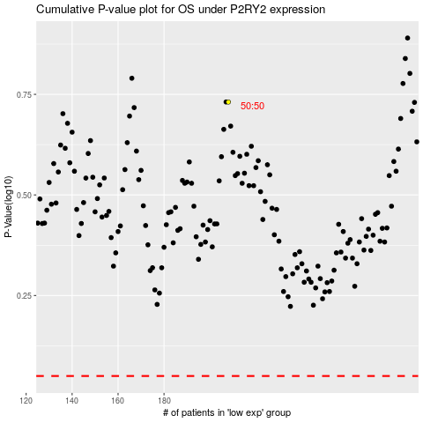

 |  |  |  |  |  | cases_OS | p_OS | rank | exp
 |  |  |  |  |  |  | cases_RFS | p_RFS | rank | exp

