P2RY6 _multivariate
Reported by Tex Li-Hsing Chi. tex@gate.sinica.edu.tw 2019-08-17

Table 2. The clinicopathological features of HNSCC cohort and P2RY6 expression. (Chi square test)
Cutoff at -0.309 (50.0%)
 |  | P2RY6 expression |  | P2RY6 expression |  | (Optimised)
 | Features | Low | (%) | High | (%) | Case no | P-value | Remark | Matthews
Gender | Female | 161 | 38.8 | 145 | 34.9 | 415 | 0.0792 | 0 | 0
2 | Male | 46 | 11.1 | 63 | 15.2
Age at diagnosis | <=65y | 143 | 34.5 | 131 | 31.6 | 415 | 0.2269 | 0 | 0
4 | >65y | 64 | 15.4 | 77 | 18.6
Clinical T Status | T1+T2 | 72 | 17.3 | 77 | 18.6 | 415 | 0.7095 | 0 | 0
6 | T3+T4 | 135 | 32.5 | 131 | 31.6
Clinical N Status | N0 | 101 | 24.3 | 115 | 27.7 | 415 | 0.2201 | 0 | 0
8 | N1-3 | 106 | 25.5 | 93 | 22.4
Clinical M Status | M0 | 206 | 49.6 | 206 | 49.6 | 415 | 1 | 0 | 0
10 | M1 | 1 | 0.2 | 2 | 0.5
Clinical Stage | Stage I+II | 42 | 10.1 | 60 | 14.5 | 415 | 0.0561 | 0 | 0
12 | Stage III+IV | 165 | 39.8 | 148 | 35.7
Surgical Margin status | Negative | 153 | 36.9 | 165 | 39.8 | 415 | 0.2036 | 0 | 0
14 | Positive | 54 | 13 | 43 | 10.4
Tobacco Exposure | Low | 70 | 16.9 | 91 | 21.9 | 415 | 0.0439 | 1 | 0
16 | High | 137 | 33 | 117 | 28.2

Table 3. Univariate/Multivariate Cox's proportional hazards regression analyses on OS time of P2RY6 gene expression in HNSCC

 |  | Univariate |  |  |  | Multivariate
 | Features | HR | CI95%(L) | CI95%(H) | P-value | HR | CI95%(L) | CI95%(H) | P-value
1 | Female | 1 |  |  |  | 1
Gender | Male | 1.157 | 0.843 | 1.587 | 0.367 | 1.203 | 0.86 | 1.681 | 0.28
11 | <=65y | 1 |  |  |  | 1
Age at diagnosis | >65y | 1.329 | 0.99 | 1.784 | 0.058 | 1.379 | 1.013 | 1.876 | 0.041
12 | T1+T2 | 1 |  |  |  | 1
Clinical T Status | T3+T4 | 1.409 | 1.028 | 1.931 | 0.033 | 2.099 | 1.106 | 3.981 | 0.023
13 | N0 | 1 |  |  |  | 1
Clinical N Status | N1-3 | 1.185 | 0.89 | 1.577 | 0.246 | 1.243 | 0.871 | 1.774 | 0.23
14 | M0 | 1 |  |  |  | 1
Clinical M Status | M1 | 4.097 | 1.009 | 16.644 | 0.049 | 8.698 | 1.89 | 40.015 | 0.005
15 | Stage I+II | 1 |  |  |  | 1
Clinical Stage | Stage III+IV | 1.245 | 0.882 | 1.759 | 0.213 | 0.548 | 0.253 | 1.187 | 0.127
16 | Negative | 1 |  |  |  | 1
Surgical Margin status | Positive | 1.591 | 1.155 | 2.191 | 0.004 | 1.665 | 1.205 | 2.299 | 0.002
17 | Low | 1 |  |  |  | 1
Tobacco Exposure | High | 1.364 | 1.008 | 1.844 | 0.044 | 1.473 | 1.068 | 2.032 | 0.018
18 | Low | 1 |  |  |  | 1
RNAseq(z-score) | High | 1.215 | 0.911 | 1.619 | 0.185 | 1.224 | 0.912 | 1.643 | 0.179

Table 4. Univariate/Multivariate Cox's proportional hazards regression analyses on RFS time of P2RY6 gene expression in HNSCC

 |  | Univariate |  |  |  | Multivariate
 | Features | HR | CI95%(L) | CI95%(H) | P-value | HR | CI95%(L) | CI95%(H) | P-value
1 | Female | 1 |  |  |  | 1
Gender | Male | 1.157 | 0.843 | 1.587 | 0.367 | 1.203 | 0.86 | 1.681 | 0.28
11 | <=65y | 1 |  |  |  | 1
Age at diagnosis | >65y | 1.329 | 0.99 | 1.784 | 0.058 | 1.379 | 1.013 | 1.876 | 0.041
12 | T1+T2 | 1 |  |  |  | 1
Clinical T Status | T3+T4 | 1.409 | 1.028 | 1.931 | 0.033 | 2.099 | 1.106 | 3.981 | 0.023
13 | N0 | 1 |  |  |  | 1
Clinical N Status | N1-3 | 1.185 | 0.89 | 1.577 | 0.246 | 1.243 | 0.871 | 1.774 | 0.23
14 | M0 | 1 |  |  |  | 1
Clinical M Status | M1 | 4.097 | 1.009 | 16.644 | 0.049 | 8.698 | 1.89 | 40.015 | 0.005
15 | Stage I+II | 1 |  |  |  | 1
Clinical Stage | Stage III+IV | 1.245 | 0.882 | 1.759 | 0.213 | 0.548 | 0.253 | 1.187 | 0.127
16 | Negative | 1 |  |  |  | 1
Surgical Margin status | Positive | 1.591 | 1.155 | 2.191 | 0.004 | 1.665 | 1.205 | 2.299 | 0.002
17 | Low | 1 |  |  |  | 1
Tobacco Exposure | High | 1.364 | 1.008 | 1.844 | 0.044 | 1.473 | 1.068 | 2.032 | 0.018
18 | Low | 1 |  |  |  | 1
RNAseq(z-score) | High | 1.215 | 0.911 | 1.619 | 0.185 | 1.224 | 0.912 | 1.643 | 0.179

Kaplan-Meier survival estimate: Cutoff at -0.309 (50.0%)



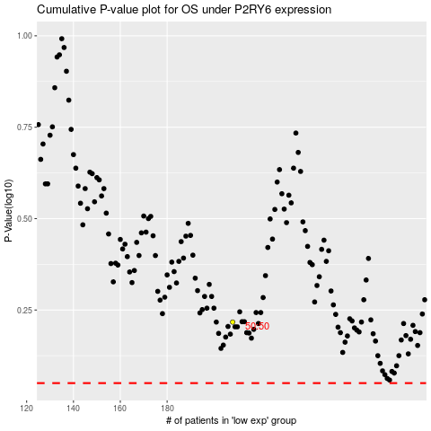

 |  |  |  |  |  | cases_OS | p_OS | rank | exp
 |  |  |  |  |  |  | cases_RFS | p_RFS | rank | exp

