P4HB _multivariate
Reported by Tex Li-Hsing Chi. tex@gate.sinica.edu.tw 2019-08-17

Table 2. The clinicopathological features of HNSCC cohort and P4HB expression. (Chi square test)
Cutoff at -0.167 (50.0%)
 |  | P4HB expression |  | P4HB expression |  | (Optimised)
 | Features | Low | (%) | High | (%) | Case no | P-value | Remark | Matthews
Gender | Female | 162 | 39 | 144 | 34.7 | 415 | 0.0479 | 1 | 0
2 | Male | 45 | 10.8 | 64 | 15.4
Age at diagnosis | <=65y | 144 | 34.7 | 130 | 31.3 | 415 | 0.1568 | 0 | 0
4 | >65y | 63 | 15.2 | 78 | 18.8
Clinical T Status | T1+T2 | 75 | 18.1 | 74 | 17.8 | 415 | 0.9707 | 0 | 0
6 | T3+T4 | 132 | 31.8 | 134 | 32.3
Clinical N Status | N0 | 99 | 23.9 | 117 | 28.2 | 415 | 0.1054 | 0 | 0
8 | N1-3 | 108 | 26 | 91 | 21.9
Clinical M Status | M0 | 206 | 49.6 | 206 | 49.6 | 415 | 1 | 0 | 0
10 | M1 | 1 | 0.2 | 2 | 0.5
Clinical Stage | Stage I+II | 47 | 11.3 | 55 | 13.3 | 415 | 0.4413 | 0 | 0
12 | Stage III+IV | 160 | 38.6 | 153 | 36.9
Surgical Margin status | Negative | 155 | 37.3 | 163 | 39.3 | 415 | 0.4187 | 0 | 0
14 | Positive | 52 | 12.5 | 45 | 10.8
Tobacco Exposure | Low | 84 | 20.2 | 77 | 18.6 | 415 | 0.4816 | 0 | 0
16 | High | 123 | 29.6 | 131 | 31.6

Table 3. Univariate/Multivariate Cox's proportional hazards regression analyses on OS time of P4HB gene expression in HNSCC

 |  | Univariate |  |  |  | Multivariate
 | Features | HR | CI95%(L) | CI95%(H) | P-value | HR | CI95%(L) | CI95%(H) | P-value
1 | Female | 1 |  |  |  | 1
Gender | Male | 1.157 | 0.843 | 1.587 | 0.367 | 1.218 | 0.869 | 1.708 | 0.253
11 | <=65y | 1 |  |  |  | 1
Age at diagnosis | >65y | 1.329 | 0.99 | 1.784 | 0.058 | 1.395 | 1.026 | 1.897 | 0.034
12 | T1+T2 | 1 |  |  |  | 1
Clinical T Status | T3+T4 | 1.409 | 1.028 | 1.931 | 0.033 | 2.219 | 1.173 | 4.197 | 0.014
13 | N0 | 1 |  |  |  | 1
Clinical N Status | N1-3 | 1.185 | 0.89 | 1.577 | 0.246 | 1.241 | 0.869 | 1.77 | 0.235
14 | M0 | 1 |  |  |  | 1
Clinical M Status | M1 | 4.097 | 1.009 | 16.644 | 0.049 | 9.757 | 2.116 | 44.99 | 0.003
15 | Stage I+II | 1 |  |  |  | 1
Clinical Stage | Stage III+IV | 1.245 | 0.882 | 1.759 | 0.213 | 0.499 | 0.232 | 1.073 | 0.075
16 | Negative | 1 |  |  |  | 1
Surgical Margin status | Positive | 1.591 | 1.155 | 2.191 | 0.004 | 1.662 | 1.202 | 2.298 | 0.002
17 | Low | 1 |  |  |  | 1
Tobacco Exposure | High | 1.364 | 1.008 | 1.844 | 0.044 | 1.471 | 1.064 | 2.034 | 0.019
18 | Low | 1 |  |  |  | 1
RNAseq(z-score) | High | 0.991 | 0.744 | 1.32 | 0.95 | 0.923 | 0.687 | 1.239 | 0.593

Table 4. Univariate/Multivariate Cox's proportional hazards regression analyses on RFS time of P4HB gene expression in HNSCC

 |  | Univariate |  |  |  | Multivariate
 | Features | HR | CI95%(L) | CI95%(H) | P-value | HR | CI95%(L) | CI95%(H) | P-value
1 | Female | 1 |  |  |  | 1
Gender | Male | 1.157 | 0.843 | 1.587 | 0.367 | 1.218 | 0.869 | 1.708 | 0.253
11 | <=65y | 1 |  |  |  | 1
Age at diagnosis | >65y | 1.329 | 0.99 | 1.784 | 0.058 | 1.395 | 1.026 | 1.897 | 0.034
12 | T1+T2 | 1 |  |  |  | 1
Clinical T Status | T3+T4 | 1.409 | 1.028 | 1.931 | 0.033 | 2.219 | 1.173 | 4.197 | 0.014
13 | N0 | 1 |  |  |  | 1
Clinical N Status | N1-3 | 1.185 | 0.89 | 1.577 | 0.246 | 1.241 | 0.869 | 1.77 | 0.235
14 | M0 | 1 |  |  |  | 1
Clinical M Status | M1 | 4.097 | 1.009 | 16.644 | 0.049 | 9.757 | 2.116 | 44.99 | 0.003
15 | Stage I+II | 1 |  |  |  | 1
Clinical Stage | Stage III+IV | 1.245 | 0.882 | 1.759 | 0.213 | 0.499 | 0.232 | 1.073 | 0.075
16 | Negative | 1 |  |  |  | 1
Surgical Margin status | Positive | 1.591 | 1.155 | 2.191 | 0.004 | 1.662 | 1.202 | 2.298 | 0.002
17 | Low | 1 |  |  |  | 1
Tobacco Exposure | High | 1.364 | 1.008 | 1.844 | 0.044 | 1.471 | 1.064 | 2.034 | 0.019
18 | Low | 1 |  |  |  | 1
RNAseq(z-score) | High | 0.991 | 0.744 | 1.32 | 0.95 | 0.923 | 0.687 | 1.239 | 0.593

Kaplan-Meier survival estimate: Cutoff at -0.167 (50.0%)



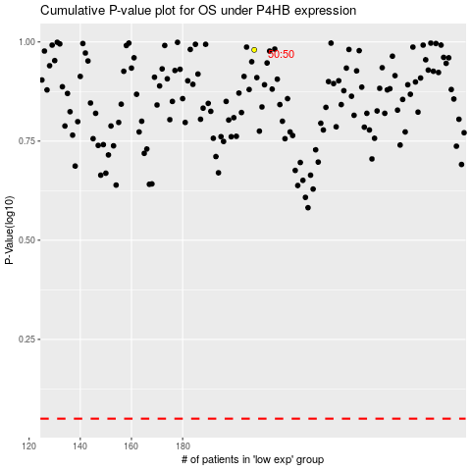

 |  |  |  |  |  | cases_OS | p_OS | rank | exp
 |  |  |  |  |  |  | cases_RFS | p_RFS | rank | exp

