P4HTM _multivariate
Reported by Tex Li-Hsing Chi. tex@gate.sinica.edu.tw 2019-08-17

Table 2. The clinicopathological features of HNSCC cohort and P4HTM expression. (Chi square test)
Cutoff at -0.545 (37.2%)
 |  | P4HTM expression |  | P4HTM expression |  | (Optimised)
 | Features | Low | (%) | High | (%) | Case no | P-value | Remark | Matthews
Gender | Female | 110 | 26.5 | 196 | 47.2 | 415 | 0.481 | 0 | 0
2 | Male | 44 | 10.6 | 65 | 15.7
Age at diagnosis | <=65y | 95 | 22.9 | 179 | 43.1 | 415 | 0.1851 | 0 | 0
4 | >65y | 59 | 14.2 | 82 | 19.8
Clinical T Status | T1+T2 | 57 | 13.7 | 92 | 22.2 | 415 | 0.798 | 0 | 0
6 | T3+T4 | 97 | 23.4 | 169 | 40.7
Clinical N Status | N0 | 80 | 19.3 | 136 | 32.8 | 415 | 1 | 0 | 0
8 | N1-3 | 74 | 17.8 | 125 | 30.1
Clinical M Status | M0 | 151 | 36.4 | 261 | 62.9 | 415 | 0.0505 | 0 | 0
10 | M1 | 3 | 0.7 | 0 | 0
Clinical Stage | Stage I+II | 42 | 10.1 | 60 | 14.5 | 415 | 0.3891 | 0 | 0
12 | Stage III+IV | 112 | 27 | 201 | 48.4
Surgical Margin status | Negative | 114 | 27.5 | 204 | 49.2 | 415 | 0.3396 | 0 | 0
14 | Positive | 40 | 9.6 | 57 | 13.7
Tobacco Exposure | Low | 71 | 17.1 | 90 | 21.7 | 415 | 0.0218 | 1 | 0
16 | High | 83 | 20 | 171 | 41.2

Table 3. Univariate/Multivariate Cox's proportional hazards regression analyses on OS time of P4HTM gene expression in HNSCC

 |  | Univariate |  |  |  | Multivariate
 | Features | HR | CI95%(L) | CI95%(H) | P-value | HR | CI95%(L) | CI95%(H) | P-value
1 | Female | 1 |  |  |  | 1
Gender | Male | 1.157 | 0.843 | 1.587 | 0.367 | 1.18 | 0.843 | 1.651 | 0.336
11 | <=65y | 1 |  |  |  | 1
Age at diagnosis | >65y | 1.329 | 0.99 | 1.784 | 0.058 | 1.361 | 1 | 1.852 | 0.05
12 | T1+T2 | 1 |  |  |  | 1
Clinical T Status | T3+T4 | 1.409 | 1.028 | 1.931 | 0.033 | 2.17 | 1.148 | 4.102 | 0.017
13 | N0 | 1 |  |  |  | 1
Clinical N Status | N1-3 | 1.185 | 0.89 | 1.577 | 0.246 | 1.242 | 0.87 | 1.772 | 0.233
14 | M0 | 1 |  |  |  | 1
Clinical M Status | M1 | 4.097 | 1.009 | 16.644 | 0.049 | 7.837 | 1.688 | 36.394 | 0.009
15 | Stage I+II | 1 |  |  |  | 1
Clinical Stage | Stage III+IV | 1.245 | 0.882 | 1.759 | 0.213 | 0.517 | 0.241 | 1.111 | 0.091
16 | Negative | 1 |  |  |  | 1
Surgical Margin status | Positive | 1.591 | 1.155 | 2.191 | 0.004 | 1.634 | 1.181 | 2.26 | 0.003
17 | Low | 1 |  |  |  | 1
Tobacco Exposure | High | 1.364 | 1.008 | 1.844 | 0.044 | 1.504 | 1.087 | 2.081 | 0.014
18 | Low | 1 |  |  |  | 1
RNAseq(z-score) | High | 0.735 | 0.55 | 0.983 | 0.038 | 0.768 | 0.568 | 1.037 | 0.085

Table 4. Univariate/Multivariate Cox's proportional hazards regression analyses on RFS time of P4HTM gene expression in HNSCC

 |  | Univariate |  |  |  | Multivariate
 | Features | HR | CI95%(L) | CI95%(H) | P-value | HR | CI95%(L) | CI95%(H) | P-value
1 | Female | 1 |  |  |  | 1
Gender | Male | 1.157 | 0.843 | 1.587 | 0.367 | 1.18 | 0.843 | 1.651 | 0.336
11 | <=65y | 1 |  |  |  | 1
Age at diagnosis | >65y | 1.329 | 0.99 | 1.784 | 0.058 | 1.361 | 1 | 1.852 | 0.05
12 | T1+T2 | 1 |  |  |  | 1
Clinical T Status | T3+T4 | 1.409 | 1.028 | 1.931 | 0.033 | 2.17 | 1.148 | 4.102 | 0.017
13 | N0 | 1 |  |  |  | 1
Clinical N Status | N1-3 | 1.185 | 0.89 | 1.577 | 0.246 | 1.242 | 0.87 | 1.772 | 0.233
14 | M0 | 1 |  |  |  | 1
Clinical M Status | M1 | 4.097 | 1.009 | 16.644 | 0.049 | 7.837 | 1.688 | 36.394 | 0.009
15 | Stage I+II | 1 |  |  |  | 1
Clinical Stage | Stage III+IV | 1.245 | 0.882 | 1.759 | 0.213 | 0.517 | 0.241 | 1.111 | 0.091
16 | Negative | 1 |  |  |  | 1
Surgical Margin status | Positive | 1.591 | 1.155 | 2.191 | 0.004 | 1.634 | 1.181 | 2.26 | 0.003
17 | Low | 1 |  |  |  | 1
Tobacco Exposure | High | 1.364 | 1.008 | 1.844 | 0.044 | 1.504 | 1.087 | 2.081 | 0.014
18 | Low | 1 |  |  |  | 1
RNAseq(z-score) | High | 0.735 | 0.55 | 0.983 | 0.038 | 0.768 | 0.568 | 1.037 | 0.085

Kaplan-Meier survival estimate: Cutoff at -0.545 (37.2%)



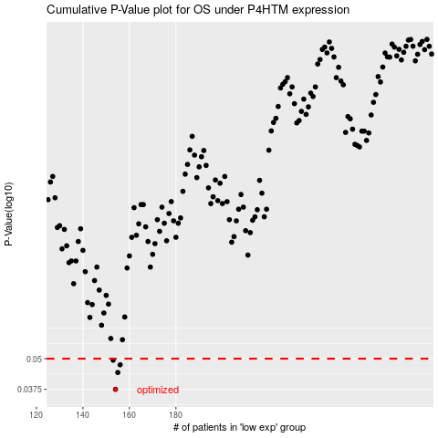

 |  |  |  |  |  | cases_OS | p_OS | rank | exp
 |  |  |  |  |  | 154 | 0.0375 | 305 | -0.54513288618
 |  |  |  |  |  | 155 | 0.0439 | 319 | -0.54173355941
 |  |  |  |  |  | 156 | 0.0472 | 151 | -0.53819055485
 |  |  |  |  |  | 153 | 0.0493 | 23 | -0.5472081323
 |  |  |  |  |  |  | cases_RFS | p_RFS | rank | exp
 |  |  |  |  |  |  | 153 | 0.0375 | 23 | -0.5472081323
 |  |  |  |  |  |  | 154 | 0.0439 | 305 | -0.54513288618
 |  |  |  |  |  |  | 155 | 0.0472 | 319 | -0.54173355941
 |  |  |  |  |  |  | 152 | 0.0493 | 411 | -0.54926766365

