PA2G4 _multivariate
Reported by Tex Li-Hsing Chi. tex@gate.sinica.edu.tw 2019-08-17

Table 2. The clinicopathological features of HNSCC cohort and PA2G4 expression. (Chi square test)
Cutoff at -0.51 (30.4%)
 |  | PA2G4 expression |  | PA2G4 expression |  | (Optimised)
 | Features | Low | (%) | High | (%) | Case no | P-value | Remark | Matthews
Gender | Female | 97 | 23.4 | 209 | 50.4 | 415 | 0.3833 | 0 | 0
2 | Male | 29 | 7 | 80 | 19.3
Age at diagnosis | <=65y | 87 | 21 | 187 | 45.1 | 415 | 0.4557 | 0 | 0
4 | >65y | 39 | 9.4 | 102 | 24.6
Clinical T Status | T1+T2 | 47 | 11.3 | 102 | 24.6 | 415 | 0.7789 | 0 | 0
6 | T3+T4 | 79 | 19 | 187 | 45.1
Clinical N Status | N0 | 69 | 16.6 | 147 | 35.4 | 415 | 0.5327 | 0 | 0
8 | N1-3 | 57 | 13.7 | 142 | 34.2
Clinical M Status | M0 | 126 | 30.4 | 286 | 68.9 | 415 | 0.5566 | 0 | 0
10 | M1 | 0 | 0 | 3 | 0.7
Clinical Stage | Stage I+II | 29 | 7 | 73 | 17.6 | 415 | 0.7157 | 0 | 0
12 | Stage III+IV | 97 | 23.4 | 216 | 52
Surgical Margin status | Negative | 101 | 24.3 | 217 | 52.3 | 415 | 0.3131 | 0 | 0
14 | Positive | 25 | 6 | 72 | 17.3
Tobacco Exposure | Low | 49 | 11.8 | 112 | 27 | 415 | 1 | 0 | 0
16 | High | 77 | 18.6 | 177 | 42.7

Table 3. Univariate/Multivariate Cox's proportional hazards regression analyses on OS time of PA2G4 gene expression in HNSCC

 |  | Univariate |  |  |  | Multivariate
 | Features | HR | CI95%(L) | CI95%(H) | P-value | HR | CI95%(L) | CI95%(H) | P-value
1 | Female | 1 |  |  |  | 1
Gender | Male | 1.157 | 0.843 | 1.587 | 0.367 | 1.192 | 0.853 | 1.666 | 0.303
11 | <=65y | 1 |  |  |  | 1
Age at diagnosis | >65y | 1.329 | 0.99 | 1.784 | 0.058 | 1.384 | 1.019 | 1.881 | 0.038
12 | T1+T2 | 1 |  |  |  | 1
Clinical T Status | T3+T4 | 1.409 | 1.028 | 1.931 | 0.033 | 2.122 | 1.122 | 4.013 | 0.021
13 | N0 | 1 |  |  |  | 1
Clinical N Status | N1-3 | 1.185 | 0.89 | 1.577 | 0.246 | 1.214 | 0.851 | 1.734 | 0.285
14 | M0 | 1 |  |  |  | 1
Clinical M Status | M1 | 4.097 | 1.009 | 16.644 | 0.049 | 8.499 | 1.845 | 39.16 | 0.006
15 | Stage I+II | 1 |  |  |  | 1
Clinical Stage | Stage III+IV | 1.245 | 0.882 | 1.759 | 0.213 | 0.532 | 0.247 | 1.143 | 0.106
16 | Negative | 1 |  |  |  | 1
Surgical Margin status | Positive | 1.591 | 1.155 | 2.191 | 0.004 | 1.62 | 1.17 | 2.242 | 0.004
17 | Low | 1 |  |  |  | 1
Tobacco Exposure | High | 1.364 | 1.008 | 1.844 | 0.044 | 1.46 | 1.059 | 2.013 | 0.021
18 | Low | 1 |  |  |  | 1
RNAseq(z-score) | High | 1.413 | 1.026 | 1.947 | 0.034 | 1.276 | 0.921 | 1.766 | 0.143

Table 4. Univariate/Multivariate Cox's proportional hazards regression analyses on RFS time of PA2G4 gene expression in HNSCC

 |  | Univariate |  |  |  | Multivariate
 | Features | HR | CI95%(L) | CI95%(H) | P-value | HR | CI95%(L) | CI95%(H) | P-value
1 | Female | 1 |  |  |  | 1
Gender | Male | 1.157 | 0.843 | 1.587 | 0.367 | 1.192 | 0.853 | 1.666 | 0.303
11 | <=65y | 1 |  |  |  | 1
Age at diagnosis | >65y | 1.329 | 0.99 | 1.784 | 0.058 | 1.384 | 1.019 | 1.881 | 0.038
12 | T1+T2 | 1 |  |  |  | 1
Clinical T Status | T3+T4 | 1.409 | 1.028 | 1.931 | 0.033 | 2.122 | 1.122 | 4.013 | 0.021
13 | N0 | 1 |  |  |  | 1
Clinical N Status | N1-3 | 1.185 | 0.89 | 1.577 | 0.246 | 1.214 | 0.851 | 1.734 | 0.285
14 | M0 | 1 |  |  |  | 1
Clinical M Status | M1 | 4.097 | 1.009 | 16.644 | 0.049 | 8.499 | 1.845 | 39.16 | 0.006
15 | Stage I+II | 1 |  |  |  | 1
Clinical Stage | Stage III+IV | 1.245 | 0.882 | 1.759 | 0.213 | 0.532 | 0.247 | 1.143 | 0.106
16 | Negative | 1 |  |  |  | 1
Surgical Margin status | Positive | 1.591 | 1.155 | 2.191 | 0.004 | 1.62 | 1.17 | 2.242 | 0.004
17 | Low | 1 |  |  |  | 1
Tobacco Exposure | High | 1.364 | 1.008 | 1.844 | 0.044 | 1.46 | 1.059 | 2.013 | 0.021
18 | Low | 1 |  |  |  | 1
RNAseq(z-score) | High | 1.413 | 1.026 | 1.947 | 0.034 | 1.276 | 0.921 | 1.766 | 0.143

Kaplan-Meier survival estimate: Cutoff at -0.51 (30.4%)



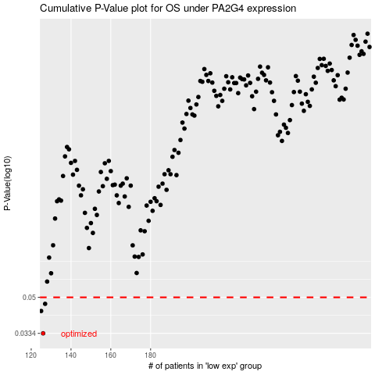

 |  |  |  |  |  | cases_OS | p_OS | rank | exp
 |  |  |  |  |  | 126 | 0.0334 | 70 | -0.50961792209
 |  |  |  |  |  | 125 | 0.0429 | 255 | -0.51698212547
 |  |  |  |  |  | 127 | 0.0465 | 237 | -0.50896931691
 |  |  |  |  |  |  | cases_RFS | p_RFS | rank | exp
 |  |  |  |  |  |  | 125 | 0.0334 | 255 | -0.51698212547
 |  |  |  |  |  |  |  | 0.0429 | 409 | -0.5301603945
 |  |  |  |  |  |  | 126 | 0.0465 | 70 | -0.50961792209

