PACRG _multivariate
Reported by Tex Li-Hsing Chi. tex@gate.sinica.edu.tw 2019-08-17

Table 2. The clinicopathological features of HNSCC cohort and PACRG expression. (Chi square test)
Cutoff at -0.135 (59.4%)
 |  | PACRG expression |  | PACRG expression |  | (Optimised)
 | Features | Low | (%) | High | (%) | Case no | P-value | Remark | Matthews
Gender | Female | 176 | 42.4 | 130 | 31.3 | 415 | 0.2671 | 0 | 0
2 | Male | 70 | 16.9 | 39 | 9.4
Age at diagnosis | <=65y | 156 | 37.6 | 118 | 28.4 | 415 | 0.2118 | 0 | 0
4 | >65y | 90 | 21.7 | 51 | 12.3
Clinical T Status | T1+T2 | 83 | 20 | 66 | 15.9 | 415 | 0.3152 | 0 | 0
6 | T3+T4 | 163 | 39.3 | 103 | 24.8
Clinical N Status | N0 | 130 | 31.3 | 86 | 20.7 | 415 | 0.7701 | 0 | 0
8 | N1-3 | 116 | 28 | 83 | 20
Clinical M Status | M0 | 244 | 58.8 | 168 | 40.5 | 415 | 1 | 0 | 0
10 | M1 | 2 | 0.5 | 1 | 0.2
Clinical Stage | Stage I+II | 60 | 14.5 | 42 | 10.1 | 415 | 1 | 0 | 0
12 | Stage III+IV | 186 | 44.8 | 127 | 30.6
Surgical Margin status | Negative | 194 | 46.7 | 124 | 29.9 | 415 | 0.1968 | 0 | 0
14 | Positive | 52 | 12.5 | 45 | 10.8
Tobacco Exposure | Low | 107 | 25.8 | 54 | 13 | 415 | 0.0187 | 1 | 0
16 | High | 139 | 33.5 | 115 | 27.7

Table 3. Univariate/Multivariate Cox's proportional hazards regression analyses on OS time of PACRG gene expression in HNSCC

 |  | Univariate |  |  |  | Multivariate
 | Features | HR | CI95%(L) | CI95%(H) | P-value | HR | CI95%(L) | CI95%(H) | P-value
1 | Female | 1 |  |  |  | 1
Gender | Male | 1.157 | 0.843 | 1.587 | 0.367 | 1.205 | 0.862 | 1.685 | 0.275
11 | <=65y | 1 |  |  |  | 1
Age at diagnosis | >65y | 1.329 | 0.99 | 1.784 | 0.058 | 1.352 | 0.992 | 1.842 | 0.056
12 | T1+T2 | 1 |  |  |  | 1
Clinical T Status | T3+T4 | 1.409 | 1.028 | 1.931 | 0.033 | 2.089 | 1.104 | 3.953 | 0.024
13 | N0 | 1 |  |  |  | 1
Clinical N Status | N1-3 | 1.185 | 0.89 | 1.577 | 0.246 | 1.234 | 0.864 | 1.763 | 0.247
14 | M0 | 1 |  |  |  | 1
Clinical M Status | M1 | 4.097 | 1.009 | 16.644 | 0.049 | 8.984 | 1.958 | 41.223 | 0.005
15 | Stage I+II | 1 |  |  |  | 1
Clinical Stage | Stage III+IV | 1.245 | 0.882 | 1.759 | 0.213 | 0.521 | 0.243 | 1.12 | 0.095
16 | Negative | 1 |  |  |  | 1
Surgical Margin status | Positive | 1.591 | 1.155 | 2.191 | 0.004 | 1.71 | 1.237 | 2.365 | 0.001
17 | Low | 1 |  |  |  | 1
Tobacco Exposure | High | 1.364 | 1.008 | 1.844 | 0.044 | 1.546 | 1.116 | 2.142 | 0.009
18 | Low | 1 |  |  |  | 1
RNAseq(z-score) | High | 0.733 | 0.544 | 0.988 | 0.041 | 0.713 | 0.525 | 0.969 | 0.03

Table 4. Univariate/Multivariate Cox's proportional hazards regression analyses on RFS time of PACRG gene expression in HNSCC

 |  | Univariate |  |  |  | Multivariate
 | Features | HR | CI95%(L) | CI95%(H) | P-value | HR | CI95%(L) | CI95%(H) | P-value
1 | Female | 1 |  |  |  | 1
Gender | Male | 1.157 | 0.843 | 1.587 | 0.367 | 1.205 | 0.862 | 1.685 | 0.275
11 | <=65y | 1 |  |  |  | 1
Age at diagnosis | >65y | 1.329 | 0.99 | 1.784 | 0.058 | 1.352 | 0.992 | 1.842 | 0.056
12 | T1+T2 | 1 |  |  |  | 1
Clinical T Status | T3+T4 | 1.409 | 1.028 | 1.931 | 0.033 | 2.089 | 1.104 | 3.953 | 0.024
13 | N0 | 1 |  |  |  | 1
Clinical N Status | N1-3 | 1.185 | 0.89 | 1.577 | 0.246 | 1.234 | 0.864 | 1.763 | 0.247
14 | M0 | 1 |  |  |  | 1
Clinical M Status | M1 | 4.097 | 1.009 | 16.644 | 0.049 | 8.984 | 1.958 | 41.223 | 0.005
15 | Stage I+II | 1 |  |  |  | 1
Clinical Stage | Stage III+IV | 1.245 | 0.882 | 1.759 | 0.213 | 0.521 | 0.243 | 1.12 | 0.095
16 | Negative | 1 |  |  |  | 1
Surgical Margin status | Positive | 1.591 | 1.155 | 2.191 | 0.004 | 1.71 | 1.237 | 2.365 | 0.001
17 | Low | 1 |  |  |  | 1
Tobacco Exposure | High | 1.364 | 1.008 | 1.844 | 0.044 | 1.546 | 1.116 | 2.142 | 0.009
18 | Low | 1 |  |  |  | 1
RNAseq(z-score) | High | 0.733 | 0.544 | 0.988 | 0.041 | 0.713 | 0.525 | 0.969 | 0.03

Kaplan-Meier survival estimate: Cutoff at -0.135 (59.4%)



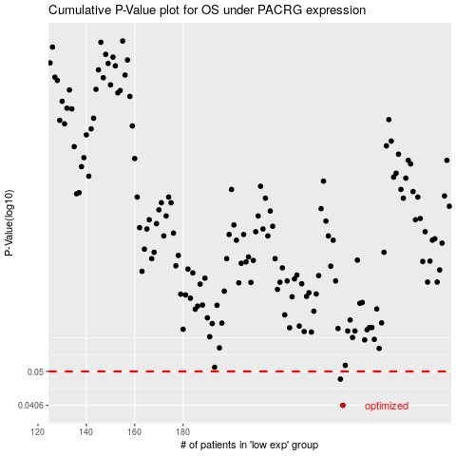

 |  |  |  |  |  | cases_OS | p_OS | rank | exp
 |  |  |  |  |  | 246 | 0.0406 | 406 | -0.13506283771
 |  |  |  |  |  | 245 | 0.0477 | 273 | -0.13536693271
 |  |  |  |  |  |  | cases_RFS | p_RFS | rank | exp
 |  |  |  |  |  |  | 245 | 0.0406 | 273 | -0.13536693271
 |  |  |  |  |  |  | 244 | 0.0477 | 264 | -0.13542626832

