PACS2 _multivariate
Reported by Tex Li-Hsing Chi. tex@gate.sinica.edu.tw 2019-08-17

Table 2. The clinicopathological features of HNSCC cohort and PACS2 expression. (Chi square test)
Cutoff at -0.181 (49.8%)
 |  | PACS2 expression |  | PACS2 expression |  | (Optimised)
 | Features | Low | (%) | High | (%) | Case no | P-value | Remark | Matthews
Gender | Female | 151 | 36.4 | 155 | 37.3 | 415 | 0.8007 | 0 | 0
2 | Male | 56 | 13.5 | 53 | 12.8
Age at diagnosis | <=65y | 132 | 31.8 | 142 | 34.2 | 415 | 0.3874 | 0 | 0
4 | >65y | 75 | 18.1 | 66 | 15.9
Clinical T Status | T1+T2 | 69 | 16.6 | 80 | 19.3 | 415 | 0.3239 | 0 | 0
6 | T3+T4 | 138 | 33.3 | 128 | 30.8
Clinical N Status | N0 | 101 | 24.3 | 115 | 27.7 | 415 | 0.2201 | 0 | 0
8 | N1-3 | 106 | 25.5 | 93 | 22.4
Clinical M Status | M0 | 205 | 49.4 | 207 | 49.9 | 415 | 0.6232 | 0 | 0
10 | M1 | 2 | 0.5 | 1 | 0.2
Clinical Stage | Stage I+II | 46 | 11.1 | 56 | 13.5 | 415 | 0.3182 | 0 | 0
12 | Stage III+IV | 161 | 38.8 | 152 | 36.6
Surgical Margin status | Negative | 160 | 38.6 | 158 | 38.1 | 415 | 0.8167 | 0 | 0
14 | Positive | 47 | 11.3 | 50 | 12
Tobacco Exposure | Low | 79 | 19 | 82 | 19.8 | 415 | 0.8405 | 0 | 0
16 | High | 128 | 30.8 | 126 | 30.4

Table 3. Univariate/Multivariate Cox's proportional hazards regression analyses on OS time of PACS2 gene expression in HNSCC

 |  | Univariate |  |  |  | Multivariate
 | Features | HR | CI95%(L) | CI95%(H) | P-value | HR | CI95%(L) | CI95%(H) | P-value
1 | Female | 1 |  |  |  | 1
Gender | Male | 1.157 | 0.843 | 1.587 | 0.367 | 1.2 | 0.859 | 1.676 | 0.285
11 | <=65y | 1 |  |  |  | 1
Age at diagnosis | >65y | 1.329 | 0.99 | 1.784 | 0.058 | 1.393 | 1.024 | 1.894 | 0.035
12 | T1+T2 | 1 |  |  |  | 1
Clinical T Status | T3+T4 | 1.409 | 1.028 | 1.931 | 0.033 | 2.211 | 1.169 | 4.182 | 0.015
13 | N0 | 1 |  |  |  | 1
Clinical N Status | N1-3 | 1.185 | 0.89 | 1.577 | 0.246 | 1.237 | 0.866 | 1.765 | 0.242
14 | M0 | 1 |  |  |  | 1
Clinical M Status | M1 | 4.097 | 1.009 | 16.644 | 0.049 | 9.391 | 2.049 | 43.049 | 0.004
15 | Stage I+II | 1 |  |  |  | 1
Clinical Stage | Stage III+IV | 1.245 | 0.882 | 1.759 | 0.213 | 0.503 | 0.234 | 1.08 | 0.078
16 | Negative | 1 |  |  |  | 1
Surgical Margin status | Positive | 1.591 | 1.155 | 2.191 | 0.004 | 1.68 | 1.215 | 2.323 | 0.002
17 | Low | 1 |  |  |  | 1
Tobacco Exposure | High | 1.364 | 1.008 | 1.844 | 0.044 | 1.46 | 1.059 | 2.014 | 0.021
18 | Low | 1 |  |  |  | 1
RNAseq(z-score) | High | 0.976 | 0.732 | 1.3 | 0.866 | 0.939 | 0.702 | 1.256 | 0.673

Table 4. Univariate/Multivariate Cox's proportional hazards regression analyses on RFS time of PACS2 gene expression in HNSCC

 |  | Univariate |  |  |  | Multivariate
 | Features | HR | CI95%(L) | CI95%(H) | P-value | HR | CI95%(L) | CI95%(H) | P-value
1 | Female | 1 |  |  |  | 1
Gender | Male | 1.157 | 0.843 | 1.587 | 0.367 | 1.2 | 0.859 | 1.676 | 0.285
11 | <=65y | 1 |  |  |  | 1
Age at diagnosis | >65y | 1.329 | 0.99 | 1.784 | 0.058 | 1.393 | 1.024 | 1.894 | 0.035
12 | T1+T2 | 1 |  |  |  | 1
Clinical T Status | T3+T4 | 1.409 | 1.028 | 1.931 | 0.033 | 2.211 | 1.169 | 4.182 | 0.015
13 | N0 | 1 |  |  |  | 1
Clinical N Status | N1-3 | 1.185 | 0.89 | 1.577 | 0.246 | 1.237 | 0.866 | 1.765 | 0.242
14 | M0 | 1 |  |  |  | 1
Clinical M Status | M1 | 4.097 | 1.009 | 16.644 | 0.049 | 9.391 | 2.049 | 43.049 | 0.004
15 | Stage I+II | 1 |  |  |  | 1
Clinical Stage | Stage III+IV | 1.245 | 0.882 | 1.759 | 0.213 | 0.503 | 0.234 | 1.08 | 0.078
16 | Negative | 1 |  |  |  | 1
Surgical Margin status | Positive | 1.591 | 1.155 | 2.191 | 0.004 | 1.68 | 1.215 | 2.323 | 0.002
17 | Low | 1 |  |  |  | 1
Tobacco Exposure | High | 1.364 | 1.008 | 1.844 | 0.044 | 1.46 | 1.059 | 2.014 | 0.021
18 | Low | 1 |  |  |  | 1
RNAseq(z-score) | High | 0.976 | 0.732 | 1.3 | 0.866 | 0.939 | 0.702 | 1.256 | 0.673

Kaplan-Meier survival estimate: Cutoff at -0.181 (49.8%)



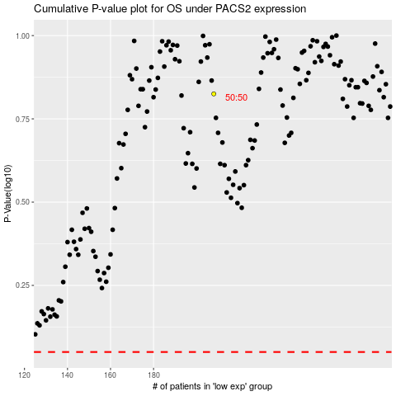

 |  |  |  |  |  | cases_OS | p_OS | rank | exp
 |  |  |  |  |  |  | cases_RFS | p_RFS | rank | exp

